diagrams
Bare & Short Engine
App. model: VR38DETT • [11.2013-11.2014]

Engine Gasket Kit
App. model: VR38DETT • [11.2013-11.2014]

Cylinder Block & Oil Pan
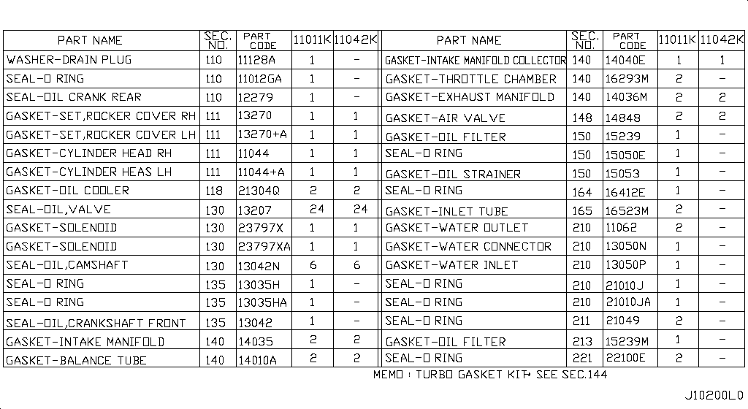 Specification: COMPONENT PARTS; App. model: VR38DETT • [11.2013-11.2014]

Cylinder Head & Rocker Cover
Specification: ASSEMBLY; App. model: VR38DETT • [11.2013-11.2014]

Engine & Transmission Mounting
Specification: E/G MOUNT; App. model: VR38DETT • [08.2017-]

Fan,Compressor & Power Steering Belt
App. model: VR38DETT • [11.2013-11.2014]

Crankcase Ventilation
App. model: VR38DETT • [11.2013-11.2014]

Piston,Crankshaft & Flywheel
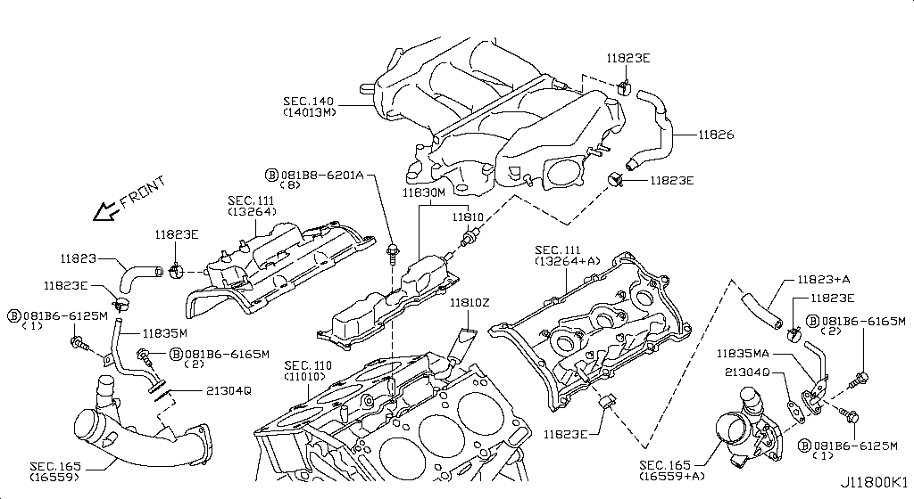 Specification: MAIN PARTS; App. model: VR38DETT • [11.2013-11.2014]

Camshaft & Valve Mechanism
Specification: CAMSHAFT & VALVE MECHANISM; App. model: VR38DETT • [11.2013-11.2014]

Front Cover,Vacuum Pump & Fitting
Specification: FRONT COVER; App. model: VR38DETT • [11.2013-11.2014]

Manifold
Specification: INTAKE PARTS; App. model: VR38DETT • [11.2013-11.2014]

Turbo Charger
Specification: TURBO CHARGER(LH); App. model: VR38DETT • [11.2013-11.2014]

Secondary Air System
App. model: VR38DETT • [11.2013-11.2014]

Lubricating System
App. model: VR38DETT • [11.2013-11.2014]

Throttle Chamber
App. model: VR38DETT • [11.2013-11.2014]

Fuel Strainer & Fuel Hose
App. model: VR38DETT • [11.2013-11.2014]

Air Cleaner
Specification: RH; App. model: VR38DETT • [11.2013-11.2014]

Fuel Pump
App. model: VR38DETT • [11.2013-11.2014]

Fuel Tank
App. model: VR38DETT • [11.2013-11.2014]

Fuel Piping
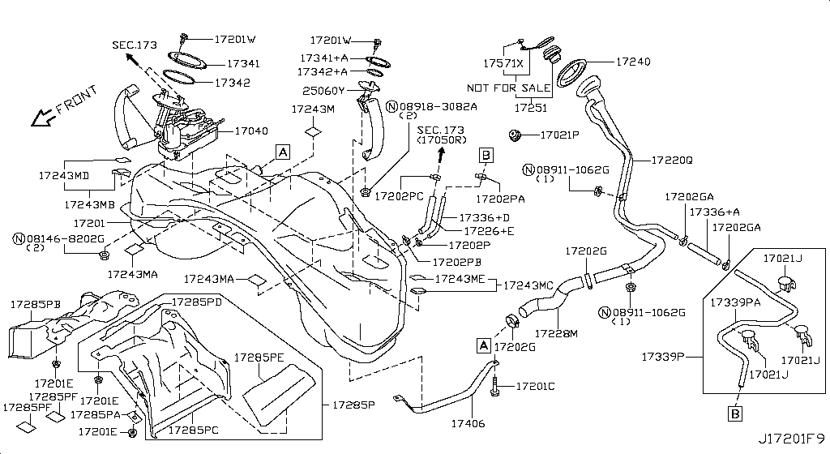 Specification: FUEL PIPING; App. model: VR38DETT • [11.2013-11.2014]

Accelerator Linkage
App. model: VR38DETT • [11.2013-11.2014]

Exhaust Tube & Muffler
App. model: VR38DETT • [11.2013-11.2014]

Catalyst Converter,Exhaust Fuel & Ure In
App. model: VR38DETT • [11.2013-11.2014]

Water Pump, Cooling Fan & Thermostat
App. model: VR38DETT • [11.2013-11.2014]

Water Hose & Piping
App. model: VR38DETT • [11.2013-11.2014]

Oil Cooler
App. model: VR38DETT • [11.2013-11.2014]

Radiator,Shroud & Inverter Cooling
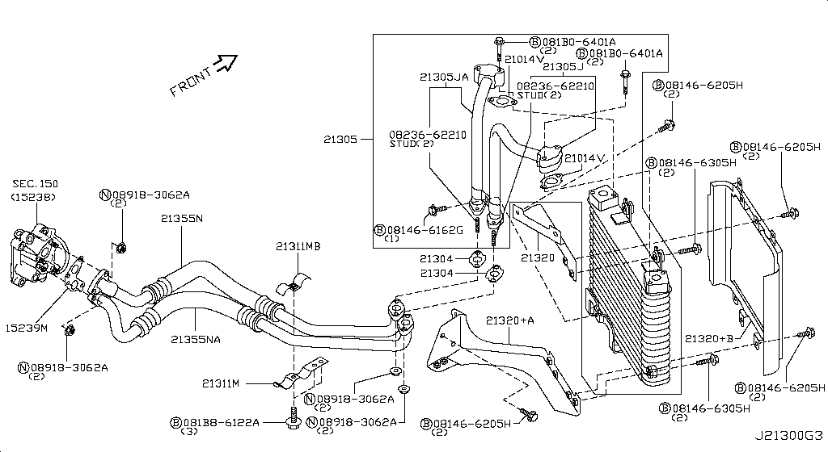 Specification: FITTING PARTS; App. model: VR38DETT • [11.2013-11.2014]

Ignition System
App. model: VR38DETT • [11.2013-11.2014]

Distributor & Ignition Timing Sensor
App. model: VR38DETT • [11.2013-11.2014]

Engine Control Vacuum Piping
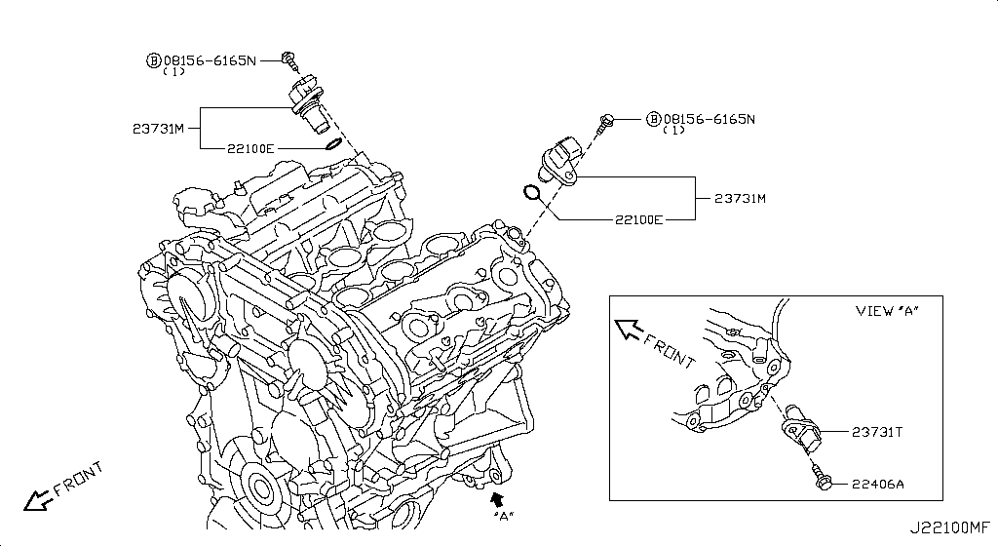 Specification: PIPING1&CANISTER; App. model: VR38DETT • [11.2013-11.2014]

Engine Control Module
App. model: VR38DETT • [11.2013-11.2014]

Alternator Fitting
App. model: VR38DETT • [11.2013-11.2014]

Alternator
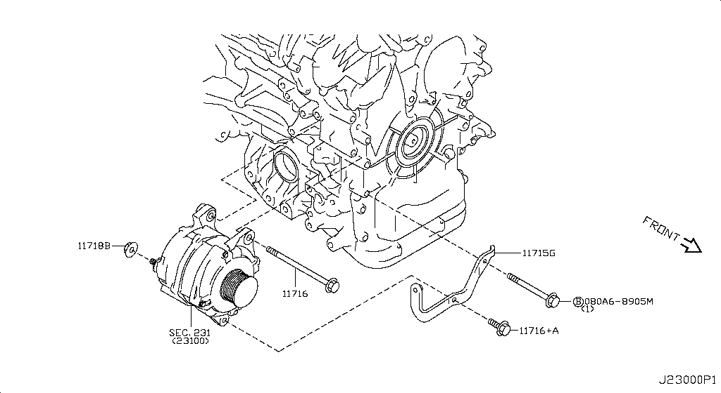 Specification: ALTERNATOR ASSY; App. model: VR38DETT • [11.2013-11.2014]

Starter Motor
App. model: VR38DETT • [11.2013-11.2014]

Wiring
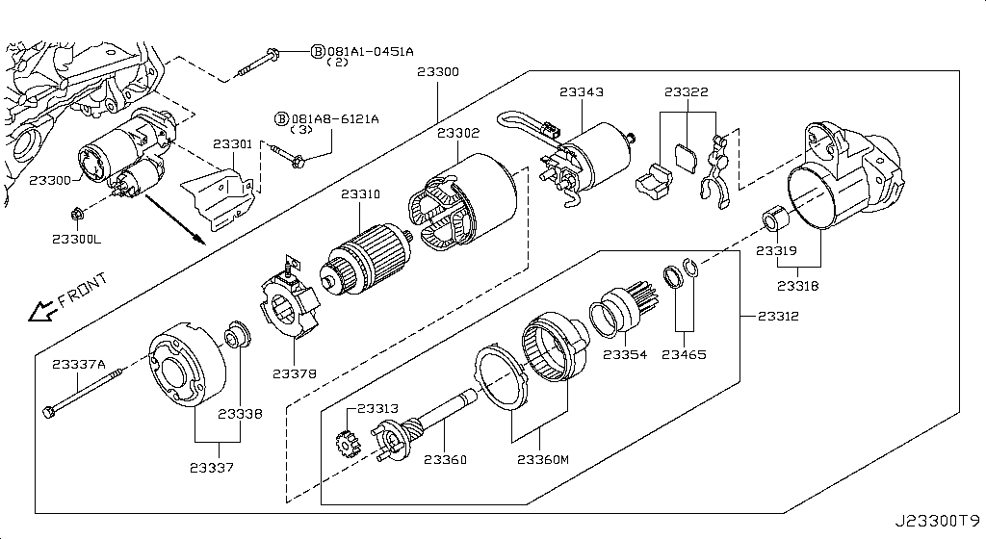 Specification: ALTNTR HARN; App. model: C • [11.2014-04.2016]

Battery & Battery Mounting
App. model: VR38DETT • [11.2013-11.2014]

Instrument Meter & Gauge
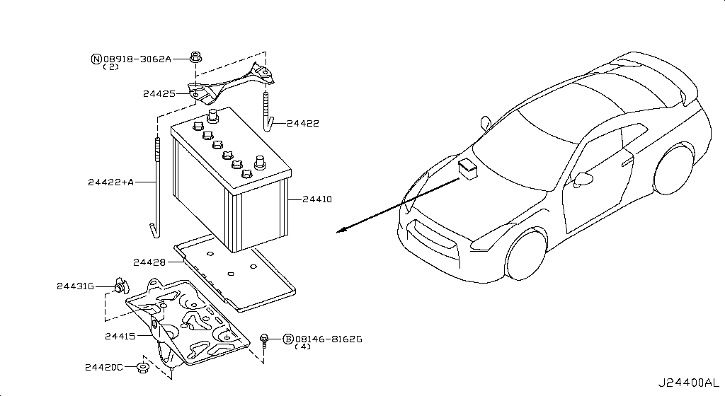 Specification: FRONT VIEW; App. model: C • [11.2013-11.2014]
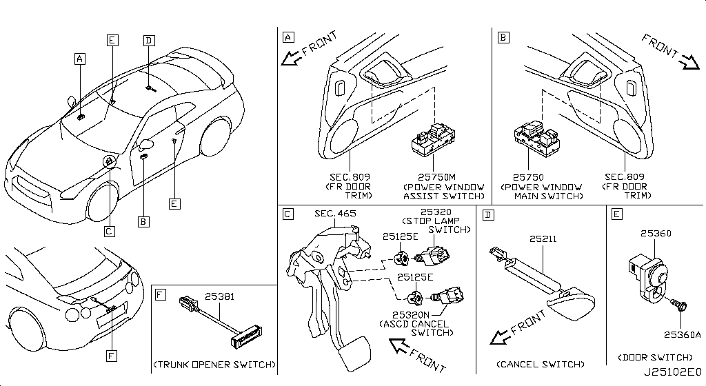
Switch
Specification: BODY; App. model: C • [11.2013-11.2014]

Relay
Specification: ENGINE ROOM; App. model: C • [11.2013-11.2014]

Electrical Unit
Specification: ENGINE ROOM; App. model: C • [11.2013-11.2014]

Headlamp
App. model: C • [11.2013-11.2014]

Front Combination Lamp
App. model: C • [11.2013-11.2014]

Side Marker Lamp
App. model: C • [11.2013-11.2014]

Room Lamp
App. model: C • [11.2013-11.2014]

Rear Combination Lamp
App. model: C • [11.2013-11.2014]

Licence Plate Lamp
Specification: LED; App. model: C • [07.2018-]

Lamps (Others)
App. model: C • [11.2013-11.2014]

High Mounting Stop Lamp
App. model: C • [11.2013-11.2014]

Heater & Blower Unit
Specification: HEATER-FR (2); App. model: C • [11.2013-11.2014]

Cooling Unit
App. model: C • [11.2013-11.2014]

Control Unit
App. model: C • [11.2013-11.2014]

Nozzle & Duct
App. model: C • [11.2013-11.2014]

Compressor
App. model: C • [11.2013-11.2014]

Compressor Mounting & Fitting
App. model: VR38DETT • [11.2013-11.2014]

Condenser,Liquid Tank & Piping
App. model: C • [11.2013-11.2014]

Heater Piping
App. model: C • [11.2013-11.2014]

Audio & Visual
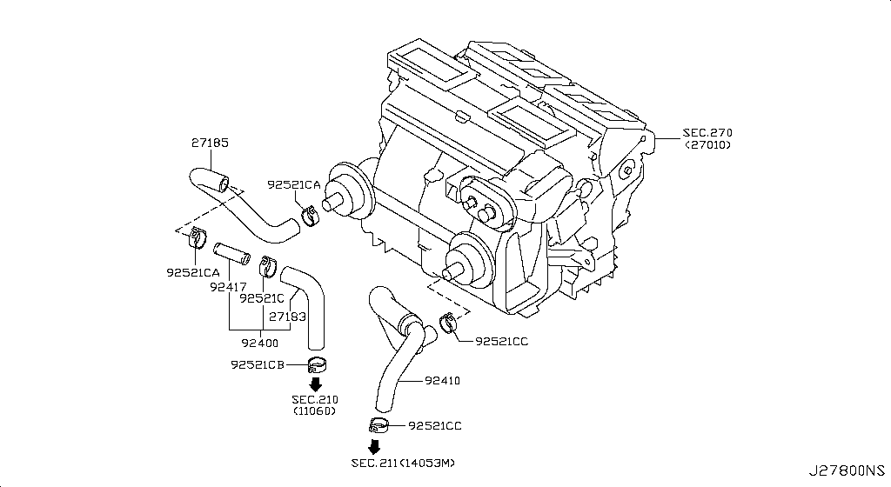 Specification: DATA LOGGER FOR NISMO; App. model: C • [11.2014-04.2016]

Telephone
App. model: C • [04.2016-08.2017]

Speaker
App. model: C • [11.2014-04.2016]

Windshield Wiper
App. model: C • [11.2013-11.2014]

Windshield Washer
App. model: C • [11.2013-11.2014]

Manual Transmission, Transaxle & Fitting
Specification: TCM & BRTHR; App. model: GR6 • [11.2013-11.2014]

Transmission Case & Clutch Release
App. model: GR6 • [11.2013-11.2014]

Transmission Shift Control
App. model: GR6 • [11.2013-11.2014]

Transfer Assembly & Fitting
App. model: VR38DETT • [11.2014-04.2016]

Transfer Case
App. model: VR38DETT • [11.2013-11.2014]

Transfer Gear
App. model: VR38DETT • [11.2013-11.2014]

Auto Transmission Control Device
App. model: VR38DETT • [11.2013-11.2014]

Transfer Control Parts
App. model: VR38DETT • [11.2013-11.2014]

Propeller Shaft
App. model: VR38DETT • [11.2013-11.2014]

Rear Final Drive
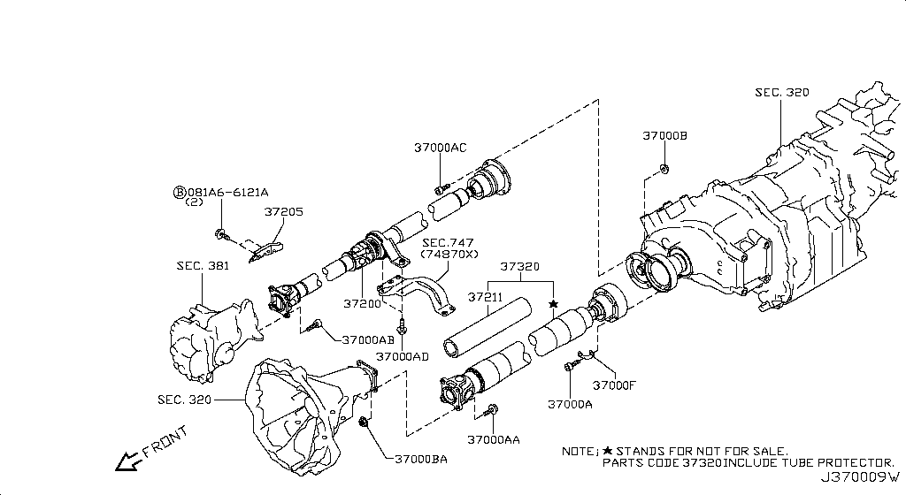 Specification: BRTHR PIPING; App. model: VR38DETT • [11.2013-11.2014]
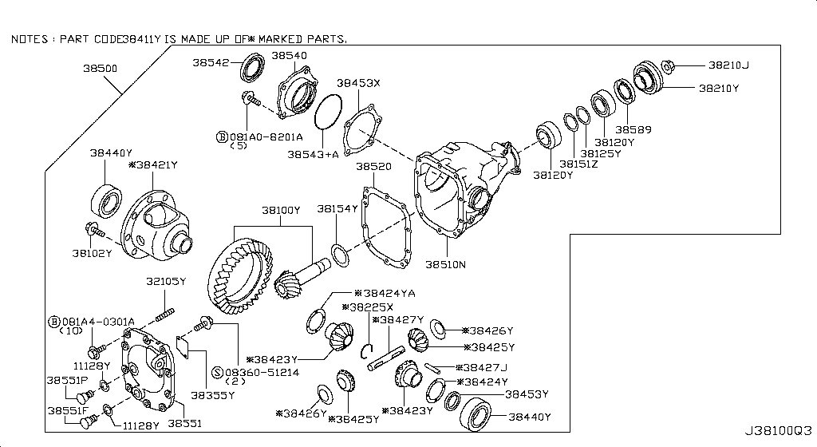
Front Final Drive
Specification: F/D; App. model: VR38DETT • [11.2013-11.2014]

Front Drive Shaft (Ff)
Specification: RH SIDE; App. model: VR38DETT • [11.2013-11.2014]

Rear Drive Shaft
Specification: RH SIDE; App. model: VR38DETT • [11.2013-11.2014]

Front Axle
App. model: VR38DETT • [11.2013-11.2014]

Front Suspension
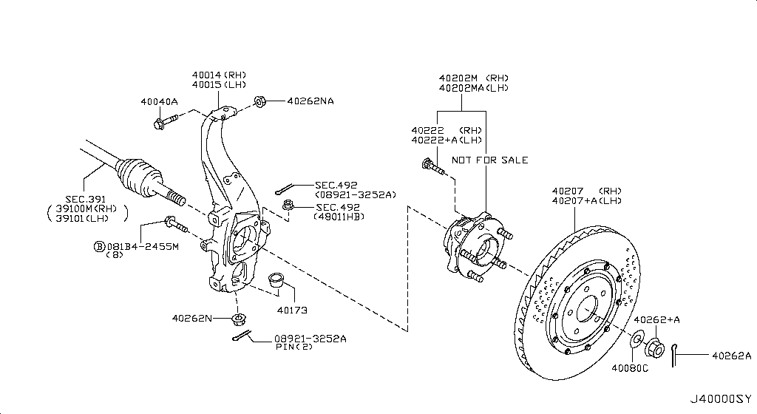 Specification: ABSORBER; App. model: VR38DETT • [11.2014-04.2016]

Rear Axle
App. model: VR38DETT • [11.2013-11.2014]

Rear Suspension
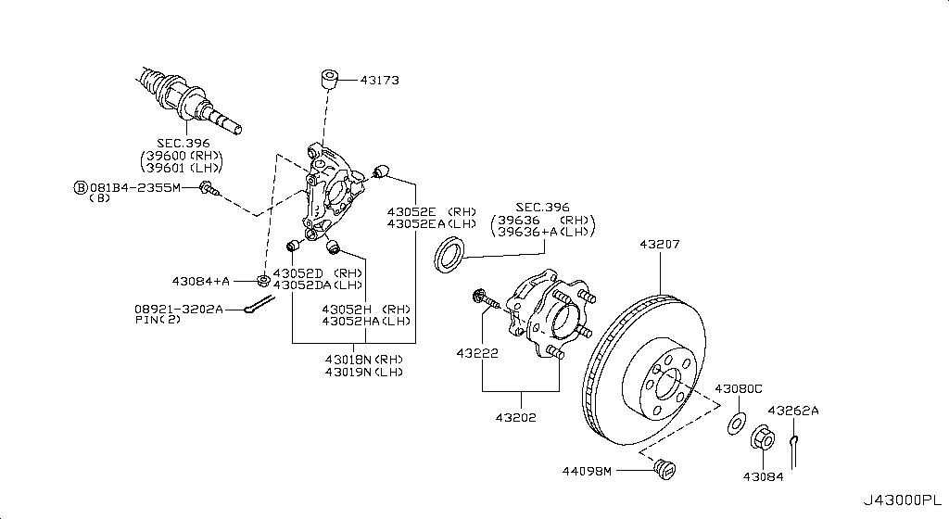 Specification: MEMBER[NISMO]; App. model: VR38DETT.NISMO • [06.2014-11.2014]

Road Wheel & Tire
Specification: 6SPOKE[NISMO]; App. model: C.NISMO • [06.2014-11.2014]

Front Brake
App. model: VR38DETT • [11.2013-11.2014]

Rear Brake
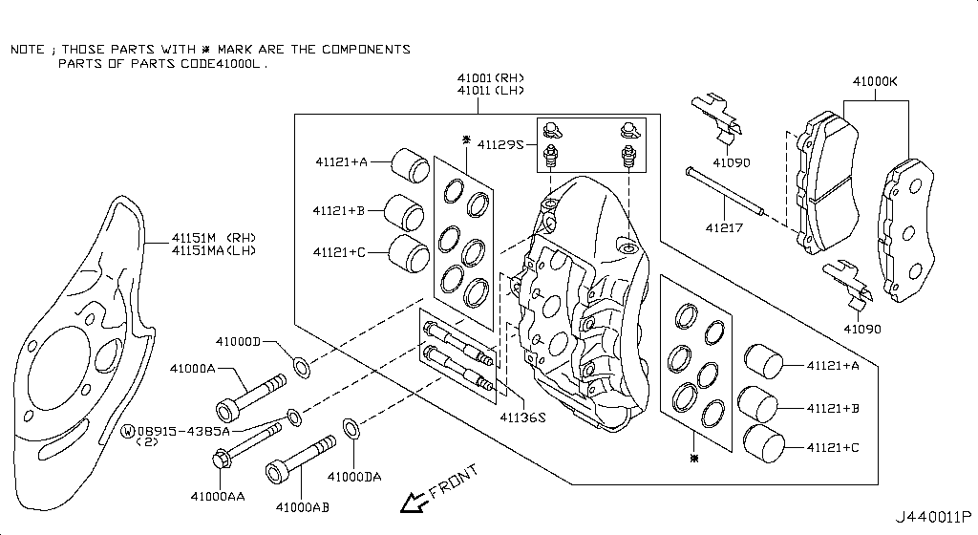 Specification: PARKING BRAKE; App. model: VR38DETT • [11.2013-11.2014]

Parking Brake Control
App. model: VR38DETT • [11.2013-11.2014]

Brake Master Cylinder
App. model: VR38DETT • [11.2013-11.2014]

Brake Piping & Control
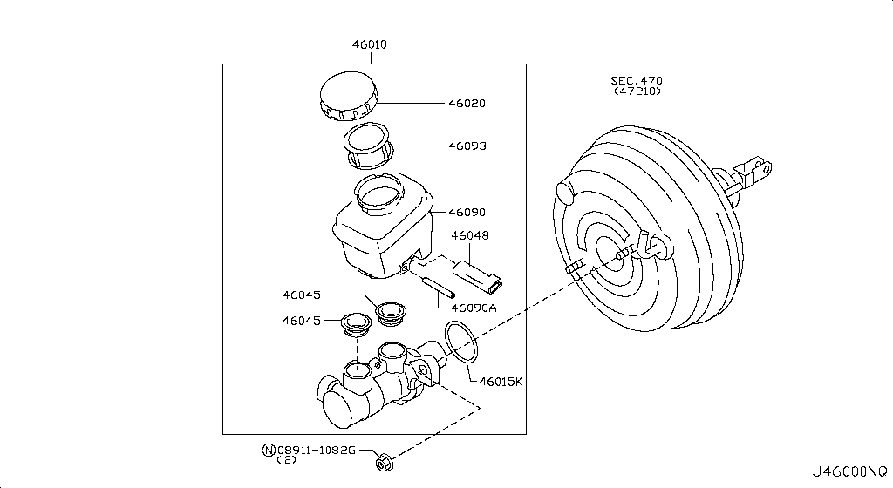 Specification: FRONT PIPING; App. model: C • [11.2013-11.2014]

Brake & Clutch Pedal
App. model: VR38DETT • [11.2013-11.2014]

Brake Servo & Servo Control
App. model: VR38DETT • [11.2013-11.2014]

Anti Skid Control
App. model: C • [11.2013-11.2014]

Steering Gear Mounting
App. model: VR38DETT • [11.2013-11.2014]

Steering Wheel
App. model: C • [11.2013-11.2014]

Steering Column Shell Cover
App. model: C • [07.2018-]

Steering Column
App. model: VR38DETT • [11.2013-11.2014]

Power Steering Pump
App. model: VR38DETT • [11.2013-11.2014]

Power Steering Gear
App. model: VR38DETT • [11.2013-11.2014]

Power Steering Pump Mounting
App. model: C • [11.2013-11.2014]

Power Steering Piping
App. model: VR38DETT • [11.2013-11.2014]

Front Bumper
Specification: NISMO; App. model: C.NISMO • [07.2016-07.2018]

Front Apron & Radiator Core Support
App. model: C • [11.2013-11.2014]

Front Fender & Fitting
App. model: C • [11.2013-11.2014]

Hood Ledge & Fitting
Specification: PLUG; App. model: C • [11.2013-11.2014]

Hood Panel,Hinge & Fitting
App. model: C • [11.2013-11.2014]

Hood Lock Control
App. model: C • [11.2013-11.2014]

Cowl Top & Fitting
App. model: C • [11.2013-11.2014]

Dash Panel & Fitting
App. model: C • [11.2013-11.2014]

Dash Trimming & Fitting
App. model: C • [11.2013-11.2014]

Instrument Panel,Pad & Cluster Lid
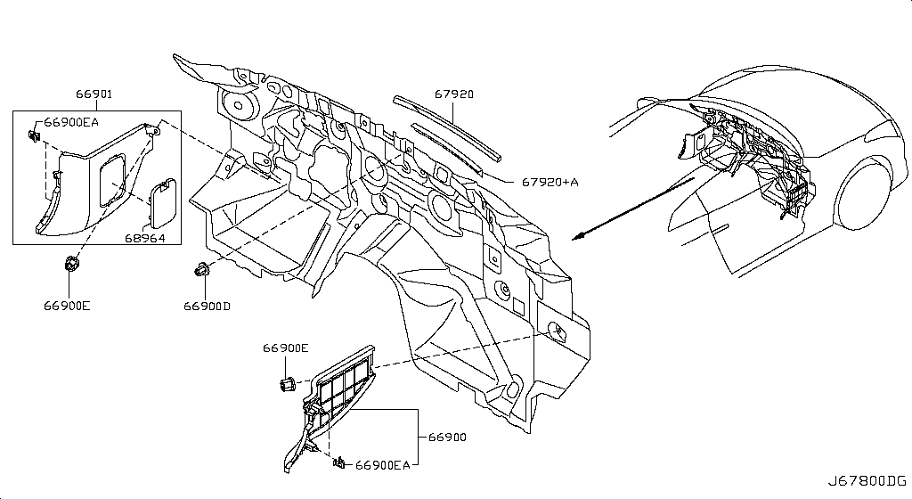 Specification: INST PAD & CLUSTER LID; App. model: C • [11.2013-11.2014]

Ventilator
App. model: C • [07.2016-08.2017]

Front Windshield
App. model: C • [11.2013-11.2014]

Roof Panel & Fitting
Specification: STD ROOF; App. model: C • [11.2013-11.2014]

Roof Trimming
App. model: C • [11.2013-11.2014]

Floor Panel
App. model: C • [11.2013-11.2014]

Floor Panel (Rear)
App. model: C • [11.2013-11.2014]

Floor Fitting
Specification: FRONT NISMO; App. model: C • [06.2014-11.2014]

Floor Fitting
Specification: INSUL; App. model: C • [11.2013-11.2014]

Floor Trimming
App. model: C • [11.2013-11.2014]

Member & Fitting
App. model: C • [11.2013-11.2014]

Body Side Panel
Specification: FRONT; App. model: C • [11.2013-11.2014]

Body Side Moulding
App. model: C • [11.2013-11.2014]

Body Side Fitting
Specification: PLUG&INSULATER; App. model: C • [11.2013-11.2014]

Body Side Trimming
App. model: C • [11.2013-11.2014]

Rear Fender & Fitting
App. model: C • [11.2013-11.2014]

Rear,Back Panel & Fitting
App. model: C • [11.2013-11.2014]

Rear Window
App. model: C • [11.2013-11.2014]

Rear & Back Panel Trimming
Specification: NORMAL GRILLE; App. model: C • [11.2013-11.2014]

Front Door Panel & Fitting
App. model: C • [11.2013-11.2014]

Front Door Window & Regulator
App. model: C • [11.2013-11.2014]

Front Door Lock & Handle
App. model: C • [11.2013-11.2014]

Front Door Trimming
App. model: C • [08.2017-]

Side Window
App. model: C • [11.2013-11.2014]

Trunk Lid & Fitting
Specification: NOMAL; App. model: C • [11.2013-11.2014]

Trunk Opener
App. model: C • [11.2013-11.2014]

Trunk & Luggage Room Trimming
App. model: C • [11.2014-04.2016]

Rear Bumper
App. model: C.NISMO • [06.2014-07.2018]

Front Seat Belt
App. model: C • [11.2013-11.2014]

Rear Seat Belt
App. model: C • [11.2013-11.2014]

Front Seat
Specification: RH SEAT; App. model: C • [11.2013-11.2014]

Rear Seat
App. model: C • [11.2013-11.2014]

Air Spoiler
Specification: NISMO; App. model: C • [06.2014-11.2014]

Rear View Mirror
App. model: C • [11.2013-11.2014]

Sunvisor
App. model: C • [11.2013-11.2014]

Console Box
App. model: C • [11.2013-11.2014]

Emblem & Name Label
Specification: NISMO; App. model: C • [06.2014-11.2014]
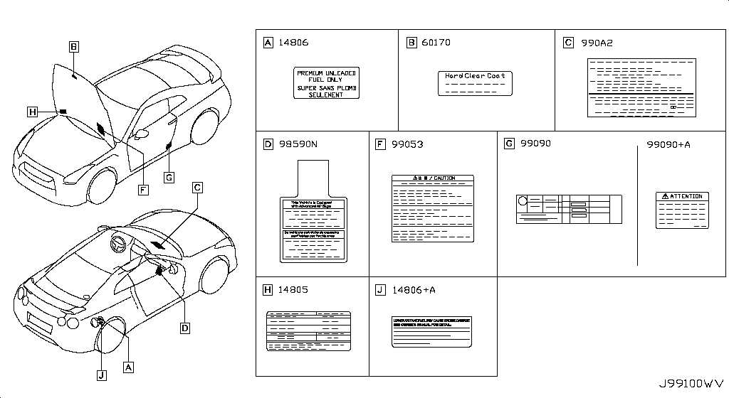
Caution Plate & Label
App. model: C • [04.2016-08.2017]
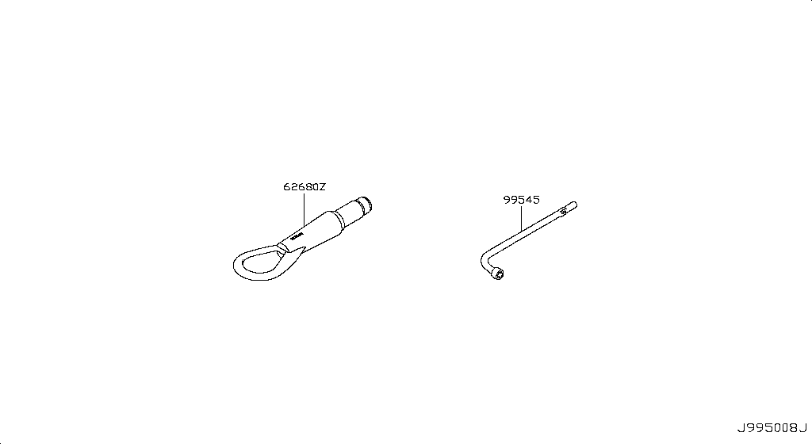
Tool Kit & Maintenance Manual
App. model: C • [08.2017-]
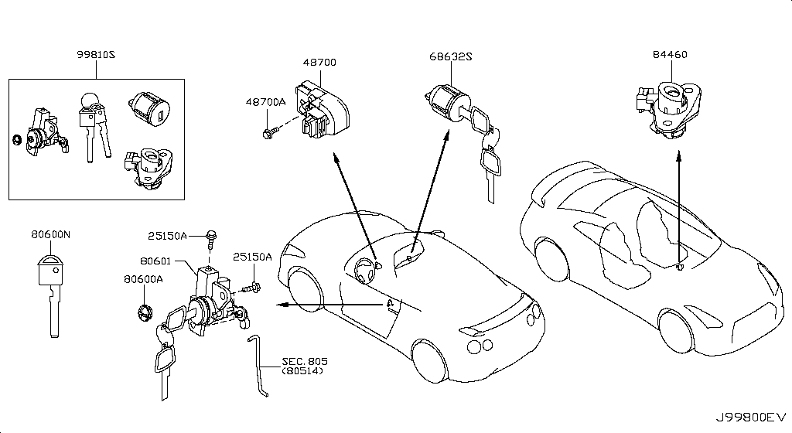
Key Set & Blank Key

Sheet1
https://yoshiparts.com/
https://www.amayama.com/
https://www.nissanpartsdeal.com/

A0A01-JF00A | full gasket kit engine | A0A01-JF00A Gasket-Engine Nissan | YoshiParts
11145-JF00A | oil level sensor
12279-AD200 | rear crank seal
11110-38B0A | but need 2024 CRANKCASE
11040-JF00A | cylinder heads L
11090-JF00A | cylinder heads R
11340-JF00C | insulator mount trans rear x2
11320-JF00B | insulator mount trans front x2
11220-6AV0A | front mount left and right x2
11270-JF00C | engine mount REAR MIDDLE X1
32040-6AV0A | BELL HOUSING
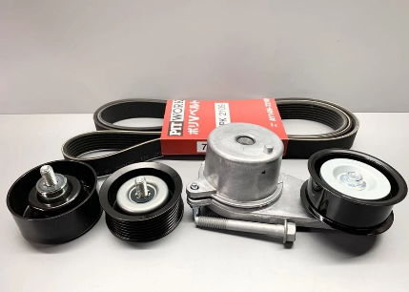
Genuine Nissan R35 GT-R VR38DETT Engine Tensioner Idle Pulley + Belt Set | #VALUE! |  |  |  |  | FULL KIT PULLEY AND BELT

12111-JF00A | Applies: VR38DETT; Specification: STD=0 |  |  | 8.2017 |  | connecting rod bush
12111-JF01A | Applies: VR38DETT; Specification: STD=1 |  |  | 8.2017
12111-JF02A | Applies: VR38DETT; Specification: STD=2 |  |  | 8.2017
12111-JF03A | Applies: VR38DETT; Specification: STD=3 |  |  | 8.2017
12111-JF04A | Applies: VR38DETT; Specification: STD=4 |  |  | 8.2017
12117-JF00A | Applies: VR38DETT; Specification: US=0.25 |  |  | 8.2017

12208M - WASHER-THRUST
12280-JK20A | WASHER FOR BEARINGS

12309-JF00A | PULLEY BOLT for crankshaft
Bolt-Pulley
New Genuine

13021-JF00A | GEAR CRANK
Gear Crank
New Genuine

00926-51600 | KEY FOR CRANK
Key

12207-JF00A | Applies: VR38DETT; Specification: STD GRADE 0 |  |  | 08.2017 - ... |  | BEARING ALL SIZES

12207-JF00B | Applies: VR38DETT; Specification: STD GRADE 01 |  |  | 08.2017 - ...

12207-JF01A | Applies: VR38DETT; Specification: STD GRADE 1 |  |  | 08.2017 - ...

12207-JF01B | Applies: VR38DETT; Specification: STD GRADE 12 |  |  | 08.2017 - ...

12207-JF02A | Applies: VR38DETT; Specification: STD GRADE 2 |  |  | 08.2017 - ...

12207-JF02B | Applies: VR38DETT; Specification: STD GRADE 23 |  |  | 08.2017 - ...

12207-JF03A | Applies: VR38DETT; Specification: STD GRADE 3 |  |  | 08.2017 - ...

12207-JF03B | Applies: VR38DETT; Specification: STD GRADE 34 |  |  | 08.2017 - ...

12207-JF04A | Applies: VR38DETT; Specification: STD GRADE 4 |  |  | 08.2017 - ...

12207-JF04B | Applies: VR38DETT; Specification: STD GRADE 45 |  |  | 08.2017 - ...

12207-JF05A | Applies: VR38DETT; Specification: STD GRADE 5 |  |  | 08.2017 - ...

12207-JF05B | Applies: VR38DETT; Specification: STD GRADE 56 |  |  | 08.2017 - ...

12207-JF06A | Applies: VR38DETT; Specification: STD GRADE 6 |  |  | 08.2017 - ...

12207-JF06B | Applies: VR38DETT; Specification: STD GRADE 67 |  |  | 08.2017 - ...

12207-JF07A | Applies: VR38DETT; Specification: STD GRADE 7 |  |  | 08.2017 - ...

23796+A - SOLENOID VALVE ASSY-VALVE TIMING CONTROL
23796-AU00D

23796 - SOLENOID VALVE ASSY-VALVE TIMING CONTROL
23796-JK24B | Applies: VR38DETT; Specification: RH |  |  | 04.2016 - 08.2017 | 1

13510-31U10 | FRONT CRANK SEAL
Seal-Oil,Cranks

13500-JF01A | FRONT COVER SECOND PART ON CAM
Cover Assy-Fron

13035 - COVER ASSY-FRONT,TIMING CHAIN |  |  |  |  |  | FRONT COVER ATTACH VVTI
13500-80B0A

OIL PUMP ASSEMBLY
Genuine Nissan (15010JF00B)

13270+A - GASKET-ROCKER COVER
13270-JF01A

13270 - GASKET-ROCKER COVER
13270-JF00A

ENGINE OIL PAN ASSEMBLY 2024

OIL FILTER ADAPTER 2024

OIL COOLER KIT PIPE

17040 - FUEL PUMP-IN TANK |  |  |  |  |  | FUEL HANGER
17040-89S0A

17342 - SEAL-O RING,FUEL GAUGE |  |  |  |  |  | HANGER O RING
17342-CE800

17201 - TANK ASSY-FUEL |  |  |  |  |  | FUEL TANL
17202-80B1A

 |  |  |  |  |  | WATER PUMP
21010 - PUMP ASSY-WATER
B1010-JK20A

21200 - THERMOSTAT ASSY |  |  |  |  |  |  |  | BEST OPTION FOR COOLING THEN DODSON
21200-JF01A | Applies: VR38DETT |  |  | 03.2008 - 12.2010 | 1 | 366.35

21200-KB50A | Applies: VR38DETT |  |  | 08.2017 - ... | 1 | 368.31

21200-KB50A

11060 - OUTLET-WATER
11060-62B1A

14053MA - PIPE-WATER |  |  |  |  |  | WATER PIPE UNDER INTAKE
21021-JF00A

21305JA - ELEMENT-OIL COOLER |  |  |  |  |  | PIPES ON OIL COOLER HARD LINE
21355-JF01A

21493N - FAN CONTROL MODULE |  |  |  |  |  | MODULE
21493-4GA0A

21591 - MOTOR ASSY-FAN |  |  |  |  |  | 2024 FAN MOTOR
21487-JF01B

21591+A - MOTOR ASSY-FAN
21487-JF00B

COIL ASSEMBLY, IGNITION
Genuine Nissan (22448JF00B)

23731M - CAMSHAFT POSITION SENSOR

23731-JA11B

23731T - CRANKSHAFT POSITION SENSOR

23731-JA10C | Applies: VR38DETT |  |  | 08.2017 - ... | 1 | 191.56

23731-JA10C

22693+A - AIR FUEL RATIO SENSOR
22693-JF00B

22693 - AIR FUEL RATIO SENSOR
22693-JF00A

22060P - KNOCK SENSOR
22060-JK20A

24080 - CABLE ASSY-BATTERY EARTH |  |  |  |  |  |  | GROUND CABLE BATTERY
24080-JF10A | Applies: C |  |  | 03.2008 - 12.2010 | 1 | 109.71

24080-KB10A

24381M - HOLDER-FUSIBLE LINK
24380-79915

284B7 - CONTROLLER UNIT-IPDM ENGINE ROOM |  |  |  |  |  |  | IPDM NEAR BATTERY
284B7-62B6A | Applies: C |  |  | 08.2017 - ... | 1 | 1,267.31

284B7-62B6A | Applies: C |  |  | 11.2013 - 11.2014 | 1 | 1,267.31

284B7-62B6A | Applies: C |  |  | 04.2016 - 08.2017 | 1 | 1,267.31

284B7-62B6A | Applies: C |  |  | 11.2014 - 04.2016 | 1 | 1,267.31

284B7-JF01A

24078 - HARNESS-EGI |  |  |  |  |  |  | ENGINE HARNESS
24011-6AW0A | Applies: C |  |  | 08.2017 - 07.2018 | 1 | 1,590.19

24011-6AW0A | Applies: C.(PURE+BLACK+PREMIUM) |  |  | 04.2016 - 07.2016 | 1 | 1,590.19

24011-6AW0A | Applies: C |  |  | 07.2016 - 08.2017 | 1 | 1,590.19

24011-6HS0A | Applies: C |  |  | 07.2018 - ... | 1 | Out of stock

24011-JF10A | Applies: C |  |  | 03.2008 - 12.2010 | 1 | Out of stock

24011-KB10A | Applies: C.(TRACK+NISMO) |  |  | 04.2016 - 07.2016 | 1 | Out of stock

24011-KB10A | Applies: C |  |  | 11.2013 - 11.2014 | 1 | Out of stock

24011-KB10A | Applies: C |  |  | 11.2014 - 04.2016 | 1 | Out of stock

24011-KB10A

24350P - BLOCK ASSY-JUNCTION |  |  |  |  |  |  | IN CAR FUSE BOX
24350-JF00A | Applies: C |  |  | 03.2008 - 10.2009 | 1 | 352.48

24350-JW90A | Applies: C |  |  | 10.2009 - 12.2010 | 1 | 178.66

24350-KB50A | Applies: C |  |  | 12.2010 - 07.2012 | 1 | 178.66

24350-KB51A | Applies: C |  |  | 08.2017 - ... | 1 | 178.66

24350-KB51A | Applies: C |  |  | 11.2013 - 11.2014 | 1 | 178.66

24350-KB51A | Applies: C |  |  | 04.2016 - 08.2017 | 1 | 178.66

24350-KB51A | Applies: C |  |  | 11.2014 - 04.2016 | 1 | 178.66

24350-KB51A

24014 - HARNESS-BODY |  |  |  |  |  |  | TCM HARNESS
24014-38B1A | Applies: C.PURE |  |  | 11.2012 - 11.2013 | 1 | Out of stock

24014-38B1B | Applies: *C.PURE |  |  | 11.2012 - 11.2013 | 1 | Out of stock
 | SpecCode: [SPKRB] BOSE AUDIO
24014-62B3A | Applies: C.PURE |  |  | 11.2013 - 11.2014 | 1 | Out of stock

24014-62B3B | Applies: C.TRACK |  |  | 04.2016 - 07.2016 | 1 | Out of stock

24014-62B3B | Applies: *C.PURE |  |  | 11.2013 - 11.2014 | 1 | Out of stock
 | SpecCode: [SPKRB] BOSE AUDIO
24014-62B3B | Applies: C.(TRACK+BLACK+PREMIUM+NISMOPKG) |  |  | 11.2014 - 04.2016 | 1 | Out of stock

24014-6AW0A | Applies: C.PURE |  |  | 04.2016 - 08.2017 | 1 | Out of stock

24014-6AW0B | Applies: C.(TRACK+BLACK+PREMIUM) |  |  | 07.2016 - 08.2017 | 1 | Out of stock

24014-6HR0D | Applies: C.PURE |  |  | 08.2017 - ... | 1 | Out of stock

24014-6HR0E | Applies: C.(TRACK+PREMIUM) |  |  | 08.2017 - 07.2018 | 1 | Out of stock

24014-6HS0E | Applies: C.(TRACK+PREMIUM) |  |  | 07.2018 - ... | 1 | Out of stock

24014-JF10A | Applies: C |  |  | 03.2008 - 12.2010 | 1 | Out of stock

24014-JF10B | Applies: *C |  |  | 03.2008 - 12.2010 | 1 | Out of stock
 | SpecCode: [ABAGS] SIDE AND CURTAIN AIRBAG
24014-JF10B | Applies: *C |  |  | 03.2008 - 12.2010 | 1 | Out of stock
 | SpecCode: [ABAGS] SIDE AND CURTAIN AIRBAG; [STDVM] F/SEAT HEATER
24014-JF10B | Applies: *C |  |  | 03.2008 - 12.2010 | 1 | Out of stock
 | SpecCode: [STDVM] F/SEAT HEATER
24014-JF10C | Applies: *C |  |  | 03.2008 - 12.2010 | 1 | Out of stock
 | SpecCode: [ABAGS] SIDE AND CURTAIN AIRBAG; [SPKRB] BOSE AUDIO
24014-JF10C | Applies: *C |  |  | 03.2008 - 12.2010 | 1 | Out of stock
 | SpecCode: [ABAGS] SIDE AND CURTAIN AIRBAG; [SPKRB] BOSE AUDIO; [STDVM] F/SEAT HEATER
24014-JF10C | Applies: *C |  |  | 03.2008 - 12.2010 | 1 | Out of stock
 | SpecCode: [SPKRB] BOSE AUDIO
24014-JF10C | Applies: *C |  |  | 03.2008 - 12.2010 | 1 | Out of stock
 | SpecCode: [SPKRB] BOSE AUDIO; [STDVM] F/SEAT HEATER
24014-JF81A | Applies: *C |  |  | 03.2008 - 12.2008 | 1 | Out of stock
 | SpecCode: [ABAGS] SIDE AND CURTAIN AIRBAG; [REGFY] FOR KOREA
24014-JF81A | Applies: *C |  |  | 04.2009 - 12.2010 | 1 | Out of stock
 | SpecCode: [ABAGS] SIDE AND CURTAIN AIRBAG; [REGFY] FOR KOREA
24014-JF81A | Applies: *C |  |  | 03.2008 - 12.2008 | 1 | Out of stock
 | SpecCode: [ABAGS] SIDE AND CURTAIN AIRBAG; [REGFY] FOR KOREA; [STDVM] F/SEAT HEATER
24014-JF81A | Applies: *C |  |  | 12.2009 - 12.2010 | 1 | Out of stock
 | SpecCode: [ABAGS] SIDE AND CURTAIN AIRBAG; [REGFY] FOR KOREA; [STDVM] F/SEAT HEATER
24014-JF81A | Applies: *C |  |  | 04.2009 - 12.2009 | 1 | Out of stock
 | SpecCode: [ABAGS] SIDE AND CURTAIN AIRBAG; [STDVM] F/SEAT HEATER; [REGFY] FOR KOREA
24014-JF81A | Applies: *C |  |  | 03.2008 - 12.2008 | 1 | Out of stock
 | SpecCode: [REGFY] FOR KOREA
24014-JF81A | Applies: *C |  |  | 04.2009 - 12.2010 | 1 | Out of stock
 | SpecCode: [REGFY] FOR KOREA
24014-JF81A | Applies: *C |  |  | 03.2008 - 12.2008 | 1 | Out of stock
 | SpecCode: [REGFY] FOR KOREA; [STDVM] F/SEAT HEATER
24014-JF81A | Applies: *C |  |  | 12.2009 - 12.2010 | 1 | Out of stock
 | SpecCode: [REGFY] FOR KOREA; [STDVM] F/SEAT HEATER
24014-JF81A | Applies: *C |  |  | 04.2009 - 12.2009 | 1 | Out of stock
 | SpecCode: [STDVM] F/SEAT HEATER; [REGFY] FOR KOREA
24014-JF81B | Applies: *C |  |  | 03.2008 - 12.2008 | 1 | Out of stock
 | SpecCode: [ABAGS] SIDE AND CURTAIN AIRBAG; [REGFY] FOR KOREA; [SPKRB] BOSE AUDIO
24014-JF81B | Applies: *C |  |  | 12.2009 - 12.2010 | 1 | Out of stock
 | SpecCode: [ABAGS] SIDE AND CURTAIN AIRBAG; [REGFY] FOR KOREA; [SPKRB] BOSE AUDIO
24014-JF81B | Applies: *C |  |  | 03.2008 - 12.2008 | 1 | Out of stock
 | SpecCode: [ABAGS] SIDE AND CURTAIN AIRBAG; [REGFY] FOR KOREA; [SPKRB] BOSE AUDIO; [STDVM] F/SEAT HEATER
24014-JF81B | Applies: *C |  |  | 12.2009 - 12.2010 | 1 | Out of stock
 | SpecCode: [ABAGS] SIDE AND CURTAIN AIRBAG; [REGFY] FOR KOREA; [SPKRB] BOSE AUDIO; [STDVM] F/SEAT HEATER
24014-JF81B | Applies: *C |  |  | 03.2008 - 12.2008 | 1 | Out of stock
 | SpecCode: [REGFY] FOR KOREA; [SPKRB] BOSE AUDIO
24014-JF81B | Applies: *C |  |  | 12.2009 - 12.2010 | 1 | Out of stock
 | SpecCode: [REGFY] FOR KOREA; [SPKRB] BOSE AUDIO
24014-JF81B | Applies: *C |  |  | 03.2008 - 12.2008 | 1 | Out of stock
 | SpecCode: [REGFY] FOR KOREA; [SPKRB] BOSE AUDIO; [STDVM] F/SEAT HEATER
24014-JF81B | Applies: *C |  |  | 12.2009 - 12.2010 | 1 | Out of stock
 | SpecCode: [REGFY] FOR KOREA; [SPKRB] BOSE AUDIO; [STDVM] F/SEAT HEATER
24014-JF81B | Applies: *C |  |  | 04.2009 - 12.2009 | 1 | Out of stock
 | SpecCode: [SPKRB] BOSE AUDIO; [ABAGS] SIDE AND CURTAIN AIRBAG; [REGFY] FOR KOREA
24014-JF81B | Applies: *C |  |  | 04.2009 - 12.2009 | 1 | Out of stock
 | SpecCode: [SPKRB] BOSE AUDIO; [ABAGS] SIDE AND CURTAIN AIRBAG; [STDVM] F/SEAT HEATER; [REGFY] FOR KOREA
24014-JF81B | Applies: *C |  |  | 04.2009 - 12.2009 | 1 | Out of stock
 | SpecCode: [SPKRB] BOSE AUDIO; [REGFY] FOR KOREA
24014-JF81B | Applies: *C |  |  | 04.2009 - 12.2009 | 1 | Out of stock
 | SpecCode: [SPKRB] BOSE AUDIO; [STDVM] F/SEAT HEATER; [REGFY] FOR KOREA
24014-KB10A | Applies: C.PURE |  |  | 12.2010 - 11.2011 | 1 | Out of stock

24014-KB12B | Applies: *C.PURE |  |  | 12.2010 - 11.2011 | 1 | Out of stock
 | SpecCode: [SPKRB] BOSE AUDIO
24014-KJ11A | Applies: C.PURE |  |  | 11.2011 - 11.2012 | 1 | Out of stock

24014-KJ11B | Applies: *C.PURE |  |  | 11.2011 - 11.2012 | 1
 | SpecCode: [SPKRB] BOSE AUDIO

24017M - HARNESS-SUB,BODY |  |  |  |  |  |  | AWD HARNESS
24017-38B1A | Applies: C |  |  | 11.2012 - 11.2013 | 1 | Out of stock

24017-62B3A | Applies: C.(TRACK+NISMO) |  |  | 04.2016 - 07.2016 | 1 | Out of stock

24017-62B3A | Applies: C |  |  | 11.2013 - 11.2014 | 1 | Out of stock

24017-62B3A | Applies: C |  |  | 11.2014 - 04.2016 | 1 | Out of stock

24017-6AW0A | Applies: C.(PURE+BLACK+PREMIUM) |  |  | 04.2016 - 07.2016 | 1 | Out of stock

24017-6AW0A | Applies: C |  |  | 07.2016 - 08.2017 | 1 | Out of stock

24017-6HR0A | Applies: C |  |  | 08.2017 - ... | 1 | Out of stock

24017-JF10A | Applies: C |  |  | 03.2008 - 12.2010 | 1 | Out of stock

24017-JF10B | Applies: *C |  |  | 03.2008 - 12.2010 | 1 | Out of stock
 | SpecCode: [ABAGS] SIDE AND CURTAIN AIRBAG
24017-JF10B | Applies: *C |  |  | 03.2008 - 12.2009 | 1 | Out of stock
 | SpecCode: [ABAGS] SIDE AND CURTAIN AIRBAG; [SPKRB] BOSE AUDIO
24017-JF10B | Applies: *C |  |  | 03.2008 - 12.2009 | 1 | Out of stock
 | SpecCode: [ABAGS] SIDE AND CURTAIN AIRBAG; [SPKRB] BOSE AUDIO; [STDVM] F/SEAT HEATER
24017-JF10B | Applies: *C |  |  | 03.2008 - 12.2010 | 1 | Out of stock
 | SpecCode: [ABAGS] SIDE AND CURTAIN AIRBAG; [STDVM] F/SEAT HEATER
24017-JF10B | Applies: *C |  |  | 03.2008 - 12.2009 | 1 | Out of stock
 | SpecCode: [SPKRB] BOSE AUDIO; [STDVM] F/SEAT HEATER
24017-JF10B | Applies: *C |  |  | 03.2008 - 12.2010 | 1 | Out of stock
 | SpecCode: [STDVM] F/SEAT HEATER
24017-JF81A | Applies: *C |  |  | 03.2008 - 12.2008 | 1 | 2,203.67
 | SpecCode: [ABAGS] SIDE AND CURTAIN AIRBAG; [REGFY] FOR KOREA
24017-JF81A | Applies: *C |  |  | 04.2009 - 12.2010 | 1 | 2,203.67
 | SpecCode: [ABAGS] SIDE AND CURTAIN AIRBAG; [REGFY] FOR KOREA
24017-JF81A | Applies: *C |  |  | 03.2008 - 12.2008 | 1 | 2,203.67
 | SpecCode: [ABAGS] SIDE AND CURTAIN AIRBAG; [REGFY] FOR KOREA; [STDVM] F/SEAT HEATER
24017-JF81A | Applies: *C |  |  | 12.2009 - 12.2010 | 1 | 2,203.67
 | SpecCode: [ABAGS] SIDE AND CURTAIN AIRBAG; [REGFY] FOR KOREA; [STDVM] F/SEAT HEATER
24017-JF81A | Applies: *C |  |  | 04.2009 - 12.2009 | 1 | 2,203.67
 | SpecCode: [ABAGS] SIDE AND CURTAIN AIRBAG; [STDVM] F/SEAT HEATER; [REGFY] FOR KOREA
24017-JF81A | Applies: *C |  |  | 03.2008 - 12.2008 | 1 | 2,203.67
 | SpecCode: [REGFY] FOR KOREA
24017-JF81A | Applies: *C |  |  | 04.2009 - 12.2010 | 1 | 2,203.67
 | SpecCode: [REGFY] FOR KOREA
24017-JF81A | Applies: *C |  |  | 03.2008 - 12.2008 | 1 | 2,203.67
 | SpecCode: [REGFY] FOR KOREA; [STDVM] F/SEAT HEATER
24017-JF81A | Applies: *C |  |  | 12.2009 - 12.2010 | 1 | 2,203.67
 | SpecCode: [REGFY] FOR KOREA; [STDVM] F/SEAT HEATER
24017-JF81A | Applies: *C |  |  | 04.2009 - 12.2009 | 1 | 2,203.67
 | SpecCode: [STDVM] F/SEAT HEATER; [REGFY] FOR KOREA
24017-KB10A | Applies: C |  |  | 12.2010 - 11.2011 | 1 | Out of stock

24017-KJ11A | Applies: C |  |  | 11.2011 - 11.2012 | 1 | Out of stock

24012 - HARNESS-ENGINE ROOM |  |  |  |  |  |  | ENGINE ROOM
24012-62B3A | Applies: C.(TRACK+NISMO) |  |  | 04.2016 - 07.2016 | 1 | Out of stock

24012-62B3A | Applies: C |  |  | 11.2013 - 11.2014 | 1 | Out of stock

24012-62B3A | Applies: C |  |  | 11.2014 - 04.2016 | 1 | Out of stock

24012-6AW0A | Applies: C.(PURE+BLACK+PREMIUM) |  |  | 04.2016 - 07.2016 | 1 | Out of stock

24012-6AW0A | Applies: C |  |  | 07.2016 - 08.2017 | 1 | Out of stock

24012-6HR0A | Applies: C |  |  | 08.2017 - ... | 1 | Out of stock

24012-JF10A | Applies: C |  |  | 03.2008 - 12.2010 | 1 | Out of stock

24012-JF81A | Applies: *C |  |  | 03.2008 - 12.2008 | 1 | Out of stock
 | SpecCode: [REGFY] FOR KOREA
24012-JF81A | Applies: *C |  |  | 04.2009 - 12.2010 | 1 | Out of stock
 | SpecCode: [REGFY] FOR KOREA
24012-KB10A | Applies: C |  |  | 12.2010 - 02.2013 | 1 | Out of stock

24012-KB11A | Applies: C |  |  | 02.2013 - 11.2013 | 1 | Out of stock

OEM |  |  | Name / Details | Period | Req. | Price from, AED | DASHBOARD HARNESS
24010 - HARNESS-MAIN
24010-38B1A | Applies: C.PURE |  |  | 11.2012 - 11.2013 | 1 | Out of stock

24010-38B1B | Applies: *C.PURE |  |  | 11.2012 - 11.2013 | 1 | Out of stock
 | SpecCode: [SPKRB] BOSE AUDIO
24010-62B3A | Applies: C.PURE |  |  | 11.2013 - 11.2014 | 1 | Out of stock

24010-62B3B | Applies: C.TRACK |  |  | 04.2016 - 07.2016 | 1 | Out of stock

24010-62B3B | Applies: *C.PURE |  |  | 11.2013 - 11.2014 | 1 | Out of stock
 | SpecCode: [SPKRB] BOSE AUDIO
24010-62B3B | Applies: C.(TRACK+BLACK+PREMIUM+NISMOPKG) |  |  | 11.2014 - 04.2016 | 1 | Out of stock

24010-6AW0A | Applies: C.PURE |  |  | 04.2016 - 08.2017 | 1 | Out of stock

24010-6AW0B | Applies: C.(TRACK+BLACK+PREMIUM) |  |  | 07.2016 - 08.2017 | 1 | Out of stock

24010-6AW1B | Applies: *C.PURE |  |  | 04.2016 - 08.2017 | 1 | Out of stock
 | SpecCode: [NAVI9] COCKPIT STEERING FUNCTION,AUDIO.NAVI
24010-6AW1C | Applies: *C.(TRACK+BLACK+PREMIUM) |  |  | 07.2016 - 08.2017 | 1 | Out of stock
 | SpecCode: [NAVI9] COCKPIT STEERING FUNCTION,AUDIO.NAVI
24010-6HR0E | Applies: C.PURE |  |  | 08.2017 - 07.2018 | 1 | Out of stock

24010-6HR1A | Applies: C.(TRACK+PREMIUM) |  |  | 08.2017 - 07.2018 | 1 | Out of stock

24010-6HR2A | Applies: *C.PURE |  |  | 08.2017 - 07.2018 | 1 | Out of stock
 | SpecCode: [NAVI9] COCKPIT STEERING FUNCTION,AUDIO.NAVI
24010-6HR2C | Applies: *C.(TRACK+PREMIUM) |  |  | 08.2017 - 07.2018 | 1 | Out of stock
 | SpecCode: [NAVI9] COCKPIT STEERING FUNCTION,AUDIO.NAVI
24010-6HS0E | Applies: C.PURE |  |  | 07.2018 - ... | 1 | Out of stock

24010-6HS1A | Applies: C.(TRACK+PREMIUM) |  |  | 07.2018 - ... | 1 | Out of stock

24010-JF10A | Applies: C |  |  | 03.2008 - 12.2009 | 1 | Out of stock

24010-JF10B | Applies: *C |  |  | 03.2008 - 12.2009 | 1 | Out of stock
 | SpecCode: [SPKRB] BOSE AUDIO
24010-JW92A | Applies: C |  |  | 12.2009 - 12.2010 | 1 | Out of stock

24010-JW92B | Applies: *C |  |  | 12.2009 - 12.2010 | 1 | Out of stock
 | SpecCode: [SPKRB] BOSE AUDIO
24010-JW92C | Applies: *C |  |  | 12.2009 - 12.2010 | 1 | Out of stock
 | SpecCode: [NAVIO] W/O NAVIGATION
24010-JW92D | Applies: *C |  |  | 12.2009 - 12.2010 | 1 | Out of stock
 | SpecCode: [NAVIO] W/O NAVIGATION; [SPKRB] BOSE AUDIO
24010-KB10A | Applies: C.PURE |  |  | 12.2010 - 11.2011 | 1 | Out of stock

24010-KB10B | Applies: *C |  |  | 12.2010 - 11.2011 | 1 | Out of stock
 | SpecCode: [SPKRB] BOSE AUDIO
24010-KJ11A | Applies: C.PURE |  |  | 11.2011 - 11.2012 | 1 | Out of stock

24010-KJ11B | Applies: *C.PURE |  |  | 11.2011 - 11.2012 | 1 | Out of stock
 | SpecCode: [SPKRB] BOSE AUDIO

24020 - HARNESS-ALTERNATOR |  |  |  |  |  |  | ALTERNATOR HARNESS
24076-JF10A | Applies: C |  |  | 03.2008 - 12.2010 | 1 | Out of stock

24076-KB10A | Applies: C |  |  | 08.2017 - ... | 1 | 188.62

24076-KB10A | Applies: C |  |  | 11.2013 - 11.2014 | 1 | 188.62

24076-KB10A | Applies: C |  |  | 04.2016 - 08.2017 | 1 | 188.62

24076-KB10A | Applies: C |  |  | 11.2014 - 04.2016 | 1 | 188.62

24076-KB10A | Applies: C |  |  | 12.2010 - 11.2013 | 1 | 188.62

CLUTER NISMO ENGLISH 2024

25145P - SWITCH ASSY-VEHICLE DYNAMICS CONTROL
25145-80B0A | Applies: C.(PURE+BLACK+PREMIUM

25320 - SWITCH ASSY-STOP LAMP
25320-AX00B | Applies: C |  |  | 03.2008 - 12.2008 | 1 | 73.1

25320-AX00C | Applies: C |  |  | 12.2008 - 12.2009 | 1 | 73.1

25320-JN00A | Applies: C.(PURE+BLACK+PREMIUM) |  |  | 04.2016 - 07.2016 | 1 | 74.82

25320-JN00A | Applies: C |  |  | 08.2017 - ... | 1 | 74.82

25320-JN00A | Applies: C |  |  | 11.2013 - 11.2014 | 1 | 74.82

25320-JN00A | Applies: C |  |  | 07.2016 - 08.2017 | 1 | 74.82

25320-JN00A | Applies: C |  |  | 11.2014 - 04.2016 | 1 | 74.82

25320-JN00A | Applies: C |  |  | 12.2009 - 12.2010 | 1 | 74.82

25320-JN00A | Applies: C |  |  | 12.2010 - 11.2013 | 1 | 74.82

25320N - SWITCH ASSY-ASCD CANCEL
25300-3RA0A | Applies: C.(PURE+BLACK+PREMIUM) |  |  | 04.2016 - 07.2016 | 1 | 47.61

25300-3RA0A | Applies: C |  |  | 08.2017 - ... | 1 | 47.61

25300-3RA0A | Applies: C |  |  | 11.2013 - 11.2014 | 1 | 47.61

25300-3RA0A | Applies: C |  |  | 07.2016 - 08.2017 | 1 | 47.61

25300-3RA0A | Applies: C |  |  | 11.2014 - 04.2016 | 1 | 47.61

25300-AT300 | Applies: C |  |  | 03.2008 - 12.2010 | 1 | 47.61

25300-AT300 | Applies: C |  |  | 12.2010 - 11.2013 | 1 | 47.61

25125E - CLIP
25320-4M405 | Applies: C.(PURE+BLACK+PREMIUM) |  |  | 04.2016 - 07.2016 | 2 | 5.42

25320-4M405 | Applies: C |  |  | 08.2017 - ... | 2 | 5.42

25320-4M405 | Applies: C |  |  | 11.2013 - 11.2014 | 2 | 5.42

25320-4M405 | Applies: C |  |  | 07.2016 - 08.2017 | 2 | 5.42

25320-4M405 | Applies: C |  |  | 11.2014 - 04.2016 | 2 | 5.42

25320-4M405 | Applies: C; Specification: CLIP-SW |  |  | 03.2008 - 12.2010 | 2 | 5.42

25320-4M405 | Applies: C |  |  | 12.2010 - 11.2013 | 2 | 5.42

STEERING ANGLE NEW

25331QA - POWER SOCKET ASSY |  |  |  |  |  |  | SOCKET LIGHTER
25331-1NF0B | Applies: C.(PURE+BLACK+PREMIUM) |  |  | 04.2016 - 07.2016 | ** | 38.8

25331-1NF0B | Applies: C.(PURE+TRACK+PREMIUM) |  |  | 08.2017 - ... | ** | 38.8

25331-1NF0B | Applies: C.(PURE+BLACK+PREMIUM) |  |  | 11.2013 - 11.2014 | ** | 38.8

25331-1NF0B | Applies: C.(PURE+TRACK+BLACK+PREMIUM) |  |  | 07.2016 - 08.2017 | ** | 38.8

25331-1NF0B | Applies: C |  |  | 11.2014 - 04.2016 | ** | 38.8

25331-1NF0B | Applies: C |  |  | 11.2011 - 11.2013 | 1 | 38.8

NISMO STEERING WITH AIR BAG 2024

RELAY

25224J - RELAY-RADIATOR FAN
25230-7995A | Applies: C; Specification: RAD FAN |  |  | 08.2017 - ... | 2 | 77.58

25230-7995A | Applies: C; Specification: RAD FAN |  |  | 11.2013 - 11.2014 | 2 | 77.58

25230-7995A | Applies: C; Specification: RAD FAN |  |  | 04.2016 - 08.2017 | 2 | 77.58

25230-7995A | Applies: C; Specification: RAD FAN |  |  | 11.2014 - 04.2016 | 2 | 77.58

25230-7995A | Applies: C; Specification: RAD FAN |  |  | 12.2009 - 12.2010 | 2 | 77.58

25230-7995A | Applies: C; Specification: RAD FAN |  |  | 12.2010 - 11.2013 | 2 | 77.58

25230-9F915 | Applies: C; Specification: RAD FAN |  |  | 03.2008 - 12.2009 | 2 | 29.24

25630+A - RELAY-HORN |  |  |  |  |  |  | NEAR BATTERY
25630-79960 | Applies: C; Specification: THEFT HORN |  |  | 08.2017 - ... | 1 | 27.02

25630-79960 | Applies: C; Specification: THEFT HORN |  |  | 11.2013 - 11.2014 | 1 | 27.02

25630-79960 | Applies: C; Specification: THEFT HORN |  |  | 04.2016 - 08.2017 | 1 | 27.02

25630-79960 | Applies: C; Specification: THEFT HORN |  |  | 11.2014 - 04.2016 | 1 | 27.02

25630-79960 | Applies: C; Specification: THEFT HORN |  |  | 03.2008 - 12.2010 | 1 | 27.02

25630-79960 | Applies: C; Specification: THEFT HORN |  |  | 12.2010 - 11.2013 | 1 | 27.02

25224AB - RELAY-LIGHT |  |  |  |  |  |  | NEAR ABS
25230-79917 | Applies: C; Specification: DTRL |  |  | 08.2017 - ... | 1 | 46.08

25230-79917 | Applies: C.(PURE+BLACK+PREMIUM); Specification: DTRL |  |  | 11.2013 - 11.2014 | 1 | 46.08

25230-79917 | Applies: C; Specification: DTRL |  |  | 04.2016 - 08.2017 | 1 | 46.08

25230-79917 | Applies: C; Specification: DTRL |  |  | 11.2014 - 04.2016 | 1 | 46.08

25224CA - RELAY-EGI
25230-79917 | Applies: C; Specification: AIR VALVE MIYAMOTO |  |  | 08.2017 - ... | 1 | 46.08

25230-79917 | Applies: C; Specification: AIR VALVE MIYAMOTO |  |  | 11.2013 - 11.2014 | 1 | 46.08

25230-79917 | Applies: C; Specification: AIR VALVE MIYAMOTO |  |  | 04.2016 - 08.2017 | 1 | 46.08

25230-79917 | Applies: C; Specification: AIR VALVE MIYAMOTO |  |  | 11.2014 - 04.2016 | 1 | 46.08

25230-79917 | Applies: C; Specification: AIR VALVE MIYAMOTO |  |  | 03.2008 - 12.2010 | 1 | 46.08

25230-79917 | Applies: C; Specification: AIR VALVE MIYAMOTO |  |  | 12.2010 - 11.2013 | 1 | 46.08

25230-79944 | Applies: C; Specification: AIR VALVE PANASONIC |  |  | 11.2013 - 11.2014 | 1 | 46.08

25230-79944 | Applies: C; Specification: AIR VALVE PANASONIC |  |  | 03.2008 - 12.2010 | 1 | 46.08

25230-79944 | Applies: C; Specification: AIR VALVE PANASONIC |  |  | 12.2010 - 11.2013 | 1 | 46.08

25224CB - RELAY-EGI
25230-7995A | Applies: C; Specification: AIR PUMP PANASONIC |  |  | 08.2017 - ... | 1 | 77.58

25230-7995A | Applies: C; Specification: AIR PUMP PANASONIC |  |  | 11.2013 - 11.2014 | 1 | 77.58

25230-7995A | Applies: C; Specification: AIR PUMP PANASONIC |  |  | 04.2016 - 08.2017 | 1 | 77.58

25230-7995A | Applies: C; Specification: AIR PUMP PANASONIC |  |  | 11.2014 - 04.2016 | 1 | 77.58

25230-7995A | Applies: C; Specification: AIR PUMP PANASONIC |  |  | 12.2009 - 12.2010 | 1 | 77.58

25230-7995A | Applies: C; Specification: AIR PUMP PANASONIC |  |  | 12.2010 - 11.2013 | 1 | 77.58

25230-9F915 | Applies: C; Specification: AIR PUMP |  |  | 03.2008 - 12.2009 | 1 | 29.24

25630 - RELAY-HORN |  |  |  |  |  |  | NEAR ABS
25630-79960 | Applies: C; Specification: B-HORN |  |  | 08.2017 - 07.2018 | 1 | 27.02

25630-79960 | Applies: C; Specification: HORN |  |  | 07.2018 - ... | 1 | 27.02

25630-79960 | Applies: C; Specification: B-HORN |  |  | 11.2013 - 11.2014 | 1 | 27.02

25630-79960 | Applies: C; Specification: B-HORN |  |  | 04.2016 - 08.2017 | 1 | 27.02

25630-79960 | Applies: C; Specification: B-HORN |  |  | 11.2014 - 04.2016 | 1 | 27.02

25630-79960 | Applies: C; Specification: FR HORN |  |  | 03.2008 - 12.2010 | 1 | 27.02

25630-79960 | Applies: C; Specification: B-HORN |  |  | 12.2010 - 11.2013 | 1 | 27.02

25224B - RELAY-IGNITION |  |  |  |  |  |  | BEHIND AV UNIT
25230-79917 | Applies: *C.PURE; Specification: H/SEAT MIYAMOTO |  |  | 06.2014 - 11.2014 | 1 | 46.08
 | SpecCode: [CLASJ] TRACK PACK A
25230-79917 | Applies: *C.PURE; Specification: H/SEAT MIYAMOTO |  |  | 06.2014 - 11.2014 | 1 | 46.08
 | SpecCode: [CLASR] INT F/BLACK EDITION,F/TRACK PACK W/SUSP
25230-79917 | Applies: C; Specification: H/SEAT MIYAMOTO |  |  | 08.2017 - ... | 1 | 46.08

25230-79917 | Applies: C; Specification: H/SEAT MIYAMOTO |  |  | 04.2016 - 08.2017 | 1 | 46.08

25230-79917 | Applies: C; Specification: H/SEAT MIYAMOTO |  |  | 11.2014 - 04.2016 | 1 | 46.08

25230-79917 | Applies: *C.PURE; Specification: H/SEAT MIYAMOTO |  |  | 03.2013 - 11.2013 | 1 | 46.08
 | SpecCode: [CLASJ] TRACK PACK A
25230-79917 | Applies: *C; Specification: H/SEAT MIYAMOTO |  |  | 12.2009 - 12.2010 | 1 | 46.08
 | SpecCode: [STDVM] F/SEAT HEATER
25230-79917 | Applies: *C; Specification: HEATER SEAT MIYAMOTO |  |  | 03.2008 - 12.2009 | 1 | 46.08
 | SpecCode: [STDVM] F/SEAT HEATER
25230-79944 | Applies: *C.PURE; Specification: H/SEAT PANASONIC |  |  | 06.2014 - 11.2014 | 1 | 46.08
 | SpecCode: [CLASJ] TRACK PACK A
25230-79944 | Applies: *C.PURE; Specification: H/SEAT PANASONIC |  |  | 06.2014 - 11.2014 | 1 | 46.08
 | SpecCode: [CLASR] INT F/BLACK EDITION,F/TRACK PACK W/SUSP
25230-79944 | Applies: *C.PURE; Specification: H/SEAT PANASONIC |  |  | 03.2013 - 11.2013 | 1 | 46.08
 | SpecCode: [CLASJ] TRACK PACK A
25230-79944 | Applies: *C; Specification: H/SEAT PANASONIC |  |  | 12.2009 - 12.2010 | 1 | 46.08
 | SpecCode: [STDVM] F/SEAT HEATER
25230-79944 | Applies: *C; Specification: HEATER SEAT MATSUSITA |  |  | 03.2008 - 12.2009 | 1 | 46.08
 | SpecCode: [STDVM] F/SEAT HEATER

25232X - RELAY |  |  |  |  |  |  | UNDER CLUSTER SIDE COVER
25230-7990A | Applies: C; Specification: BLOCK ASSY PANASONIC |  |  | 08.2017 - 07.2018 | 4 | 40.83

25230-7990A | Applies: C; Specification: IGN/RR DEF/ACC/BLW BLACK |  |  | 07.2018 - ... | 4 | 40.83

25230-7990A | Applies: C; Specification: BLOCK ASSY PANASONIC |  |  | 11.2013 - 11.2014 | 4 | 40.83

25230-7990A | Applies: C; Specification: BLOCK ASSY PANASONIC |  |  | 04.2016 - 08.2017 | 4 | 40.83

25230-7990A | Applies: C; Specification: BLOCK ASSY PANASONIC |  |  | 11.2014 - 04.2016 | 4 | 40.83

25230-7990A | Applies: C |  |  | 11.2012 - 11.2013 | 4 | 40.83

25230-7990A | Applies: C; Specification: YAZAKI |  |  | 07.2012 - 11.2012 | 4 | 40.83

25230-79942 | Applies: C; Specification: BLOCK ASSY |  |  | 08.2017 - 07.2018 | 4 | 46.1

25230-79942 | Applies: C; Specification: IGN/RR DEF/ACC/BLW BLUE |  |  | 07.2018 - ... | 4 | 46.1

25230-79942 | Applies: C; Specification: BLOCK ASSY |  |  | 11.2013 - 11.2014 | 4 | 46.1

25230-79942 | Applies: C; Specification: BLOCK ASSY |  |  | 04.2016 - 08.2017 | 4 | 46.1

25230-79942 | Applies: C; Specification: BLOCK ASSY |  |  | 11.2014 - 04.2016 | 4 | 46.1

25230-79942 | Applies: C |  |  | 03.2008 - 12.2010 | 4 | 46.1

25230-79942 | Applies: C |  |  | 12.2010 - 07.2012 | 4 | 46.1

25230-79942 | Applies: C; Specification: PANASONIC |  |  | 07.2012 - 11.2012 | 4 | 46.1

25224C - RELAY-EGI |  |  |  |  |  |  | FUEL PUMP RELAY BEGIND TRUNK
25230-79917 | Applies: C; Specification: FUEL PUMP2 MIYAMOTO |  |  | 08.2017 - ... | 1 | 46.08

25230-79917 | Applies: C; Specification: FUEL PUMP2 MIYAMOTO |  |  | 11.2013 - 11.2014 | 1 | 46.08

25230-79917 | Applies: C; Specification: FUEL PUMP2 MIYAMOTO |  |  | 04.2016 - 08.2017 | 1 | 46.08

25230-79917 | Applies: C; Specification: FUEL PUMP2 MIYAMOTO |  |  | 11.2014 - 04.2016 | 1 | 46.08

25230-79917 | Applies: C; Specification: FUEL PUMP2 MIYAMOTO |  |  | 03.2008 - 12.2010 | 1 | 46.08

25230-79917 | Applies: C; Specification: FUEL PUMP2 MIYAMOTO |  |  | 12.2010 - 11.2013 | 1 | 46.08

25230-79944 | Applies: C; Specification: FUEL PUMP2 PANASONIC |  |  | 11.2013 - 11.2014 | 1 | 46.08

25230-79944 | Applies: C; Specification: FUEL PUMP2 PANASONIC |  |  | 03.2008 - 12.2010 | 1 | 46.08

25230-79944 | Applies: C; Specification: FUEL PUMP2 PANASONIC |  |  | 12.2010 - 11.2013 | 1 | 46.08

25224A - RELAY-LIGHT |  |  |  |  |  |  | RELAY LIGHT AND TCM IN TRUNK
25230-7996A | Applies: C; Specification: REVERSE LAMP |  |  | 08.2017 - ... | 1 | 27.78

25230-7996A | Applies: C; Specification: REVERSE LAMP |  |  | 11.2013 - 11.2014 | 1 | 27.78

25230-7996A | Applies: C; Specification: REVERSE LAMP |  |  | 04.2016 - 08.2017 | 1 | 27.78

25230-7996A | Applies: C; Specification: REVERSE LAMP |  |  | 11.2014 - 04.2016 | 1 | 27.78

25230-7996A | Applies: C; Specification: REVERSE LAMP |  |  | 03.2008 - 12.2010 | 1 | 27.78

25230-7996A | Applies: C; Specification: REVERSE LAMP |  |  | 12.2010 - 11.2013 | 1 | 27.78

25221E - RELAY-EGI |  |  |  |  |  |  | TCU IN TRUNK
25230-7996A | Applies: C; Specification: AMT TCU MITSUBA |  |  | 08.2017 - ... | 1 | 27.78

25230-7996A | Applies: C; Specification: AMT TCU MITSUBA |  |  | 11.2013 - 11.2014 | 1 | 27.78

25230-7996A | Applies: C; Specification: AMT TCU MITSUBA |  |  | 04.2016 - 08.2017 | 1 | 27.78

25230-7996A | Applies: C; Specification: AMT TCU MITSUBA |  |  | 11.2014 - 04.2016 | 1 | 27.78

25230-7996A | Applies: C; Specification: AMT TCU MITSUBA |  |  | 03.2008 - 12.2010 | 1 | 27.78

25230-7996A | Applies: C; Specification: AMT TCU MITSUBA |  |  | 12.2010 - 11.2013 | 1 | 27.78

47945X - SENSOR ASSY-STEERING ANGLE |  |  |  |  |  |  | STEERING ANGLE
47945-3FY0A | Applies: C |  |  | 07.2014 - 11.2014 | 1 | 1,081.65

47945-3FY0A | Applies: C |  |  | 11.2014 - 10.2015 | 1 | 1,081.65

47945-5MA1A | Applies: C |  |  | 08.2017 - ... | 1 | 1,081.65

47945-5MA1A | Applies: C |  |  | 04.2016 - 08.2017 | 1 | 1,081.65

47945-5MA1A | Applies: C |  |  | 10.2015 - 04.2016 | 1 | 1,081.65

47945-JY00A | Applies: C |  |  | 11.2013 - 07.2014 | 1 | 1,081.65

47945-JY00A | Applies: C |  |  | 03.2008 - 12.2010 | 1 | 1,081.65

47945-JY00A | Applies: C |  |  | 12.2010 - 11.2013 | 1 | 1,081.65

284B1 - CONTROLLER ASSY-BCM |  |  |  |  |  |  | BCM
284B1-1EA0B | Applies: C |  |  | 06.2009 - 12.2010 | 1 | Out of stock

284B1-1EA5B | Applies: C |  |  | 04.2011 - 09.2011 | 1 | Out of stock

284B1-1EA7B | Applies: C |  |  | 09.2011 - 11.2013 | 1 | Out of stock

284B1-1EA9D | Applies: C.(TRACK+NISMO) |  |  | 04.2016 - 07.2016 | 1 | Out of stock

284B1-1EA9D | Applies: C |  |  | 11.2013 - 11.2014 | 1 | Out of stock

284B1-1EA9D | Applies: C |  |  | 11.2014 - 04.2016 | 1 | Out of stock

284B1-1ET0B | Applies: C |  |  | 12.2010 - 04.2011 | 1 | Out of stock

284B1-6AV0A | Applies: C |  |  | 08.2017 - 07.2018 | 1 | Out of stock

284B1-6AV0A | Applies: C.(PURE+BLACK+PREMIUM) |  |  | 04.2016 - 07.2016 | 1 | Out of stock

284B1-6AV0A | Applies: C |  |  | 07.2016 - 08.2017 | 1 | Out of stock

284B1-6AV1A | Applies: C |  |  | 07.2018 - ... | 1 | Out of stock

284B1-JF31A | Applies: C |  |  | 03.2008 - 10.2008 | 1 | Out of stock

284B1-JF31B | Applies: C |  |  | 10.2008 - 06.2009 | 1 | Out of stock

25070 - ENGINE OIL PRESSURE SENSOR
25070-CD000 | Applies: C |  |  | 03.2008 - 12.2010 | 1 | 232.44

25070-CD00A | Applies: C |  |  | 08.2017 - ... | 1 | 232.44

25070-CD00A | Applies: C |  |  | 11.2013 - 11.2014 | 1 | 232.44

25070-CD00A | Applies: C |  |  | 04.2016 - 08.2017 | 1 | 232.44

25070-CD00A | Applies: C |  |  | 11.2014 - 04.2016 | 1 | 232.44

25070-CD00A | Applies: C |  |  | 12.2010 - 11.2013 | 1 | 232.44

284D1 - CONTROLLER ASSY-CAN GATEWAY |  |  |  |  |  |  | NEED TO NOW MORE
284D1-89S0A | Applies: C.(PURE+BLACK+PREMIUM+NISMO) |  |  | 04.2016 - 07.2016 | 1 | Out of stock

284D1-89S0A | Applies: C |  |  | 07.2016 - 08.2017 | 1 | Out of stock

HEAD LAMP FRONT 2017 + LEFT AND RIGHT

26180 - SIDE MARKER LAMP ASSY-RH |  |  |  |  |  | CLEAR NOT GREEN
26180-62B0A | Applies: C.(TRACK+NISMO)

26185 - SIDE MARKER LAMP ASSY-LH |  |  |  |  |  | CLEAR NOT GREEN
26185-62B0A | Applies: C.(TRACK+NISMO)

28061M - AMPLIFIER-AV
28061-62B2A | Applies: C.TRACK |  |  | 04.2016 - 07.2016 | 1 | 2,354.34

28061-62B2A | Applies: *C.PURE |  |  | 11.2013 - 11.2014 | 1 | 2,354.34
 | SpecCode: [SPKRB] BOSE AUDIO
28061-62B2A | Applies: C.(TRACK+BLACK+PREMIUM+NISMOPKG) |  |  | 11.2014 - 04.2016 | 1 | 2,354.34

28061-6AV2A | Applies: C.(TRACK+PREMIUM+NISMO) |  |  | 08.2017 - 07.2018 | 1 | 1,958.81

28061-6AV2A | Applies: C.(TRACK+BLACK+PREMIUM+NISMO) |  |  | 07.2016 - 08.2017 | 1 | 1,958.81

28061-6HS2A | Applies: C.(TRACK+PREMIUM+NISMO) |  |  | 07.2018 - ... | 1 | 1,958.81

28061-JF00A | Applies: C.PURE |  |  | 04.2016 - ... | 2 | Out of stock

28061-JF00A | Applies: C.PURE |  |  | 11.2013 - 11.2014 | 2 | Out of stock

28061-JF00A | Applies: C |  |  | 03.2008 - 12.2010 | 2 | Out of stock

28061-JF00A | Applies: C.PURE |  |  | 12.2010 - 11.2013 | 2 | Out of stock

28061-JF20A | Applies: *C |  |  | 03.2008 - 12.2010 | 1 | 1,565.98
 | SpecCode: [SPKRB] BOSE AUDIO
28061-JF20A | Applies: *C |  |  | 12.2010 - 11.2011 | 1 | 1,565.98
 | SpecCode: [SPKRB] BOSE AUDIO

32102 - MAGNET-TRANSMISSION |  |  |  |  |  | MAGNET GR6
31379-01X01

31397N - GASKET-OIL PAN
31397-JF00A

38189X - SEAL-OIL,DRIVE PINION |  |  |  |  |  | AWD SEAL
38189-JF00A

37200 - PROPELLER SHAFT ASSY-FRONT |  |  |  |  |  |  | AWD SHAFT
 | Applies: VR38DETT |  |  |  | 1

37200-JF02A

37320 - PROPELLER SHAFT ASSY-REAR |  |  |  |  |  | MAIN SHAFT
C7300-6AV0A

38440 - BEARING-DIFFERENTIAL SIDE |  |  |  |  |  |  | REAR DIFF BEARINGS
38440-JF00A

38453 - SHIM-ADJUST,SIDE BEARING |  |  |  |  |  |  | REAR DIFF SHIMS
38453-JF00A | Applies: VR38DETT; Specification: SELECT T=1.00 |  |  | 08.2017 - ... | 2 | 18.3

38453-JF00A | Applies: VR38DETT; Specification: SELECT T=1.00 |  |  | 11.2013 - 11.2014 | 2 | 18.3

38453-JF00A | Applies: VR38DETT; Specification: SELECT T=1.00 |  |  | 04.2016 - 08.2017 | 2 | 18.3

38453-JF00A | Applies: VR38DETT; Specification: SELECT T=1.00 |  |  | 11.2014 - 04.2016 | 2 | 18.3

38453-JF00A | Applies: VR38DETT; Specification: SELECT T=1.00 |  |  | 03.2008 - 12.2010 | 2 | 18.3

38453-JF00A | Applies: VR38DETT; Specification: SELECT T=1.00 |  |  | 12.2010 - 11.2013 | 2 | 18.3

38453-JF01A | Applies: VR38DETT; Specification: SELECT T=1.03 |  |  | 08.2017 - ... | 2 | 18.01

38453-JF01A | Applies: VR38DETT; Specification: SELECT T=1.03 |  |  | 11.2013 - 11.2014 | 2 | 18.01

38453-JF01A | Applies: VR38DETT; Specification: SELECT T=1.03 |  |  | 04.2016 - 08.2017 | 2 | 18.01

38453-JF01A | Applies: VR38DETT; Specification: SELECT T=1.03 |  |  | 11.2014 - 04.2016 | 2 | 18.01

38453-JF01A | Applies: VR38DETT; Specification: SELECT T=1.03 |  |  | 03.2008 - 12.2010 | 2 | 18.01

38453-JF01A | Applies: VR38DETT; Specification: SELECT T=1.03 |  |  | 12.2010 - 11.2013 | 2 | 18.01

38453-JF02A | Applies: VR38DETT; Specification: SELECT T=1.06 |  |  | 08.2017 - ... | 2 | 18.3

38453-JF02A | Applies: VR38DETT; Specification: SELECT T=1.06 |  |  | 11.2013 - 11.2014 | 2 | 18.3

38453-JF02A | Applies: VR38DETT; Specification: SELECT T=1.06 |  |  | 04.2016 - 08.2017 | 2 | 18.3

38453-JF02A | Applies: VR38DETT; Specification: SELECT T=1.06 |  |  | 11.2014 - 04.2016 | 2 | 18.3

38453-JF02A | Applies: VR38DETT; Specification: SELECT T=1.06 |  |  | 03.2008 - 12.2010 | 2 | 18.3

38453-JF02A | Applies: VR38DETT; Specification: SELECT T=1.06 |  |  | 12.2010 - 11.2013 | 2 | 18.3

38453-JF03A | Applies: VR38DETT; Specification: SELECT T=1.09 |  |  | 08.2017 - ... | 2 | 18.3

38453-JF03A | Applies: VR38DETT; Specification: SELECT T=1.09 |  |  | 11.2013 - 11.2014 | 2 | 18.3

38453-JF03A | Applies: VR38DETT; Specification: SELECT T=1.09 |  |  | 04.2016 - 08.2017 | 2 | 18.3

38453-JF03A | Applies: VR38DETT; Specification: SELECT T=1.09 |  |  | 11.2014 - 04.2016 | 2 | 18.3

38453-JF03A | Applies: VR38DETT; Specification: SELECT T=1.09 |  |  | 03.2008 - 12.2010 | 2 | 18.3

38453-JF03A | Applies: VR38DETT; Specification: SELECT T=1.09 |  |  | 12.2010 - 11.2013 | 2 | 18.3

38453-JF04A | Applies: VR38DETT; Specification: SELECT T=1.12 |  |  | 08.2017 - ... | 2 | 18.3

38453-JF04A | Applies: VR38DETT; Specification: SELECT T=1.12 |  |  | 11.2013 - 11.2014 | 2 | 18.3

38453-JF04A | Applies: VR38DETT; Specification: SELECT T=1.12 |  |  | 04.2016 - 08.2017 | 2 | 18.3

38453-JF04A | Applies: VR38DETT; Specification: SELECT T=1.12 |  |  | 11.2014 - 04.2016 | 2 | 18.3

38453-JF04A | Applies: VR38DETT; Specification: SELECT T=1.12 |  |  | 03.2008 - 12.2010 | 2 | 18.3

38453-JF04A | Applies: VR38DETT; Specification: SELECT T=1.12 |  |  | 12.2010 - 11.2013 | 2 | 18.3

38453-JF05A | Applies: VR38DETT; Specification: SELECT T=1.15 |  |  | 08.2017 - ... | 2 | 18.3

38453-JF05A | Applies: VR38DETT; Specification: SELECT T=1.15 |  |  | 11.2013 - 11.2014 | 2 | 18.3

38453-JF05A | Applies: VR38DETT; Specification: SELECT T=1.15 |  |  | 04.2016 - 08.2017 | 2 | 18.3

38453-JF05A | Applies: VR38DETT; Specification: SELECT T=1.15 |  |  | 11.2014 - 04.2016 | 2 | 18.3

38453-JF05A | Applies: VR38DETT; Specification: SELECT T=1.15 |  |  | 03.2008 - 12.2010 | 2 | 18.3

38453-JF05A | Applies: VR38DETT; Specification: SELECT T=1.15 |  |  | 12.2010 - 11.2013 | 2 | 18.3

38453-JF06A | Applies: VR38DETT; Specification: SELECT T=1.18 |  |  | 08.2017 - ... | 2 | 18.3

38453-JF06A | Applies: VR38DETT; Specification: SELECT T=1.18 |  |  | 11.2013 - 11.2014 | 2 | 18.3

38453-JF06A | Applies: VR38DETT; Specification: SELECT T=1.18 |  |  | 04.2016 - 08.2017 | 2 | 18.3

38453-JF06A | Applies: VR38DETT; Specification: SELECT T=1.18 |  |  | 11.2014 - 04.2016 | 2 | 18.3

38453-JF06A | Applies: VR38DETT; Specification: SELECT T=1.18 |  |  | 03.2008 - 12.2010 | 2 | 18.3

38453-JF06A | Applies: VR38DETT; Specification: SELECT T=1.18 |  |  | 12.2010 - 11.2013 | 2 | 18.3

38453-JF07A | Applies: VR38DETT; Specification: SELECT T=1.21 |  |  | 08.2017 - ... | 2 | 18.3

38453-JF07A | Applies: VR38DETT; Specification: SELECT T=1.21 |  |  | 11.2013 - 11.2014 | 2 | 18.3

38453-JF07A | Applies: VR38DETT; Specification: SELECT T=1.21 |  |  | 04.2016 - 08.2017 | 2 | 18.3

38453-JF07A | Applies: VR38DETT; Specification: SELECT T=1.21 |  |  | 11.2014 - 04.2016 | 2 | 18.3

38453-JF07A | Applies: VR38DETT; Specification: SELECT T=1.21 |  |  | 03.2008 - 12.2010 | 2 | 18.3

38453-JF07A | Applies: VR38DETT; Specification: SELECT T=1.21 |  |  | 12.2010 - 11.2013 | 2 | 18.3

38453-JF08A | Applies: VR38DETT; Specification: SELECT T=1.24 |  |  | 08.2017 - ... | 2 | 18.3

38453-JF08A | Applies: VR38DETT; Specification: SELECT T=1.24 |  |  | 11.2013 - 11.2014 | 2 | 18.3

38453-JF08A | Applies: VR38DETT; Specification: SELECT T=1.24 |  |  | 04.2016 - 08.2017 | 2 | 18.3

38453-JF08A | Applies: VR38DETT; Specification: SELECT T=1.24 |  |  | 11.2014 - 04.2016 | 2 | 18.3

38453-JF08A | Applies: VR38DETT; Specification: SELECT T=1.24 |  |  | 03.2008 - 12.2010 | 2 | 18.3

38453-JF08A | Applies: VR38DETT; Specification: SELECT T=1.24 |  |  | 12.2010 - 11.2013 | 2 | 18.3

38453-JF09A | Applies: VR38DETT; Specification: SELECT T=1.27 |  |  | 08.2017 - ... | 2 | 18.3

38453-JF09A | Applies: VR38DETT; Specification: SELECT T=1.27 |  |  | 11.2013 - 11.2014 | 2 | 18.3

38453-JF09A | Applies: VR38DETT; Specification: SELECT T=1.27 |  |  | 04.2016 - 08.2017 | 2 | 18.3

38453-JF09A | Applies: VR38DETT; Specification: SELECT T=1.27 |  |  | 11.2014 - 04.2016 | 2 | 18.3

38453-JF09A | Applies: VR38DETT; Specification: SELECT T=1.27 |  |  | 03.2008 - 12.2010 | 2 | 18.3

38453-JF09A | Applies: VR38DETT; Specification: SELECT T=1.27 |  |  | 12.2010 - 11.2013 | 2 | 18.3

38453-JF10A | Applies: VR38DETT; Specification: SELECT T=1.30 |  |  | 08.2017 - ... | 2 | 18.3

38453-JF10A | Applies: VR38DETT; Specification: SELECT T=1.30 |  |  | 11.2013 - 11.2014 | 2 | 18.3

38453-JF10A | Applies: VR38DETT; Specification: SELECT T=1.30 |  |  | 04.2016 - 08.2017 | 2 | 18.3

38453-JF10A | Applies: VR38DETT; Specification: SELECT T=1.30 |  |  | 11.2014 - 04.2016 | 2 | 18.3

38453-JF10A | Applies: VR38DETT; Specification: SELECT T=1.30 |  |  | 03.2008 - 12.2010 | 2 | 18.3

38453-JF10A | Applies: VR38DETT; Specification: SELECT T=1.30 |  |  | 12.2010 - 11.2013 | 2 | 18.3

38453-JF11A | Applies: VR38DETT; Specification: SELECT T=1.33 |  |  | 08.2017 - ... | 2 | 18.3

38453-JF11A | Applies: VR38DETT; Specification: SELECT T=1.33 |  |  | 11.2013 - 11.2014 | 2 | 18.3

38453-JF11A | Applies: VR38DETT; Specification: SELECT T=1.33 |  |  | 04.2016 - 08.2017 | 2 | 18.3

38453-JF11A | Applies: VR38DETT; Specification: SELECT T=1.33 |  |  | 11.2014 - 04.2016 | 2 | 18.3

38453-JF11A | Applies: VR38DETT; Specification: SELECT T=1.33 |  |  | 03.2008 - 12.2010 | 2 | 18.3

38453-JF11A | Applies: VR38DETT; Specification: SELECT T=1.33 |  |  | 12.2010 - 11.2013 | 2 | 18.3

38453-JF12A | Applies: VR38DETT; Specification: SELECT T=1.36 |  |  | 08.2017 - ... | 2 | 18.3

38453-JF12A | Applies: VR38DETT; Specification: SELECT T=1.36 |  |  | 11.2013 - 11.2014 | 2 | 18.3

38453-JF12A | Applies: VR38DETT; Specification: SELECT T=1.36 |  |  | 04.2016 - 08.2017 | 2 | 18.3

38453-JF12A | Applies: VR38DETT; Specification: SELECT T=1.36 |  |  | 11.2014 - 04.2016 | 2 | 18.3

38453-JF12A | Applies: VR38DETT; Specification: SELECT T=1.36 |  |  | 03.2008 - 12.2010 | 2 | 18.3

38453-JF12A | Applies: VR38DETT; Specification: SELECT T=1.36 |  |  | 12.2010 - 11.2013 | 2 | 18.3

38453-JF13A | Applies: VR38DETT; Specification: SELECT T=1.39 |  |  | 08.2017 - ... | 2 | 18.3

38453-JF13A | Applies: VR38DETT; Specification: SELECT T=1.39 |  |  | 11.2013 - 11.2014 | 2 | 18.3

38453-JF13A | Applies: VR38DETT; Specification: SELECT T=1.39 |  |  | 04.2016 - 08.2017 | 2 | 18.3

38453-JF13A | Applies: VR38DETT; Specification: SELECT T=1.39 |  |  | 11.2014 - 04.2016 | 2 | 18.3

38453-JF13A | Applies: VR38DETT; Specification: SELECT T=1.39 |  |  | 03.2008 - 12.2010 | 2 | 18.3

38453-JF13A | Applies: VR38DETT; Specification: SELECT T=1.39 |  |  | 12.2010 - 11.2013 | 2 | 18.3

38453-JF14A | Applies: VR38DETT; Specification: SELECT T=1.42 |  |  | 08.2017 - ... | 2 | 18.3

38453-JF14A | Applies: VR38DETT; Specification: SELECT T=1.42 |  |  | 11.2013 - 11.2014 | 2 | 18.3

38453-JF14A | Applies: VR38DETT; Specification: SELECT T=1.42 |  |  | 04.2016 - 08.2017 | 2 | 18.3

38453-JF14A | Applies: VR38DETT; Specification: SELECT T=1.42 |  |  | 11.2014 - 04.2016 | 2 | 18.3

38453-JF14A | Applies: VR38DETT; Specification: SELECT T=1.42 |  |  | 03.2008 - 12.2010 | 2 | 18.3

38453-JF14A | Applies: VR38DETT; Specification: SELECT T=1.42 |  |  | 12.2010 - 11.2013 | 2 | 18.3

38453-JF15A | Applies: VR38DETT; Specification: SELECT T=1.45 |  |  | 08.2017 - ... | 2 | 18.31

38453-JF15A | Applies: VR38DETT; Specification: SELECT T=1.45 |  |  | 11.2013 - 11.2014 | 2 | 18.31

38453-JF15A | Applies: VR38DETT; Specification: SELECT T=1.45 |  |  | 04.2016 - 08.2017 | 2 | 18.31

38453-JF15A | Applies: VR38DETT; Specification: SELECT T=1.45 |  |  | 11.2014 - 04.2016 | 2 | 18.31

38453-JF15A | Applies: VR38DETT; Specification: SELECT T=1.45 |  |  | 03.2008 - 12.2010 | 2 | 18.31

38453-JF15A | Applies: VR38DETT; Specification: SELECT T=1.45 |  |  | 12.2010 - 11.2013 | 2 | 18.31

38453-JF16A | Applies: VR38DETT; Specification: SELECT T=1.48 |  |  | 08.2017 - ... | 2 | 18.3

38453-JF16A | Applies: VR38DETT; Specification: SELECT T=1.48 |  |  | 11.2013 - 11.2014 | 2 | 18.3

38453-JF16A | Applies: VR38DETT; Specification: SELECT T=1.48 |  |  | 04.2016 - 08.2017 | 2 | 18.3

38453-JF16A | Applies: VR38DETT; Specification: SELECT T=1.48 |  |  | 11.2014 - 04.2016 | 2 | 18.3

38453-JF16A | Applies: VR38DETT; Specification: SELECT T=1.48 |  |  | 03.2008 - 12.2010 | 2 | 18.3

38453-JF16A | Applies: VR38DETT; Specification: SELECT T=1.48 |  |  | 12.2010 - 11.2013 | 2 | 18.3

38453-JF17A | Applies: VR38DETT; Specification: SELECT T=1.51 |  |  | 08.2017 - ... | 2 | 18.3

38453-JF17A | Applies: VR38DETT; Specification: SELECT T=1.51 |  |  | 11.2013 - 11.2014 | 2 | 18.3

38453-JF17A | Applies: VR38DETT; Specification: SELECT T=1.51 |  |  | 04.2016 - 08.2017 | 2 | 18.3

38453-JF17A | Applies: VR38DETT; Specification: SELECT T=1.51 |  |  | 11.2014 - 04.2016 | 2 | 18.3

38453-JF17A | Applies: VR38DETT; Specification: SELECT T=1.51 |  |  | 03.2008 - 12.2010 | 2 | 18.3

38453-JF17A | Applies: VR38DETT; Specification: SELECT T=1.51 |  |  | 12.2010 - 11.2013 | 2 | 18.3

38453-JF18A | Applies: VR38DETT; Specification: SELECT T=1.54 |  |  | 08.2017 - ... | 2 | 18.3

38453-JF18A | Applies: VR38DETT; Specification: SELECT T=1.54 |  |  | 11.2013 - 11.2014 | 2 | 18.3

38453-JF18A | Applies: VR38DETT; Specification: SELECT T=1.54 |  |  | 04.2016 - 08.2017 | 2 | 18.3

38453-JF18A | Applies: VR38DETT; Specification: SELECT T=1.54 |  |  | 11.2014 - 04.2016 | 2 | 18.3

38453-JF18A | Applies: VR38DETT; Specification: SELECT T=1.54 |  |  | 03.2008 - 12.2010 | 2 | 18.3

38453-JF18A | Applies: VR38DETT; Specification: SELECT T=1.54 |  |  | 12.2010 - 11.2013 | 2 | 18.3

38453-JF19A | Applies: VR38DETT; Specification: SELECT T=1.57 |  |  | 08.2017 - ... | 2 | 18.3

38453-JF19A | Applies: VR38DETT; Specification: SELECT T=1.57 |  |  | 11.2013 - 11.2014 | 2 | 18.3

38453-JF19A | Applies: VR38DETT; Specification: SELECT T=1.57 |  |  | 04.2016 - 08.2017 | 2 | 18.3

38453-JF19A | Applies: VR38DETT; Specification: SELECT T=1.57 |  |  | 11.2014 - 04.2016 | 2 | 18.3

38453-JF19A | Applies: VR38DETT; Specification: SELECT T=1.57 |  |  | 03.2008 - 12.2010 | 2 | 18.3

38453-JF19A | Applies: VR38DETT; Specification: SELECT T=1.57 |  |  | 12.2010 - 11.2013 | 2 | 18.3

38453-JF20A | Applies: VR38DETT; Specification: SELECT T=1.60 |  |  | 08.2017 - ... | 2 | 18.3

38453-JF20A | Applies: VR38DETT; Specification: SELECT T=1.60 |  |  | 11.2013 - 11.2014 | 2 | 18.3

38453-JF20A | Applies: VR38DETT; Specification: SELECT T=1.60 |  |  | 04.2016 - 08.2017 | 2 | 18.3

38453-JF20A | Applies: VR38DETT; Specification: SELECT T=1.60 |  |  | 11.2014 - 04.2016 | 2 | 18.3

38453-JF20A | Applies: VR38DETT; Specification: SELECT T=1.60 |  |  | 03.2008 - 12.2010 | 2 | 18.3

38453-JF20A | Applies: VR38DETT; Specification: SELECT T=1.60 |  |  | 12.2010 - 11.2013 | 2 | 18.3

38453-JF21A | Applies: VR38DETT; Specification: SELECT T=1.63 |  |  | 08.2017 - ... | 2 | 18.3

38453-JF21A | Applies: VR38DETT; Specification: SELECT T=1.63 |  |  | 11.2013 - 11.2014 | 2 | 18.3

38453-JF21A | Applies: VR38DETT; Specification: SELECT T=1.63 |  |  | 04.2016 - 08.2017 | 2 | 18.3

38453-JF21A | Applies: VR38DETT; Specification: SELECT T=1.63 |  |  | 11.2014 - 04.2016 | 2 | 18.3

38453-JF21A | Applies: VR38DETT; Specification: SELECT T=1.63 |  |  | 03.2008 - 12.2010 | 2 | 18.3

38453-JF21A | Applies: VR38DETT; Specification: SELECT T=1.63 |  |  | 12.2010 - 11.2013 | 2 | 18.3

38453-JF22A | Applies: VR38DETT; Specification: SELECT T=1.66 |  |  | 08.2017 - ... | 2 | 18.3

38453-JF22A | Applies: VR38DETT; Specification: SELECT T=1.66 |  |  | 11.2013 - 11.2014 | 2 | 18.3

38453-JF22A | Applies: VR38DETT; Specification: SELECT T=1.66 |  |  | 04.2016 - 08.2017 | 2 | 18.3

38453-JF22A | Applies: VR38DETT; Specification: SELECT T=1.66 |  |  | 11.2014 - 04.2016 | 2 | 18.3

38453-JF22A | Applies: VR38DETT; Specification: SELECT T=1.66 |  |  | 03.2008 - 12.2010 | 2 | 18.3

38453-JF22A | Applies: VR38DETT; Specification: SELECT T=1.66 |  |  | 12.2010 - 11.2013 | 2 | 18.3

38453-JF23A | Applies: VR38DETT; Specification: SELECT T=1.69 |  |  | 08.2017 - ... | 2 | 18.3

38453-JF23A | Applies: VR38DETT; Specification: SELECT T=1.69 |  |  | 11.2013 - 11.2014 | 2 | 18.3

38453-JF23A | Applies: VR38DETT; Specification: SELECT T=1.69 |  |  | 04.2016 - 08.2017 | 2 | 18.3

38453-JF23A | Applies: VR38DETT; Specification: SELECT T=1.69 |  |  | 11.2014 - 04.2016 | 2 | 18.3

38453-JF23A | Applies: VR38DETT; Specification: SELECT T=1.69 |  |  | 03.2008 - 12.2010 | 2 | 18.3

38453-JF23A | Applies: VR38DETT; Specification: SELECT T=1.69 |  |  | 12.2010 - 11.2013 | 2 | 18.3

38453-JF24A | Applies: VR38DETT; Specification: SELECT T=1.72 |  |  | 08.2017 - ... | 2 | 18.3

38453-JF24A | Applies: VR38DETT; Specification: SELECT T=1.72 |  |  | 11.2013 - 11.2014 | 2 | 18.3

38453-JF24A | Applies: VR38DETT; Specification: SELECT T=1.72 |  |  | 04.2016 - 08.2017 | 2 | 18.3

38453-JF24A | Applies: VR38DETT; Specification: SELECT T=1.72 |  |  | 11.2014 - 04.2016 | 2 | 18.3

38453-JF24A | Applies: VR38DETT; Specification: SELECT T=1.72 |  |  | 03.2008 - 12.2010 | 2 | 18.3

38453-JF24A | Applies: VR38DETT; Specification: SELECT T=1.72 |  |  | 12.2010 - 11.2013 | 2 | 18.3

38453-JF25A | Applies: VR38DETT; Specification: SELECT T=1.75 |  |  | 08.2017 - ... | 2 | 18.3

38453-JF25A | Applies: VR38DETT; Specification: SELECT T=1.75 |  |  | 11.2013 - 11.2014 | 2 | 18.3

38453-JF25A | Applies: VR38DETT; Specification: SELECT T=1.75 |  |  | 04.2016 - 08.2017 | 2 | 18.3

38453-JF25A | Applies: VR38DETT; Specification: SELECT T=1.75 |  |  | 11.2014 - 04.2016 | 2 | 18.3

38453-JF25A | Applies: VR38DETT; Specification: SELECT T=1.75 |  |  | 03.2008 - 12.2010 | 2 | 18.3

38453-JF25A | Applies: VR38DETT; Specification: SELECT T=1.75 |  |  | 12.2010 - 11.2013 | 2 | 18.3

38453-JF26A | Applies: VR38DETT; Specification: SELECT T=1.78 |  |  | 08.2017 - ... | 2 | 18.3

38453-JF26A | Applies: VR38DETT; Specification: SELECT T=1.78 |  |  | 11.2013 - 11.2014 | 2 | 18.3

38453-JF26A | Applies: VR38DETT; Specification: SELECT T=1.78 |  |  | 04.2016 - 08.2017 | 2 | 18.3

38453-JF26A | Applies: VR38DETT; Specification: SELECT T=1.78 |  |  | 11.2014 - 04.2016 | 2 | 18.3

38453-JF26A | Applies: VR38DETT; Specification: SELECT T=1.78 |  |  | 03.2008 - 12.2010 | 2 | 18.3

38453-JF26A | Applies: VR38DETT; Specification: SELECT T=1.78 |  |  | 12.2010 - 11.2013 | 2 | 18.3

38453-JF27A | Applies: VR38DETT; Specification: SELECT T=1.81 |  |  | 08.2017 - ... | 2 | 18.3

38453-JF27A | Applies: VR38DETT; Specification: SELECT T=1.81 |  |  | 11.2013 - 11.2014 | 2 | 18.3

38453-JF27A | Applies: VR38DETT; Specification: SELECT T=1.81 |  |  | 04.2016 - 08.2017 | 2 | 18.3

38453-JF27A | Applies: VR38DETT; Specification: SELECT T=1.81 |  |  | 11.2014 - 04.2016 | 2 | 18.3

38453-JF27A | Applies: VR38DETT; Specification: SELECT T=1.81 |  |  | 03.2008 - 12.2010 | 2 | 18.3

38453-JF27A | Applies: VR38DETT; Specification: SELECT T=1.81 |  |  | 12.2010 - 11.2013 | 2 | 18.3

38453-JF28A | Applies: VR38DETT; Specification: SELECT T=1.84 |  |  | 08.2017 - ... | 2 | 18.3

38453-JF28A | Applies: VR38DETT; Specification: SELECT T=1.84 |  |  | 11.2013 - 11.2014 | 2 | 18.3

38453-JF28A | Applies: VR38DETT; Specification: SELECT T=1.84 |  |  | 04.2016 - 08.2017 | 2 | 18.3

38453-JF28A | Applies: VR38DETT; Specification: SELECT T=1.84 |  |  | 11.2014 - 04.2016 | 2 | 18.3

38453-JF28A | Applies: VR38DETT; Specification: SELECT T=1.84 |  |  | 03.2008 - 12.2010 | 2 | 18.3

38453-JF28A | Applies: VR38DETT; Specification: SELECT T=1.84 |  |  | 12.2010 - 11.2013 | 2 | 18.3

38453-JF29A | Applies: VR38DETT; Specification: SELECT T=1.87 |  |  | 08.2017 - ... | 2 | 18.3

38453-JF29A | Applies: VR38DETT; Specification: SELECT T=1.87 |  |  | 11.2013 - 11.2014 | 2 | 18.3

38453-JF29A | Applies: VR38DETT; Specification: SELECT T=1.87 |  |  | 04.2016 - 08.2017 | 2 | 18.3

38453-JF29A | Applies: VR38DETT; Specification: SELECT T=1.87 |  |  | 11.2014 - 04.2016 | 2 | 18.3

38453-JF29A | Applies: VR38DETT; Specification: SELECT T=1.87 |  |  | 03.2008 - 12.2010 | 2 | 18.3

38453-JF29A | Applies: VR38DETT; Specification: SELECT T=1.87 |  |  | 12.2010 - 11.2013 | 2 | 18.3

38453-JF30A | Applies: VR38DETT; Specification: SELECT T=1.90 |  |  | 08.2017 - ... | 2 | 18.3

38453-JF30A | Applies: VR38DETT; Specification: SELECT T=1.90 |  |  | 11.2013 - 11.2014 | 2 | 18.3

38453-JF30A | Applies: VR38DETT; Specification: SELECT T=1.90 |  |  | 04.2016 - 08.2017 | 2 | 18.3

38453-JF30A | Applies: VR38DETT; Specification: SELECT T=1.90 |  |  | 11.2014 - 04.2016 | 2 | 18.3

38453-JF30A | Applies: VR38DETT; Specification: SELECT T=1.90 |  |  | 03.2008 - 12.2010 | 2 | 18.3

38453-JF30A | Applies: VR38DETT; Specification: SELECT T=1.90 |  |  | 12.2010 - 11.2013 | 2 | 18.3

38453-JF31A | Applies: VR38DETT; Specification: SELECT T=1.93 |  |  | 08.2017 - ... | 2 | 18.3

38453-JF31A | Applies: VR38DETT; Specification: SELECT T=1.93 |  |  | 11.2013 - 11.2014 | 2 | 18.3

38453-JF31A | Applies: VR38DETT; Specification: SELECT T=1.93 |  |  | 04.2016 - 08.2017 | 2 | 18.3

38453-JF31A | Applies: VR38DETT; Specification: SELECT T=1.93 |  |  | 11.2014 - 04.2016 | 2 | 18.3

38453-JF31A | Applies: VR38DETT; Specification: SELECT T=1.93 |  |  | 03.2008 - 12.2010 | 2 | 18.3

38453-JF31A | Applies: VR38DETT; Specification: SELECT T=1.93 |  |  | 12.2010 - 11.2013 | 2 | 18.3

38453-JF32A | Applies: VR38DETT; Specification: SELECT T=1.96 |  |  | 08.2017 - ... | 2 | 18.3

38453-JF32A | Applies: VR38DETT; Specification: SELECT T=1.96 |  |  | 11.2013 - 11.2014 | 2 | 18.3

38453-JF32A | Applies: VR38DETT; Specification: SELECT T=1.96 |  |  | 04.2016 - 08.2017 | 2 | 18.3

38453-JF32A | Applies: VR38DETT; Specification: SELECT T=1.96 |  |  | 11.2014 - 04.2016 | 2 | 18.3

38453-JF32A | Applies: VR38DETT; Specification: SELECT T=1.96 |  |  | 03.2008 - 12.2010 | 2 | 18.3

38453-JF32A | Applies: VR38DETT; Specification: SELECT T=1.96 |  |  | 12.2010 - 11.2013 | 2 | 18.3

38453-JF33A | Applies: VR38DETT; Specification: SELECT T=1.99 |  |  | 08.2017 - ... | 2 | 18.3

38453-JF33A | Applies: VR38DETT; Specification: SELECT T=1.99 |  |  | 11.2013 - 11.2014 | 2 | 18.3

38453-JF33A | Applies: VR38DETT; Specification: SELECT T=1.99 |  |  | 04.2016 - 08.2017 | 2 | 18.3

38453-JF33A | Applies: VR38DETT; Specification: SELECT T=1.99 |  |  | 11.2014 - 04.2016 | 2 | 18.3

38453-JF33A | Applies: VR38DETT; Specification: SELECT T=1.99 |  |  | 03.2008 - 12.2010 | 2 | 18.3

38453-JF33A | Applies: VR38DETT; Specification: SELECT T=1.99 |  |  | 12.2010 - 11.2013 | 2 | 18.3

38453-JF34A | Applies: VR38DETT; Specification: SELECT T=2.02 |  |  | 08.2017 - ... | 2 | 18.3

38453-JF34A | Applies: VR38DETT; Specification: SELECT T=2.02 |  |  | 11.2013 - 11.2014 | 2 | 18.3

38453-JF34A | Applies: VR38DETT; Specification: SELECT T=2.02 |  |  | 04.2016 - 08.2017 | 2 | 18.3

38453-JF34A | Applies: VR38DETT; Specification: SELECT T=2.02 |  |  | 11.2014 - 04.2016 | 2 | 18.3

38453-JF34A | Applies: VR38DETT; Specification: SELECT T=2.02 |  |  | 03.2008 - 12.2010 | 2 | 18.3

38453-JF34A | Applies: VR38DETT; Specification: SELECT T=2.02 |  |  | 12.2010 - 11.2013 | 2 | 18.3

38453-JF35A | Applies: VR38DETT; Specification: SELECT T=2.05 |  |  | 08.2017 - ... | 2 | 18.3

38453-JF35A | Applies: VR38DETT; Specification: SELECT T=2.05 |  |  | 11.2013 - 11.2014 | 2 | 18.3

38453-JF35A | Applies: VR38DETT; Specification: SELECT T=2.05 |  |  | 04.2016 - 08.2017 | 2 | 18.3

38453-JF35A | Applies: VR38DETT; Specification: SELECT T=2.05 |  |  | 11.2014 - 04.2016 | 2 | 18.3

38453-JF35A | Applies: VR38DETT; Specification: SELECT T=2.05 |  |  | 03.2008 - 12.2010 | 2 | 18.3

38453-JF35A | Applies: VR38DETT; Specification: SELECT T=2.05 |  |  | 12.2010 - 11.2013 | 2 | 18.3

38453-JF36A | Applies: VR38DETT; Specification: SELECT T=2.08 |  |  | 08.2017 - ... | 2 | 18.3

38453-JF36A | Applies: VR38DETT; Specification: SELECT T=2.08 |  |  | 11.2013 - 11.2014 | 2 | 18.3

38453-JF36A | Applies: VR38DETT; Specification: SELECT T=2.08 |  |  | 04.2016 - 08.2017 | 2 | 18.3

38453-JF36A | Applies: VR38DETT; Specification: SELECT T=2.08 |  |  | 11.2014 - 04.2016 | 2 | 18.3

38453-JF36A | Applies: VR38DETT; Specification: SELECT T=2.08 |  |  | 03.2008 - 12.2010 | 2 | 18.3

38453-JF36A | Applies: VR38DETT; Specification: SELECT T=2.08 |  |  | 12.2010 - 11.2013 | 2 | 18.3

38453-JF37A | Applies: VR38DETT; Specification: SELECT T=2.11 |  |  | 08.2017 - ... | 2 | 18.3

38453-JF37A | Applies: VR38DETT; Specification: SELECT T=2.11 |  |  | 11.2013 - 11.2014 | 2 | 18.3

38453-JF37A | Applies: VR38DETT; Specification: SELECT T=2.11 |  |  | 04.2016 - 08.2017 | 2 | 18.3

38453-JF37A | Applies: VR38DETT; Specification: SELECT T=2.11 |  |  | 11.2014 - 04.2016 | 2 | 18.3

38453-JF37A | Applies: VR38DETT; Specification: SELECT T=2.11 |  |  | 03.2008 - 12.2010 | 2 | 18.3

38543P - SEAL-O RING |  |  |  |  |  |  | REAR DIFF
38343-JF00A

38342 - SEAL-OIL,DIFFERENTIAL SIDE |  |  |  |  |  |  | SIDE COVER DIFF
38342-JF00A | Applies: VR38DETT |  |  | 08.2017 - ... | 2 | 14.57

38342-JF00A | Applies: VR38DETT |  |  | 11.2013 - 11.2014 | 2 | 14.57

38342-JF00A | Applies: VR38DETT |  |  | 04.2016 - 08.2017 | 2 | 14.57

38342-JF00A | Applies: VR38DETT |  |  | 11.2014 - 04.2016 | 2 | 14.57

38342-JF00A | Applies: VR38DETT |  |  | 03.2008 - 12.2010 | 2 | 14.57

38342-JF00A | Applies: VR38DETT |  |  | 12.2010 - 11.2013 | 2 | 14.57

38220+A - FLANGE ASSY-SIDE |  |  |  |  |  |  | WHEEL SPEED SENSOR AND FLANGE AXLE
38220-38B0B | Applies: VR38DETT; Specification: LH |  |  | 11.2012 - 11.2013 | 1 | 306.74

38220-62B0B | Applies: VR38DETT; Specification: LH |  |  | 08.2017 - ... | 1 | 352.48

38220-62B0B | Applies: VR38DETT; Specification: LH |  |  | 11.2013 - 11.2014 | 1 | 352.48

38220-62B0B | Applies: VR38DETT; Specification: LH |  |  | 04.2016 - 08.2017 | 1 | 352.48

38220-62B0B | Applies: VR38DETT; Specification: LH |  |  | 11.2014 - 04.2016 | 1 | 352.48

38220-JF00B | Applies: VR38DETT; Specification: LH |  |  | 03.2008 - 12.2010 | 1 | 306.74

38220-JF00B | Applies: VR38DETT; Specification: LH |  |  | 12.2010 - 11.2012 | 1 | 306.74

38220 - FLANGE ASSY-SIDE
38220-38B0A | Applies: VR38DETT; Specification: RH |  |  | 11.2012 - 11.2013 | 1 | 306.74

38220-62B0A | Applies: VR38DETT; Specification: RH |  |  | 08.2017 - ... | 1 | 352.48

38220-62B0A | Applies: VR38DETT; Specification: RH |  |  | 11.2013 - 11.2014 | 1 | 352.48

38220-62B0A | Applies: VR38DETT; Specification: RH |  |  | 04.2016 - 08.2017 | 1 | 352.48

38220-62B0A | Applies: VR38DETT; Specification: RH |  |  | 11.2014 - 04.2016 | 1 | 352.48

38220-JF00A | Applies: VR38DETT; Specification: RH |  |  | 03.2008 - 12.2010 | 1 | 306.74

38220-JF00A | Applies: VR38DETT; Specification: RH |  |  | 12.2010 - 11.2012 | 1 | 306.74

38225 - CIRCLIP-SIDE GEAR |  |  |  |  |  |  | VERY IMPORTANT C LIP FOR WAVETRAC
38225-7S000 | Applies: VR38DETT.(PURE+BLACK+PREMIUM+NISMO) |  |  | 04.2016 - 07.2016 | 1 | 2.69

38225-7S000 | Applies: VR38DETT |  |  | 08.2017 - ... | 1 | 2.69

38225-7S000 | Applies: VR38DETT.(PURE+BLACK+PREMIUM) |  |  | 11.2013 - 11.2014 | 1 | 2.69

38225-7S000 | Applies: VR38DETT |  |  | 07.2016 - 08.2017 | 1 | 2.69

38225-7S000 | Applies: VR38DETT |  |  | 11.2014 - 04.2016 | 1 | 2.69

39100M - SHAFT ASSY-FRONT DRIVE,RH |  |  |  |  |  | AXLE RH FRONT AXLE
39100-JF00A

39101 - SHAFT ASSY-FRONT DRIVE,LH |  |  |  |  |  | LEFT LH FRONT AXLE
39101-JF00A

38231Y - SHAFT-SIDE DIFFERENTIAL |  |  |  |  |  |  | AXLE CONNECTION ENGINE
38231-JF00A | Applies: VR38DETT |  |  | 03.2008 - 02.2009 | 1 | 540.83

38231-JK500

39600 - SHAFT ASSY-REAR DRIVE |  |  |  |  |  |  | REAR AXLE RH
39600-80B0A | Applies: VR38DETT |  |  | 08.2017 - 08.2018 | 1 | 2,569.60

39600-80B0A | Applies: VR38DETT |  |  | 04.2016 - 08.2017 | 1 | 2,569.60

39600-80B0A | Applies: VR38DETT |  |  | 11.2014 - 04.2016 | 1 | 2,569.60

39600-80B0C | Applies: VR38DETT |  |  | 08.2018 - ... | 1 | 2,569.60

39600-JF00A | Applies: VR38DETT.(PURE+BLACK+PREMIUM) |  |  | 11.2013 - 11.2014 | 1 | 2,569.60

39600-JF00A | Applies: VR38DETT |  |  | 03.2008 - 12.2010 | 1 | 2,569.60

39600-JF00A | Applies: VR38DETT.(PURE+PREMIUM) |  |  | 12.2010 - 11.2011 | 1 | 2,569.60

39600-JF00A | Applies: VR38DETT |  |  | 11.2011 - 11.2013 | 1 | 2,569.60

39600+A - SHAFT ASSY-REAR DRIVE
39600-80B0A | Applies: VR38DETT |  |  | 08.2017 - 08.2018 | 1 | 2,569.60
...

Amayama Layout
...
001 – Bare & Short Engine | 0 part(s)
Applies: VR38DETT
OEM Part Number | Description | Applies / Details | Period | Notes | Qty
No hotspot data available for this diagram

002 – Engine Gasket Kit | 2 part(s)
Applies: VR38DETT
OEM Part Number | Description | Applies / Details | Period | Notes | Qty
A0AMA-JF00A | Gasket-Engine
A1MDB-JF00A | Gasket Kit

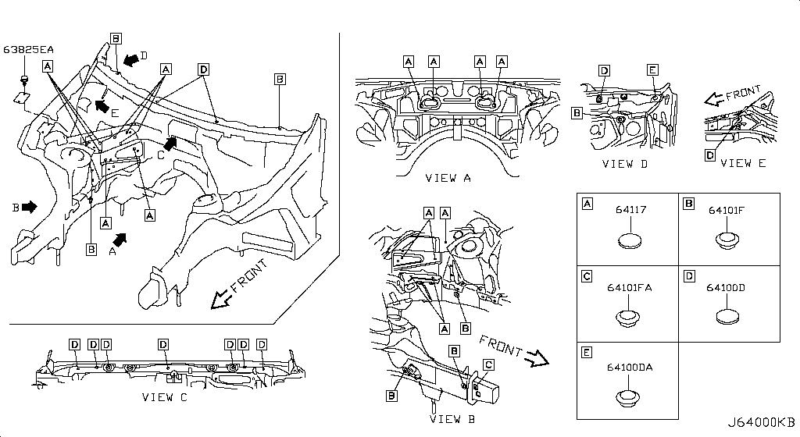
003 – Cylinder Block & Oil Pan | 13 part(s)
Period: 08.2017 - ... • 02.2018 - ...
OEM Part Number | Description | Applies / Details | Period | Notes | Qty
11000-JF0HA | Block Cylinder | VR38DETT | 08.2017 - ... |  | 01
11051-53J0A | Plug-Blind | VR38DETT | 08.2017 - ... |  | 07
12293-JF00A | Bolt Brg Cap | VR38DETT | 08.2017 - ... |  | 16
08931-7221A | Plug-Thread
30412-H1001 | Dowel Gear Box | VR38DETT | 08.2017 - ... |  | 02
11022-31U0B | Dowel-Block | VR38DETT | 02.2018 - ... |  | 08
11022-77A00 | Dowel | VR38DETT | 08.2017 - ... |  | 04
11022-31U01 | Dowel-Block | VR38DETT | 08.2017 - ... |  | 04
15066-31U00 | Seal-O Ring | VR38DETT | 08.2017 - ... |  | 01
11051-31U2A | Plug Taper | VR38DETT | 08.2017 - ... |  | 01
11026-60U01 | Gasket | VR38DETT | 08.2017 - ... |  | 04
11026-JK20B | Gasket | VR38DETT | 08.2017 - ... |  | 03
11026-41B00 | Gasket | VR38DETT | 08.2017 - ... |  | 02

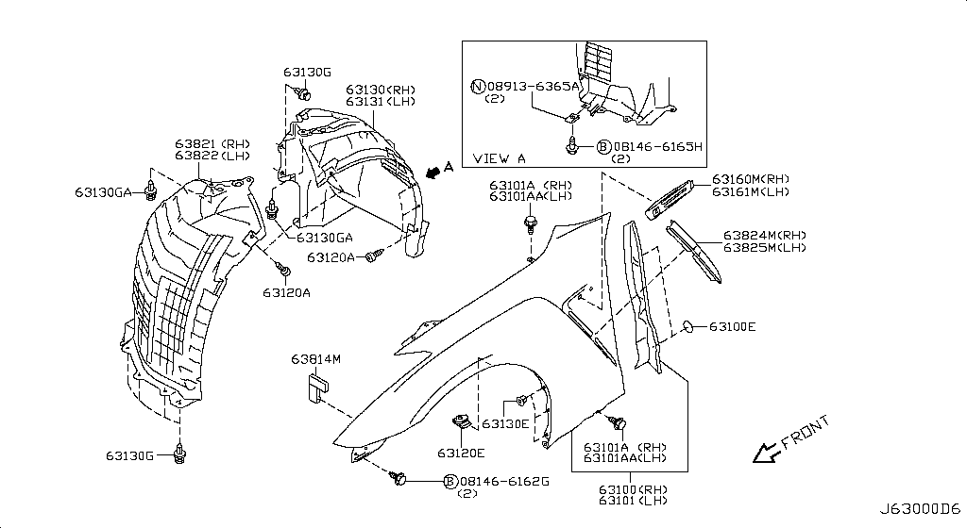
004 – Cylinder Head & Rocker Cover | 22 part(s)
Period: 08.2017 - ... • 11.2013 - 11.2014 • 11.2007 - 11.2010
OEM Part Number | Description | Applies / Details | Period | Notes | Qty
10005-JF00A | Sliger-Engine | VR38DETT | 08.2017 - ... |  | 01
10006-JF00B | Slinger Engine | VR38DETT | 08.2017 - ... |  | 01
11040-JF00A | cylinder heads L | VR38DETT | 08.2017 - ... |  | 01
11044-JF01A | Gasket-Cylinder | VR38DETT | 08.2017 - ... |  | 01
11056-JF01A | Bolt Substant | VR38DETT | 08.2017 - ... |  | 16
13055-JF00A | Brkt-Camsft Ang | VR38DETT | 08.2017 - ... |  | 01
13264-JF00D | Cover Assy-Valv | VR38DETT | 08.2017 - ... |  | 01
13270-JF00A | GASKET-ROCKER COVER | VR38DETT | 08.2017 - ... | FRONT COVER ATTACH VVTI | 01
15255-JF01A | Cap-Oil Filler | VR38DETT | 08.2017 - ... |  | 01
15259-JF00A | Tube-Oil Filler | VR38DETT | 08.2017 - ... |  | 01
081B0-8251A | Bolt-Hex
081B0-8401A | Bolt-Hex | VR38DETT | 11.2013 - 11.2014
08918-3061A | Nut-Flange,Hex | VR38DETT | 11.2007 - 11.2010
11022-31U00 | Pin-Dowel | VR38DETT | 08.2017 - ... |  | 04
11090-JF00A | cylinder heads R | VR38DETT | 08.2017 - ... |  | 01
11044-JF01B | Gasket-Cylinder | VR38DETT | 08.2017 - ... |  | 01
01125-E6041 | Bolt | VR38DETT | 08.2017 - ... |  | 06
13055-JF00B | Brkt-Camsft Ang | VR38DETT | 08.2017 - ... |  | 01
13264-JF01C | Cover Assy-Valv | VR38DETT | 08.2017 - ... |  | 01
13224-AD22B | Bolt | VR38DETT | 08.2017 - ... |  | 20
13270-JF01A | GASKET-ROCKER COVER | VR38DETT | 08.2017 - ... | FRONT COVER ATTACH VVTI | 01
15066-EB300 | Seal-O Ring | VR38DETT | 08.2017 - ... |  | 01

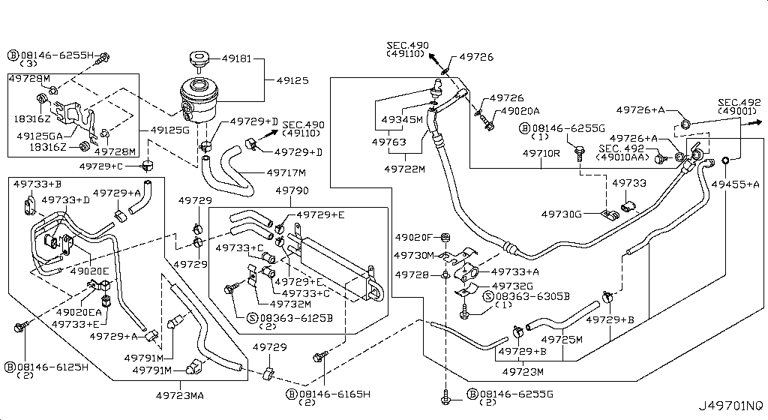
005 – Engine & Transmission Mounting | 11 part(s)
Period: 11.2013 - 11.2014
OEM Part Number | Description | Applies / Details | Period | Notes | Qty
11220-JF00D | Insulator
11232-JF00A | Bracket
11233-JF00A | Bracket
11272-JF00A | Brkt-Enge Mtg
08918-3401A | Nut-Flange,Hex | VR38DETT | 11.2013 - 11.2014
11270-JF00C | engine mount REAR MIDDLE X1
11298-4M411 | Bolt
11298-AG001 | Bolt
11298-4M406 | Bolt
01225-00931 | Nut
11298-2J212 | Bolt

006 – Fan,Compressor & Power Steering Belt | 3 part(s)
Period: 08.2017 - ...
OEM Part Number | Description | Applies / Details | Period | Notes | Qty
11955-1EA0D | Tensioner Assy | VR38DETT | 08.2017 - ... |  | 01
11720-JF00A | Belt-Fan | VR38DETT | 08.2017 - ... |  | 01
11298-JF00A | Bolt | VR38DETT | 08.2017 - ... |  | 01

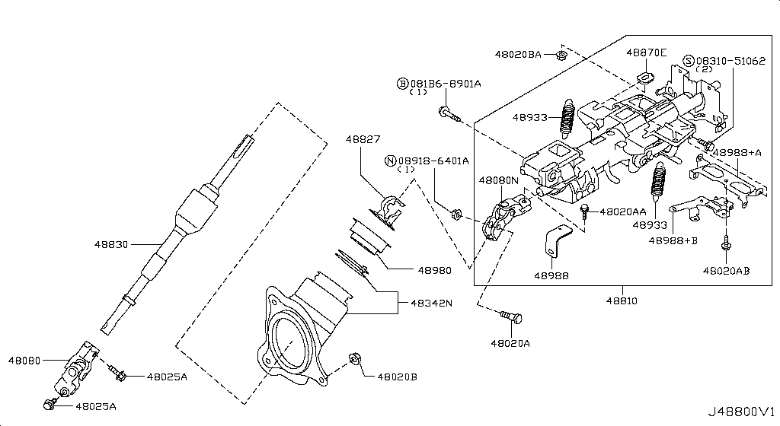
007 – Crankcase Ventilation | 13 part(s)
Period: 08.2017 - ...
OEM Part Number | Description | Applies / Details | Period | Notes | Qty
11810-JF00A | Valve Control | VR38DETT | 08.2017 - ... |  | 01
11823-JF00B | Hose-Blow By,A | VR38DETT | 08.2017 - ... |  | 01
11826-JF02A | Hose-Air Inlet | VR38DETT | 08.2017 - ... |  | 01
081B6-6125M | Bolt-Hex
081B6-6165M | Bolt-Hex
081B8-6201A | Bolt-Hex
KP710-00150 | Gasket-Fluid | VR38DETT | 08.2017 - ... |  | **
11823-JF01B | Hose-Blow By,A | VR38DETT | 08.2017 - ... |  | 01
16439-42L0B | Clamp-Hose A | VR38DETT | 08.2017 - ... |  | 06
11830-JF00B | Separator Assy | VR38DETT | 08.2017 - ... |  | 01
11825-JF00A | Pipe-Blow By | VR38DETT | 08.2017 - ... |  | 01
11825-JF01A | Pipe-Blow By | VR38DETT | 08.2017 - ... |  | 01
21304-JF01A | Gskt-Oil Cooler | VR38DETT | 08.2017 - ... |  | 02

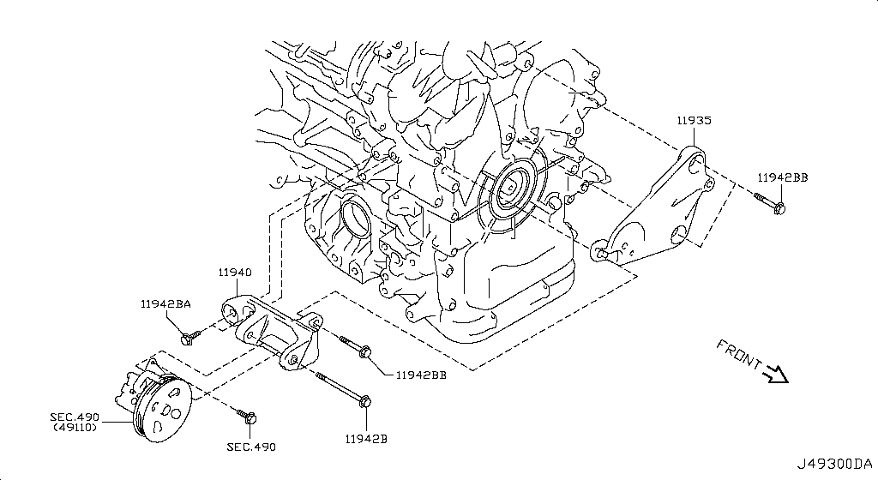
008 – Piston,Crankshaft & Flywheel | 18 part(s)
Period: 08.2017 - ... • 08.2017 • 11.2013 - 11.2014
OEM Part Number | Description | Applies / Details | Period | Notes | Qty
A2010-JF02A | Piston With Pin | VR38DETT | 08.2017 - ... |  | **
12032-03J00 | Ring Snap | VR38DETT | 08.2017 - ... |  | 12
12033-JF00B | Ring Set Piston | VR38DETT | 08.2017 - ... |  | 01
12100-JF00B | Rod Comp-Con | VR38DETT | 08.2017 - ... |  | 06
12109-JF00A | Bolt Conn Rod | VR38DETT | 08.2017 - ... |  | 12
12117-JF00A | connecting rod bush | Applies: VR38DETT; Specification: US=0.25 | 08.2017 |  | 12
12201-JF00A | Crankshaft Assy | VR38DETT | 08.2017 - ... |  | 01
12207-JF07A | BEARING ALL SIZES | Applies: VR38DETT; Specification: STD GRADE 7 | 08.2017 - ... |  | **
12303-JF00A | Pully-Crank | VR38DETT | 08.2017 - ... |  | 01
12310-JF01A | Flywheel Assy | VR38DETT | 08.2017 - ... |  | 01
13021-JF00A | GEAR CRANK | VR38DETT | 08.2017 - ... |  | 01
00926-51600 | KEY FOR CRANK | VR38DETT | 11.2013 - 11.2014
A2208-JF00A | Bushing Set | VR38DETT | 08.2017 - ... |  | 01
12280-JK20A | WASHER FOR BEARINGS | VR38DETT | 08.2017 - ... |  | 02
12309-JF00A | PULLEY BOLT for crankshaft | VR38DETT | 08.2017 - ... |  | 01
11022-AD200 | Dowel-Camshaft | VR38DETT | 08.2017 - ... |  | 01
12315-JF70A | Bolt Fly Wheel | VR38DETT | 08.2017 - ... |  | 08
12313-4W000 | Dowel-Pin | VR38DETT | 08.2017 - ... |  | 12

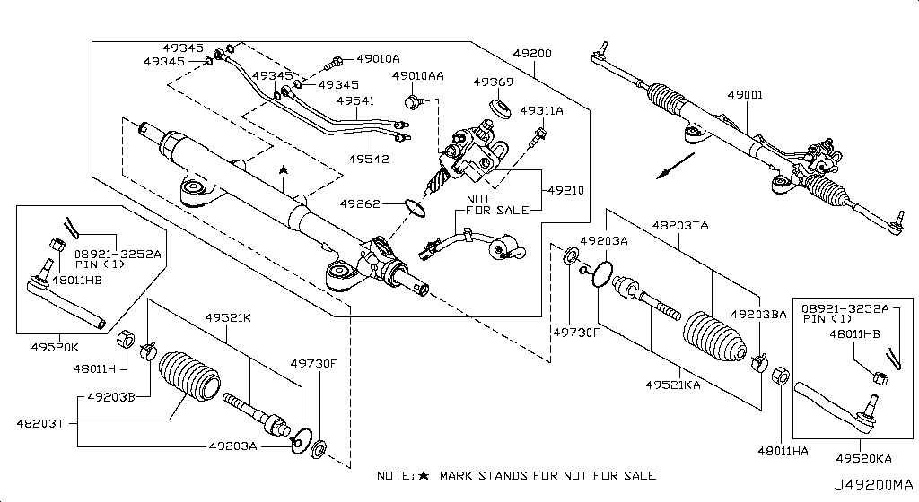
009 – Camshaft & Valve Mechanism | 37 part(s)
Period: 08.2017 - ... • 09.2018 - ... • 11.2013 - 11.2014
OEM Part Number | Description | Applies / Details | Period | Notes | Qty
13020-JF00A | Camshaft Assy | VR38DETT | 08.2017 - ... |  | 01
13024-AL50A | Gear Camshaft | VR38DETT | 08.2017 - ... |  | 02
13025-JK21A | Sprocket-Camsha | VR38DETT | 08.2017 - ... |  | 02
13028-JF00A | Chain Cam Shaft | VR38DETT | 08.2017 - ... |  | 01
13070-EY00A | Tension Chain | VR38DETT | 08.2017 - ... |  | 01
13085-JF00A | Guide Chain | VR38DETT | 08.2017 - ... |  | 01
13091-JK20A | Guide-Chain Sla | VR38DETT | 08.2017 - ... |  | 01
13201-JF00A | Valve-Intake | VR38DETT | 08.2017 - ... |  | 12
13202-JF00D | Valve-Exhaust | VR38DETT | 09.2018 - ... |  | 12
13203-JF00A | Spring Valve | VR38DETT | 08.2017 - ... |  | 12
13205-53Y00 | Seat Valve Spr | VR38DETT | 08.2017 - ... |  | 24
13207-D4201 | Seal-Valve Stem | VR38DETT | 08.2017 - ... |  | 24
13209-AC700 | Retainer-Valve | VR38DETT | 08.2017 - ... |  | 24
13210-53Y00 | Collet-Valve | VR38DETT | 08.2017 - ... |  | 48
13231-EY05B | Lifter-Valve | VR38DETT | 08.2017 - ... |  | **
08120-64028 | Bolt-Hex | VR38DETT | 11.2013 - 11.2014
08918-3401A | Nut-Flange,Hex | VR38DETT | 11.2013 - 11.2014
13020-JF00B | Camshaft Assy | VR38DETT | 08.2017 - ... |  | 01
13020-JF00C | Camshaft Assy | VR38DETT | 08.2017 - ... |  | 01
13020-JF00D | Camshaft Assy | VR38DETT | 08.2017 - ... |  | 01
12313-53F00 | Dowel Cam Gear | VR38DETT | 08.2017 - ... |  | 01
13012-JF00A | Bolt Cam Gear | VR38DETT | 08.2017 - ... |  | 02
13012-6N210 | Bolt Cam Gear | VR38DETT | 08.2017 - ... |  | 02
13012-EN20A | Bolt-Sprocket,C | VR38DETT | 08.2017 - ... |  | 02
13028-JK20B | Chain Cam Shaft | VR38DETT | 08.2017 - ... |  | 02
13064-JA11A | Plate-Signal,Ca | VR38DETT | 08.2017 - ... |  | 02
13070-JF00A | Tension Chain | VR38DETT | 08.2017 - ... |  | 01
13094-31U00 | Bolt-Tensioner | VR38DETT | 08.2017 - ... |  | 01
13075-4W00A | Bolt-Tentioner | VR38DETT | 08.2017 - ... |  | 02
13075-4W01A | Bolt-Tentioner | VR38DETT | 08.2017 - ... |  | 02
13070-JK21B | Tensioner Assy- | VR38DETT | 08.2017 - ... |  | 01
13070-JK21C | Tensioner Assy- | VR38DETT | 08.2017 - ... |  | 01
13085-EY00A | Guide Chain | VR38DETT | 08.2017 - ... |  | 01
10004-4W00C | Bolt | VR38DETT | 08.2017 - ... |  | 02
13203-JF00C | Spring-Valve | VR38DETT | 08.2017 - ... |  | 12
15041-JF00A | Chain-Balbancer | VR38DETT | 08.2017 - ... |  | 01
15043-JF00A | Sprocket-Oil Pu | VR38DETT | 08.2017 - ... |  | 01

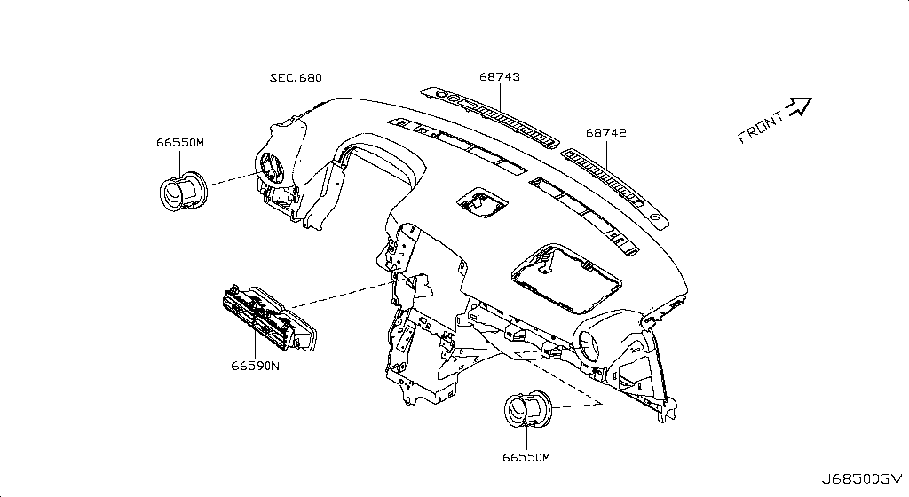
010 – Front Cover,Vacuum Pump & Fitting | 17 part(s)
Period: 10.2014 - 11.2014 • 08.2017 - ... • 11.2013 - 11.2014 • 04.2016 - 07.2016
OEM Part Number | Description | Applies / Details | Period | Notes | Qty
13500-JF01C | Cover Assy-Fron | VR38DETT | 10.2014 - 11.2014 |  | 01
13510-31U10 | FRONT CRANK SEAL | VR38DETT | 08.2017 - ... |  | 01
081B0-6161A | Bolt-Hex | VR38DETT | 11.2013 - 11.2014
081B0-6255M | Bolt-Hex | VR38DETT | 11.2013 - 11.2014
081B0-6201A | Bolt-Hex | VR38DETT | 11.2013 - 11.2014
081B0-8405M | Bolt-Hex | VR38DETT | 11.2013 - 11.2014
081B1-0801A | Bolt-Flange | VR38DETT | 11.2013 - 11.2014
081B1-0905M | Bolt-Flange | VR38DETT | 11.2013 - 11.2014
11022-JF00A | Pin | VR38DETT | 08.2017 - ... |  | 01
11022-31U03 | Pin | VR38DETT | 08.2017 - ... |  | 02
13500-JF01A | FRONT COVER SECOND PART ON CAM | VR38DETT | 08.2017 - ... |  | 01
15066-31U02 | Ring-O | VR38DETT | 08.2017 - ... |  | 01
15066-31U03 | Ring-O | VR38DETT | 08.2017 - ... |  | 01
15066-JA10A | Ring-O | VR38DETT | 08.2017 - ... |  | 02
11046-73402 | Dowel | VR38DETT | 08.2017 - ... |  | 04
KA761-33000 | Fluid-Gasket | VR38DETT.(PURE+BLACK+PREMIUM+NISMO) | 04.2016 - 07.2016 |  | **
15200-AR000 | Filter Assy Oil | VR38DETT | 08.2017 - ... |  | 02

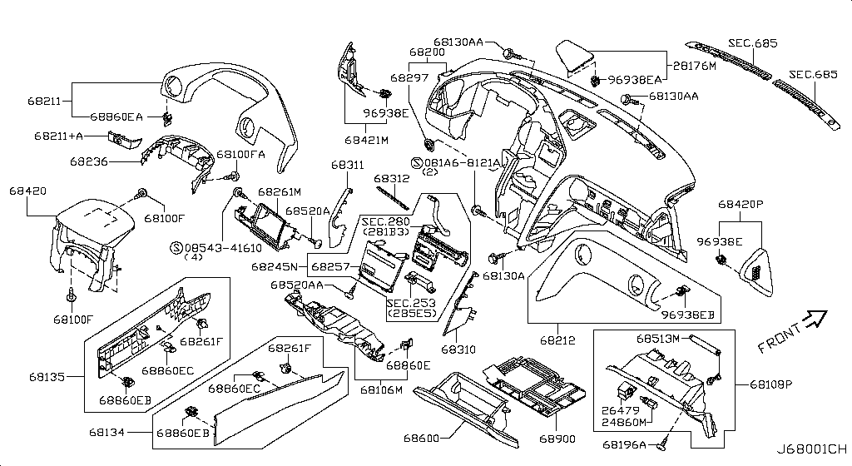
011 – Manifold | 24 part(s)
Period: 08.2017 - ... • 11.2013 - 11.2014 • 11.2014 - 04.2016 • 11.2007 - 11.2010
OEM Part Number | Description | Applies / Details | Period | Notes | Qty
14003-JF00B | Manifold-Intake | VR38DETT | 08.2017 - ... |  | 01
14035-JF00A | Gasket-Manifold | VR38DETT | 08.2017 - ... |  | 02
081B0-6255M | Bolt-Hex | VR38DETT | 11.2013 - 11.2014
081B0-8305M | Bolt-Hex | VR38DETT | 11.2013 - 11.2014
14010-JF00C | Collector-Int M | VR38DETT | 08.2017 - ... |  | 01
14032-JF00A | Gasket-Adapter | VR38DETT | 08.2017 - ... |  | 01
16175-ET80A | K Gskt-Throt Ch | VR38DETT | 08.2017 - ... |  | 02
16122-5Y70A | Bolt | VR38DETT.NISMO | 11.2014 - 04.2016 |  | 04
14041-JF00A | Ornament assembly, engine cover | VR38DETT.(GTR+BLACK+PREMIUM) | 11.2007 - 11.2010 |  | 01
14041-KB50A | Ornament assy-engine cover | VR38DETT | 11.2010 - 11.2011 |  | 01
16557-EH000 | Grommet | VR38DETT.NISMO | 11.2014 - 04.2016 |  | 04
16566-JK20A | Retainer | VR38DETT.NISMO | 11.2014 - 04.2016 |  | 04
14042-JF00A | ????, connector | VR38DETT | 08.2017 - ... |  | 01
14033-JF00A | Gasket, manifold upper | VR38DETT | 08.2017 - ... |  | 02
14010-JF00A | Collector, intake manifold | VR38DETT.(GTR+BLACK+PREMIUM) | 11.2007 - 12.2008 |  | 01
14010-JF00B | Collector-intake manifold | VR38DETT | 11.2013 - 10.2014 |  | 01
14003-JF00A | Manifold, intake | VR38DETT | 11.2007 - 11.2010 |  | 01
14069-JD00A | Bolt-Hex Flange | VR38DETT | 08.2017 - ... |  | 08
16590-JF00A | Cover, exhaust manifold | VR38DETT | 08.2017 - ... |  | 01
16590-JF01A | Cover, exhaust manifold | VR38DETT | 08.2017 - ... |  | 01
14036-JF00A | Gasket, exhaust manifold a; Gasket-exhaust manifold | VR38DETT | 11.2007 - 11.2008 | right & left | 02
14036-JF04A | Gasket, exhaust manifold a; Gasket-exhaust manifold | VR38DETT | 08.2017 - ... |  | 02
14064-31U0C | Stud | VR38DETT | 08.2017 - ... |  | 12
14094-JG30A | Nut | VR38DETT | 08.2017 - ... |  | 12

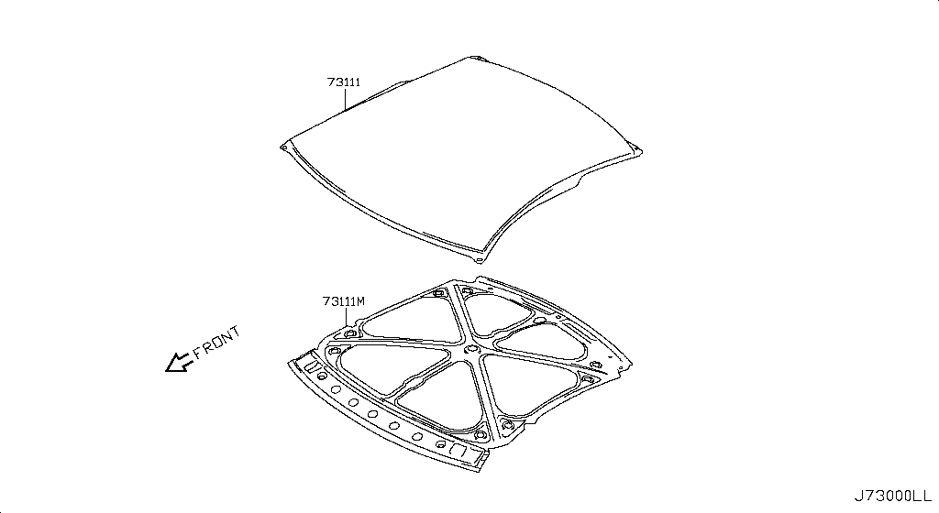
012 – Turbo Charger | 28 part(s)
Period: 08.2017 - ...
OEM Part Number | Description | Applies / Details | Period | Notes | Qty
14094-4P100 | Nut
15192-JF00A | Tube Assy Oil
081A0-6121A | Bolt-Hex
16439-JF00B | Clamp-Hose
16439-56S0A | Clip
14055-JF02B | Hose-Water
A4401-JF00A | Gasket Kit-Turb
14411-JF40A | A Charger Turbo
14416-VB300 | Stud-Turbo Char
14069-JD70A | Bolt
14445-JF01B | Gasket-Turbo Ch
14450-JF01D | Insulater-Heat
14450-JF01C | Insulater-Heat
14069-JD00A | Bolt-Hex Flange | VR38DETT | 08.2017 - ... |  | 08
15189-JF00A | Gasket-Eye Bolt
15189-69F00 | Gasket-Eye Bolt
15189-40P00 | Gasket-Eye Bolt
16432-JF00B | Bolt-Eye,Water
15192-JF00C | Tube Assy Oil
16432-JF00A | Bolt-Eye
16432-VK50A | Bolt-Eye
15190-JF00A | Brkt-Oil Tube
14499-JF00B | Tube Assy-Water
14498-JF01B | Tube Assy-Water
15196-JF00B | Gskt-Oil T/C Ou
15197-JF00B | Outlet-Turbo Ch
15198-JF01B | Hose-Oil Return
16439-7S01B | Clamp-Hose

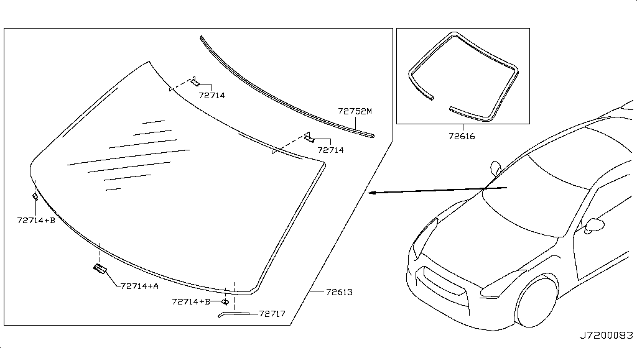
013 – Secondary Air System | 25 part(s)
Period: 11.2007 - 11.2010
OEM Part Number | Description | Applies / Details | Period | Notes | Qty
14810-JF04A | Pump Assy-Air
14848-JF02A | Gskt-Eai Contor
14860-JF01B | Hose Air
14830-JF03A | Valve A-Air Cut
081A6-6121A | Bolt-Flange,Hex
081A6-6165M | Bolt-Flg,Hexgon
16439-56S0A | Clip
14056-JF01A | Hose-Air Regula
14056-JF02A | Hose-Air Regula
14056-JF03A | Hose-Air Regula
14895-JF01A | Bolt A/P To Bkt
14895-JF02A | Bolt A/P To Bkt
01225-00371 | Nut | C | 11.2007 - 11.2010 |  | 01
14814-JF01A | Mounting Rubber
14846-JF02B | Brkt Assy-Air C
14860-JF02B | Hose Air
14860-JF07B | Hose Air
14860-JF04A | Hose Air
14464-0E00B | Clamp Hose
14875-JF01A | Conn-Hose
14875-JF03A | Conn-Hose
14881-JF02A | Clnr Air,Pump
14874-JF01A | Coller
14874-JF02A | Coller
14830-JF04A | Valve A-Air Cut

014 – Lubricating System | 15 part(s)
Period: 11.2013 - 11.2014
OEM Part Number | Description | Applies / Details | Period | Notes | Qty
15010-JF00B | Assy Oil Pump
15050-JF01A | Strainer Oil
15053-JF00A | Gasket
15055-JF00B | Pipe-Suct
15208-31U0B | Filter Assy-Oil
15213-31U00 | Stud-Oil Filter
...
21049-JF00A | Seal-O Ring
21200-JF00A | Thermo Assy

015 – Throttle Chamber | 3 part(s)
Applies: VR38DETT
OEM Part Number | Description | Applies / Details | Period | Notes | Qty
16122-JK20B | Bolt-Socket
16119-JF00E | Chambr-Throttle
16119-JF00F | Chambr-Throttle

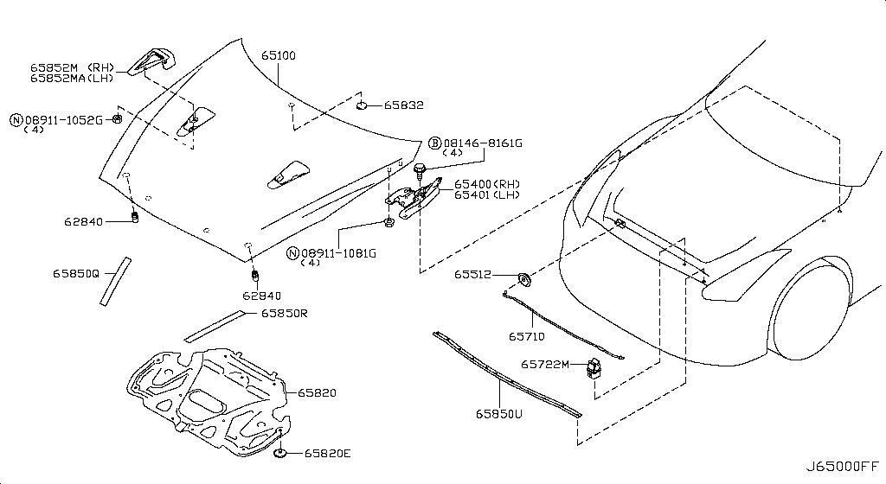
016 – Fuel Strainer & Fuel Hose | 22 part(s)
Period: 11.2007 - 11.2010 • 11.2007 - 12.2009
OEM Part Number | Description | Applies / Details | Period | Notes | Qty
16600-38B0A | Injector-Fuel
24220-8H310 | Tube Assy-Injec
081A0-6121A | Bolt-Hex
081A6-6161A | Bolt-Flg,Hexgon | C | 11.2007 - 11.2010
081A6-8161A | Bolt-Flange
081A8-6121A | Bolt | VR38DETT | 11.2007 - 12.2009
08363-6305D | Screw-Machine
16618-JA10A | O Ring
16618-10V10 | O Ring
16618-8J000 | O Ring
16618-EA000 | O Ring
17528-JF00B | Brkt Fuel Hose
17571-5L30A | Clamp-Injector
17571-7Y00A | Clamp-Injector
24220-JF00B | Clip Cable
17521-JF00A | Pipe Assy-Fuel
22670-JF00A | Regulator Assy
16557-AR000 | Mounting-Rubber
49728-AM60A | Collar-Grommet
22675-JA10A | A Damper Fuel
22675-JF00B | A Damper Fuel
22675-JF00A | A Damper Fuel

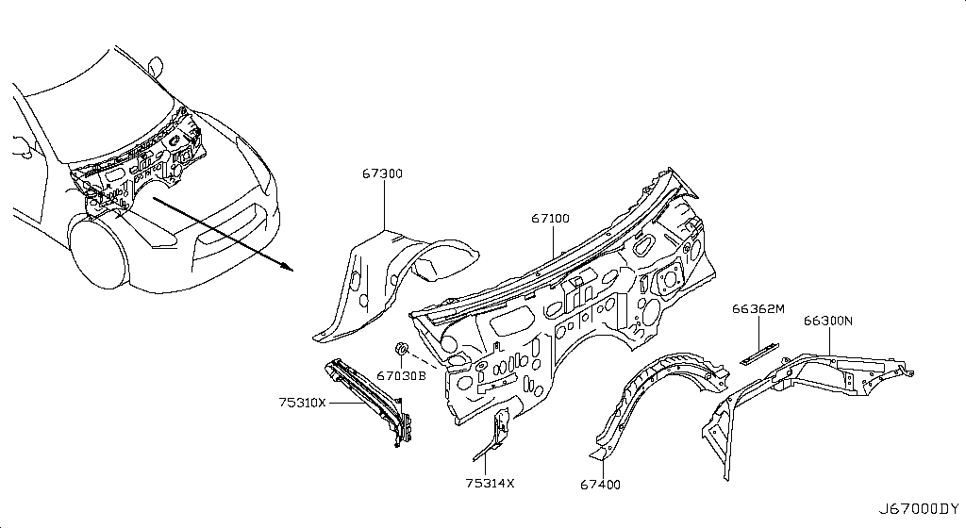
017 – Air Cleaner | 19 part(s)
Applies: VR38DETT
OEM Part Number | Description | Applies / Details | Period | Notes | Qty
16500-JF00A | Cleaner-Air
16516-CR40B | Bolt-Center
16526-JF00A | Cover-Cleaner
16528-JF00A | Body-Cleaner
16546-JF00A | Element Assy
16554-JF00A | Duct-Air
16557-AL500 | Mounting-Rubber
14460-38B0A | Pipe-Air Inlet
16598-JF00A | Clip
08233-82010 | Stud-Coarse
08360-41225 | Screw-Machine
08918-3081A | Nut-Flange,Hex
14465-4P210 | Gasket
16557-JF00A | Mounting-Rubber
16566-JF00A | Retainer
16576-JF00A | Pipe Assy-Air
14464-04U2B | Clamp Duct
01553-09321 | Clip
22680-7S000 | Meter-Air Flow

018 – Fuel Pump Controller | 2 part(s)
Period: 11.2007 - 12.2009
OEM Part Number | Description | Applies / Details | Period | Notes | Qty
17001-JF00A | Modulator-Fuel
01456-00411 | Screw-Tap,With | C.(GTR+BLACK+PREMIUM) | 11.2007 - 12.2009 |  | 05

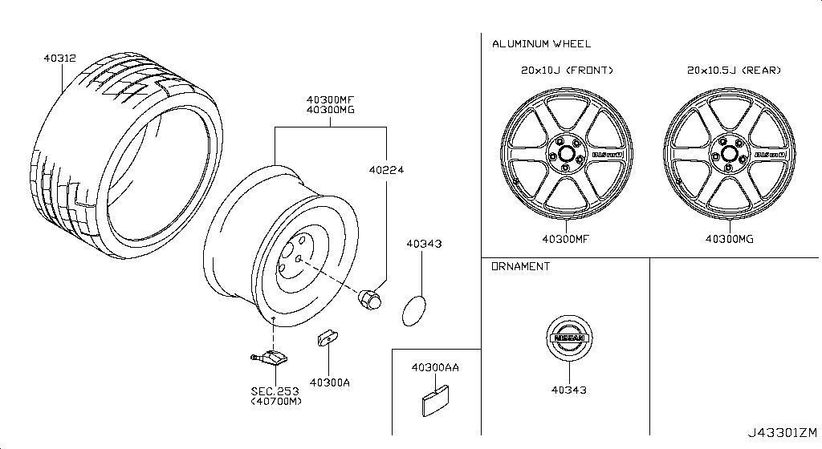
019 – Fuel Tank | 41 part(s)
Period: 11.2007 - 11.2010
OEM Part Number | Description | Applies / Details | Period | Notes | Qty
17040-89S0B | Pump Compl-Fuel
17202-KB60A | Tank Assy-Fuel
17240-AN000 | Grommet
17251-4HA0B | Cap Assy-Filler
17341-40U00 | Retainer
17342-CE800 | SEAL-O RING,FUEL GAUGE |  |  | HANGER O RING
17406-JF00A | Band Assy Fuel
08146-8202G | Bolt-Hex
08911-1062G | Nut-Hex
08918-3082A | Nut-Flange,Hex
17561-JF30D | Insulator
50810-B9500 | Plug-Floor Rear
01121-06671 | Bolt Door Hinge
01221-00351 | Nut
01436-01821 | Screw
16439-EB31B | Clamp
01558-00411 | Clamp | VR38DETT | 11.2007 - 11.2010 |  | 01
16439-V501B | Band
16439-V500C | Clamp
17221-KB60A | Tube Assy
17226-JF31A | Hose
17228-JF30A | Hose-Filler
17243-1PN0A | Shim-Fuel Tank
17243-JF00A | Shim-Fuel Tank
17243-JF01B | Shim-Fuel Tank
17243-JF01C | Shim-Fuel Tank
17285-JF01A | Protr-Fuel
17285-JF00B | Protr-Fuel
17285-JW90A | Protr-Fuel
17285-JF01C | Protr-Fuel
17285-JF01D | Protr-Fuel
17285-JF01E | Protr-Fuel
17285-JF00C | Protr-Fuel
17337-JF31A | Hose-Breather
17336-JF31A | Hose-Breather
17339-JF30A | Tube-Evaporatio
17339-JF31B | Tube-Evaporatio
17341-JF00B | Retainer
17342-JF30A | O Ring F/Gaug99
17571-EJ70A | Clip
25060-JF30A | Sender Unit

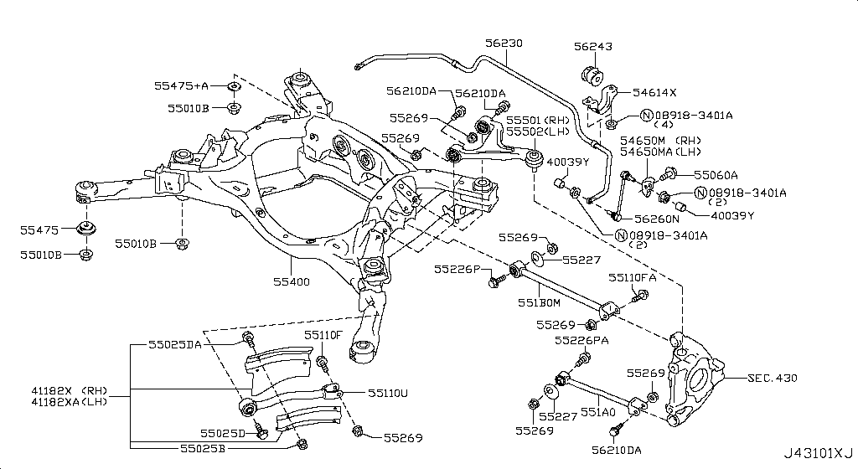
020 – Fuel Piping | 19 part(s)
Applies: VR38DETT
OEM Part Number | Description | Applies / Details | Period | Notes | Qty
17507-JF00A | Insul
17510-JF00A | Tube-Fuel
17511-JF00A | Tube-Return
17575-JF00C | Protector
14912-JF10A | Hose Evapo
16439-42L0A | Clamp-Hose
16439-V500C | Clamp
16439-V501B | Band
17598-ET000 | Bolt Door Hinge
01221-00351 | Nut
17224-JF31A | Hose-Fuel
17226-JF31B | Hose
17335-JF31A | Hose
17338-JF30A | Tube-Breather
17502-JF00A | Tube Assy
17532-79902 | Reter-Quick Con
17532-7990D | Reter-Quick Con
18791-JF31B | Hose-Drain
18792-5U300 | Connector

021 – Accelerator Linkage | 2 part(s)
Period: 11.2007 - 11.2010
OEM Part Number | Description | Applies / Details | Period | Notes | Qty
18002-JF10A | Lever Complete
01225-00371 | Nut | C | 11.2007 - 11.2010 |  | 01

022 – Exhaust Tube & Muffler | 21 part(s)
Period: 11.2013 - 11.2014
OEM Part Number | Description | Applies / Details | Period | Notes | Qty
...
20711-JF00A | Mounting Assy
20722-JF00A | Bracket

023 – Catalyst Converter,Exhaust Fuel & Ure In | 3 part(s)
Applies: VR38DETT
OEM Part Number | Description | Applies / Details | Period | Notes | Qty
B08B2-JF20A | Converter
14064-JF00E | Stud
B08B3-JF20A | Converter

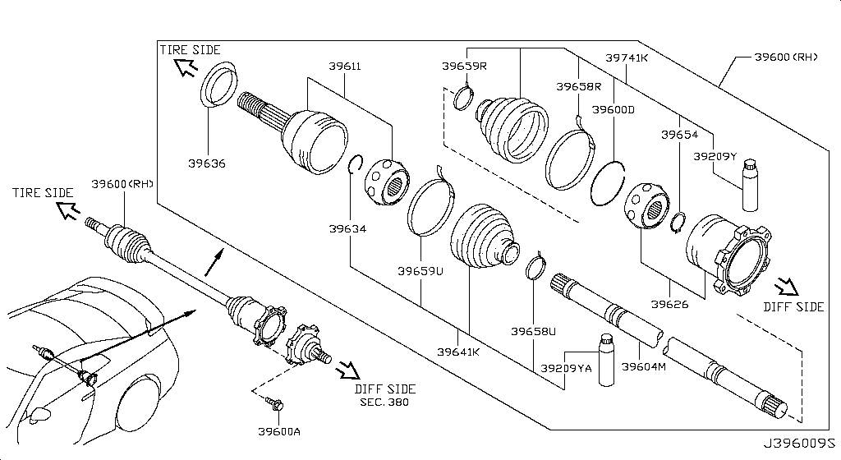
024 – Water Pump, Cooling Fan & Thermostat | 21 part(s)
Period: 08.2017 - ...
OEM Part Number | Description | Applies / Details | Period | Notes | Qty
11060-62B1A | OUTLET-WATER |  |  | BEST OPTION FOR COOLING THEN DODSON
11062-JF00A | Gasket Outlet
B1010-JK20A | PUMP ASSY-WATER |  |  | WATER PUMP
21200-KB50A | THERMOSTAT ASSY |  |  | BEST OPTION FOR COOLING THEN DODSON
22630-44B20 | Sensor Assy-Tem
08156-61633 | Bolt-Hex
081A8-6201A | Bolt
081A8-8251A | Bolt
08918-3081A | Nut-Flange,Hex
11060-JF00C | Outlet Water
14895-2Y52A | Stud-Pilot Poin
14075-JF01A | Conn Water
13075-JK20C | Bolt Hex Thermo
13050-JF00A | Gasket-Water In
13050-31U00 | Gasket-Water In
21049-JK20A | Ring O
21049-JK20B | Ring O
13075-4W01A | Bolt-Tentioner | VR38DETT | 08.2017 - ... |  | 02
21430-C991A | Cap Assy-Pressu
21435-C991A | Label-Caution
22636-N4200 | Gasket-Thermo T

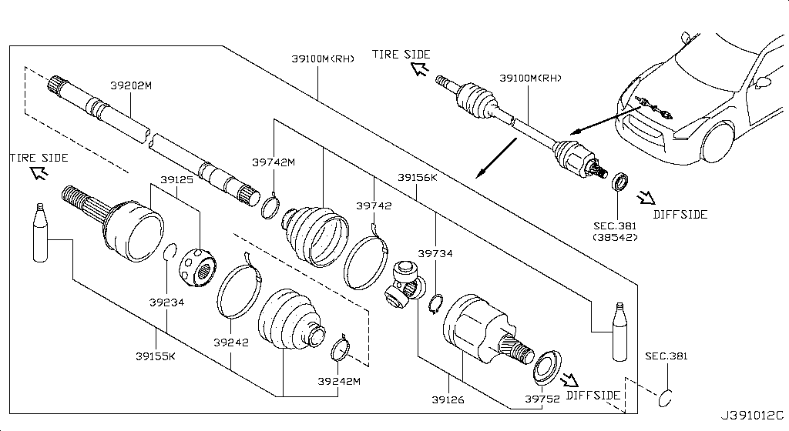
025 – Water Hose & Piping | 11 part(s)
Period: 11.2007 - 11.2010 • 11.2007 - 12.2009
OEM Part Number | Description | Applies / Details | Period | Notes | Qty
14055-JF00A | Hose-Water
21049-AE000 | Seal-O Ring
21311-JF02A | Bracket-Pipe
08146-6122G | Bolt-Hex | C | 11.2007 - 11.2010
08158-62528 | Bolt
081A8-6121A | Bolt | VR38DETT | 11.2007 - 12.2009
21022-JF00C | Tube-Connector
21021-JF00A | PIPE-WATER |  |  | WATER PIPE UNDER INTAKE
01558-00521 | Clip
21049-31U00 | Seal-O Ring
22310-JF00A | Gallery Assy

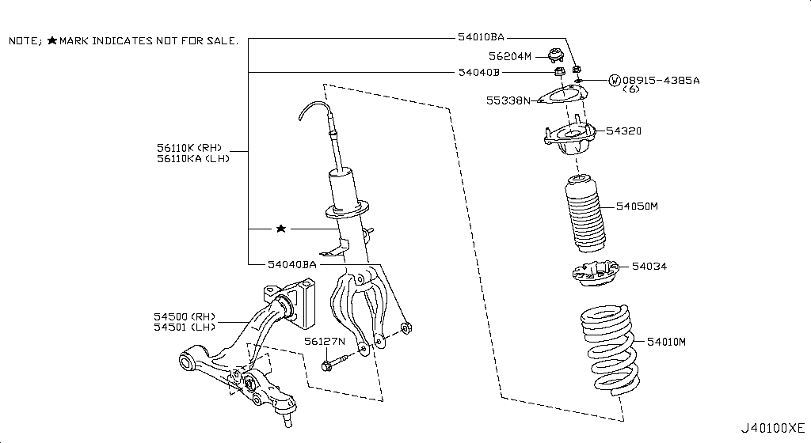
026 – Oil Cooler | 20 part(s)
Period: 11.2007 - 11.2010
OEM Part Number | Description | Applies / Details | Period | Notes | Qty
21304-JF00A | Ring O
21305-JF02B | Cooler Oil
21340-JF00A | Bracket-Oil Fil
08146-6162G | Bolt-Hex
08146-6205H | Bolt-Hex
08146-6305H | Bolt-Hex
081B0-6401A | Bolt-Hex
081B8-6122A | Bolt-Hex
08236-62210 | Stud-Coarse
08918-3062A | Nut-Flange,Hex | C | 11.2007 - 11.2010
15239-JF01A | Gasket-Filter
15066-JF00A | Ring-O
21355-JF00B | Element Oil
21355-JF01B | Element Oil
21311-JF00A | Bracket-Pipe
21311-JF01A | Bracket-Pipe
21340-JF01A | Bracket-Oil Fil
21340-JF02A | Bracket-Oil Fil
21355-JF06A | Hose Assy-Flexi
21355-JF05A | Hose Assy-Flexi

027 – Radiator,Shroud & Inverter Cooling | 15 part(s)
Applies: VR38DETT
OEM Part Number | Description | Applies / Details | Period | Notes | Qty
21430-89S0A | Cap Assy-Pressu
21435-89S0A | Label Caution
21501-JF00A | Hose-Top
21503-JF00A | Hose-Bottom
21508-JF00A | Mounting
21710-JF10A | Tank-Reserve
...
029 – Distributor & Ignition Timing Sensor | 5 part(s)
Applies: VR38DETT
OEM Part Number | Description | Applies / Details | Period | Notes | Qty
08156-6165N | Bolt-Hex
22131-EN205 | O-Ring
32929-WL01A | Screw
23731-JA11B | CAMSHAFT POSITION SENSOR |  |  | 2024 FAN MOTOR
23731-JA10C | CRANKSHAFT POSITION SENSOR |  |  | 2024 FAN MOTOR

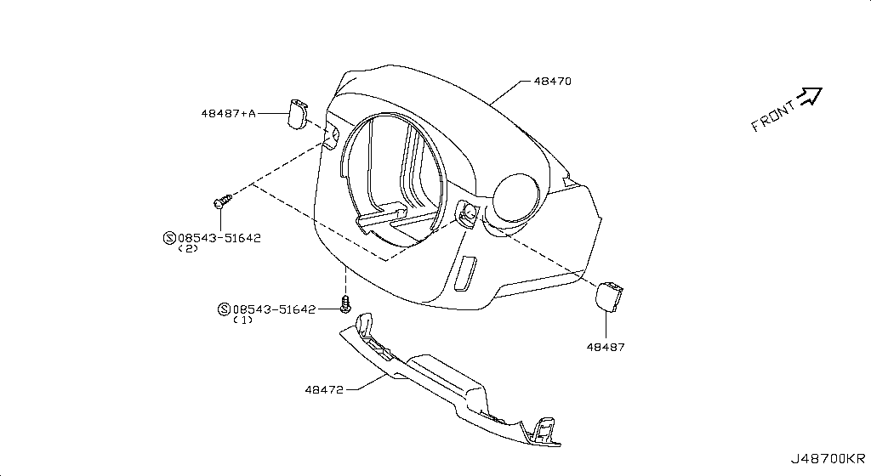
030 – Engine Control Vacuum Piping | 24 part(s)
Period: 11.2007 - 11.2010
OEM Part Number | Description | Applies / Details | Period | Notes | Qty
24220-4P220 | Tube Assy-Injec | VR38DETT | 11.2007 - 11.2010 |  | 01
14930-JA10D | Valve Control
14939-EA200 | Valve Assy
14950-CA00A | Canister Evapo
22365-JF00D | Sensor-Boost
08120-61633 | Bolt-Hex | VR38DETT | 11.2007 - 11.2010
08146-6205H | Bolt-Hex
08158-6205N | Bolt
081A8-6251A | Bolt
08918-3061A | Nut-Flange,Hex | VR38DETT | 11.2007 - 11.2010
01558-00411 | Clamp | VR38DETT | 11.2007 - 11.2010 |  | 01
16439-N210A | Clamp-Hose | VR38DETT | 11.2007 - 11.2010 |  | 08
14912-JF01A | Hose Evapo | VR38DETT | 11.2007 - 11.2010 |  | 01
14912-JF01D | Hose Evapo | VR38DETT | 11.2007 - 11.2010 |  | 01
14912-JF01E | Hose Evapo | VR38DETT | 11.2007 - 11.2010 |  | 01
14912-JF02A | Hose Evapo | VR38DETT | 11.2007 - 11.2010 |  | 01
14912-JF04A | Tube-Evapo Cont | VR38DETT | 11.2007 - 11.2010 |  | 01
14912-JF04B | Tube-Evapo Cont | VR38DETT | 11.2007 - 11.2010 |  | 01
14912-JF00A | Hose Assy | VR38DETT | 11.2007 - 11.2010 |  | 01
14912-JF00B | Hose Assy | VR38DETT | 11.2007 - 11.2010 |  | 01
14912-JF00C | Hose Assy | VR38DETT | 11.2007 - 11.2010 |  | 01
14935-JF00D | Valve Control
22320-JF02A | Hose-Vacuum | VR38DETT | 11.2007 - 11.2010 |  | 01
22365-AM60A | Sensor-Boost

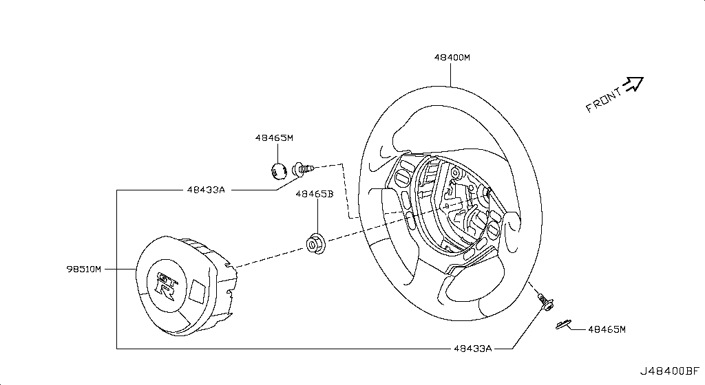
031 – Engine Control Module | 11 part(s)
Period: 11.2007 - 11.2010
OEM Part Number | Description | Applies / Details | Period | Notes | Qty
23710-89S3A | Unit Control
23714-JF10A | Bracket-Control
22650-JF00B | Sensor Assy-Pre
22693-JF00A | AIR FUEL RATIO SENSOR |  |  | 2024 FAN MOTOR
08120-8302A | Bolt-Hex
08911-1062G | Nut-Hex
22060-JK20A | KNOCK SENSOR |  |  | 2024 FAN MOTOR
01225-00371 | Nut | C | 11.2007 - 11.2010 |  | 01
14069-JD70A | Bolt
226A0-EN21A | Sensor Assy-O2
22693-JF00B | AIR FUEL RATIO SENSOR |  |  | 2024 FAN MOTOR

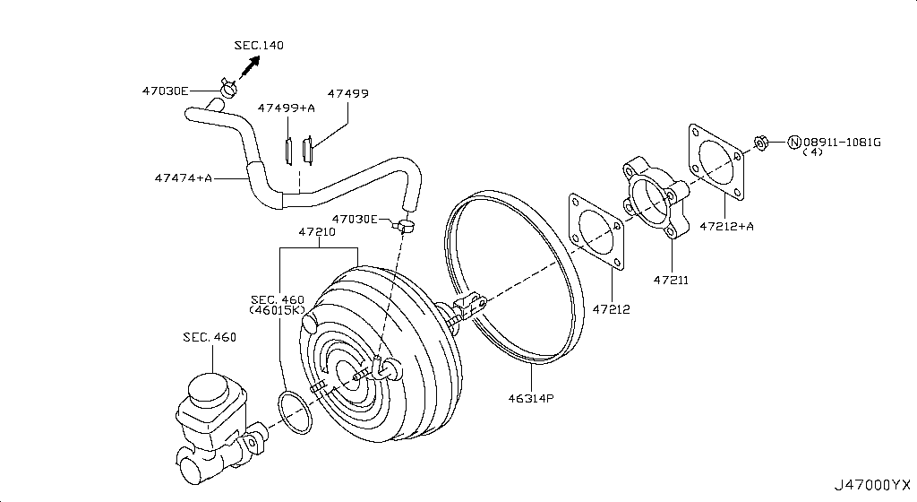
032 – Alternator Fitting | 22 part(s)
Period: 11.2007 - 12.2009
OEM Part Number | Description | Applies / Details | Period | Notes | Qty
11916-JF00A | Bolt
080A6-8905M | Bolt-Flg,Hex
11715-JF00B | Stay-Bar Adjust
11916-JF01A | Bolt
01221-00381 | Nut Retainer | C.(GTR+BLACK+PREMIUM) | 11.2007 - 12.2009 |  | 02
23100-JF01A | Alternator Assy
23102-5X21A | Stator Assy
23108-JF01A | Rotor Assy
23118-JF01A | Cover Assy-Fr
23124-JF01A | Rectifier-Assy
23127-JF01A | Cover Rear
23150-BC40A | Pulley Assy
23156-BC40A | Terminal Assy-B
23200-BC40A | Screw Set
23215-JF01A | Regulator Assy
23120-30R1A | Bearing-Ball
23120-22J2A | Bearing-Ball
23131-JF01A | Bolt-Through
23142-EG910 | Brush Assy-F
23153-70T12 | Nut Assy-Pulley
23200-EG911 | Screw Set
23115-20P10 | Screw Set

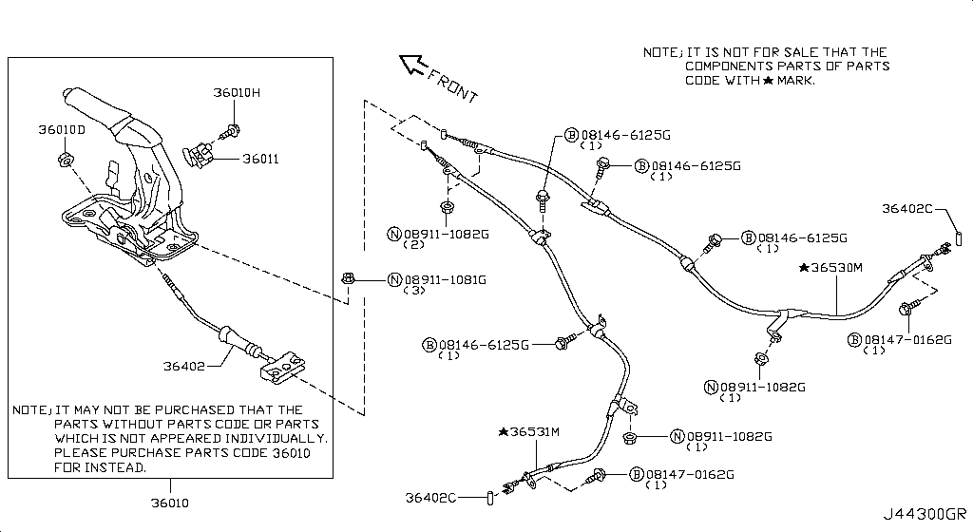
034 – Starter Motor | 21 part(s)
Period: 11.2007 - 12.2009
OEM Part Number | Description | Applies / Details | Period | Notes | Qty
23300-JF00C | Motor-Starter
23301-JF00B | Cover-Starter
23302-JF00B | Yoke
23310-8Y000 | Armature Assy
23312-JF00B | Pinion Assy
23361-42L70 | Gear
23318-JF00B | Case Assy-Gear
23319-8Y000 | Metal Gear Case
23322-ED000 | Lever Set-Shift
23337-ET80A | Cover Rear
23338-8Y000 | Bearing
23343-JF00B | Sw-Magnetic
23354-JF00B | Clutch Assy
23360-JF00B | Gear & Shaft S
23378-ET80A | Holder Brush
23465-42L70 | Stopper Pinion
081A1-0451A | Bolt
081A8-6121A | Bolt | VR38DETT | 11.2007 - 12.2009
01221-00381 | Nut Retainer | C.(GTR+BLACK+PREMIUM) | 11.2007 - 12.2009 |  | 02
23340-JF00B | Bolt-Through
23350-8Y000 | Internal Gear A

035 – Wiring | 178 part(s)
Period: 12.2010 - 11.2013 • 08.2017 - ... • 11.2007 - 12.2009 • 11.2007 - 11.2010
OEM Part Number | Description | Applies / Details | Period | Notes | Qty
24076-KB10A | HARNESS-ALTERNATOR | Applies: C | 12.2010 - 11.2013 | ALTERNATOR HARNESS | 1
24040-JK60A | Harness Aircon | C | 08.2017 - ... |  | 01
24080-KB10A | CABLE ASSY-BATTERY EARTH | C | 08.2017 - ... | GROUND CABLE BATTERY | 01
24360-60U00 | Cap Terminal Co | C.(GTR+BLACK+PREMIUM) | 11.2007 - 12.2009 |  | 01
24345-7993A | Cover-Connector | C | 11.2007 - 11.2010 |  | 01
08146-6122G | Bolt-Hex | C | 11.2007 - 11.2010
...
24356-JK60B | Bracket-junction | C | 08.2017 - ... |  | 01
24356-JK60A | Bracket-junction | C | 08.2017 - ... |  | 01
24055-6AW0A | Harness assembly-licence late lamp | C | 08.2017 - 07.2018 |  | 01
24055-6HS0B | Harness assembly-licence late lamp | C | 07.2018 - ... |  | 01
24345-JF00A | Cover, battery terminal | C | 08.2017 - ... |  | 01
24014-6AV0A | Harness-body | C.NISMO | 07.2016 - 08.2017 |  | 01
24014-6HR0A | Harness-body | C.NISMO | 08.2017 - 07.2018 |  | 01
24014-6HS0A | Harness-body | C.NISMO | 07.2018 - ... |  | 01
24014-89S3A | Harness-body | C.NISMO | 06.2014 - 07.2016 |  | 01

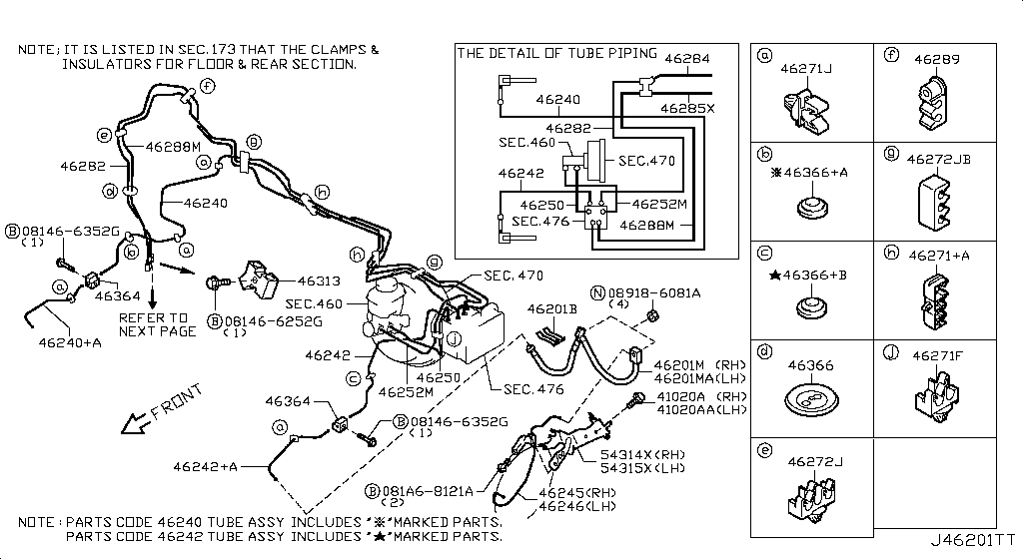
036 – Battery & Battery Mounting | 10 part(s)
Period: 11.2007 - 11.2010
OEM Part Number | Description | Applies / Details | Period | Notes | Qty
24410-JF00G | Battery
64860-JF00A | Brkt Assy-Bat M
24425-8990D | Rod Battery Fix
24420-M7000 | Beam-Batt Setti
24428-EN000 | Tray Support Ba
08146-8162G | Bolt-Hex | C | 11.2007 - 11.2010
08918-3062A | Nut-Flange,Hex | C | 11.2007 - 11.2010
80497-AX01A | Nut | C | 11.2007 - 11.2010 |  | 03
24425-8990B | Rod Battery Fix
24432-AA000 | Clamp

037 – Instrument Meter & Gauge | 5 part(s)
Applies: VR38DETT
OEM Part Number | Description | Applies / Details | Period | Notes | Qty
24813-JF00A | Cover-Front
24820-89S1A | Speedometer
25273-JF00A | Sw Assy-Meter D
081A6-6202A | Bolt-Flg,Hexgon
01451-00581 | Screw

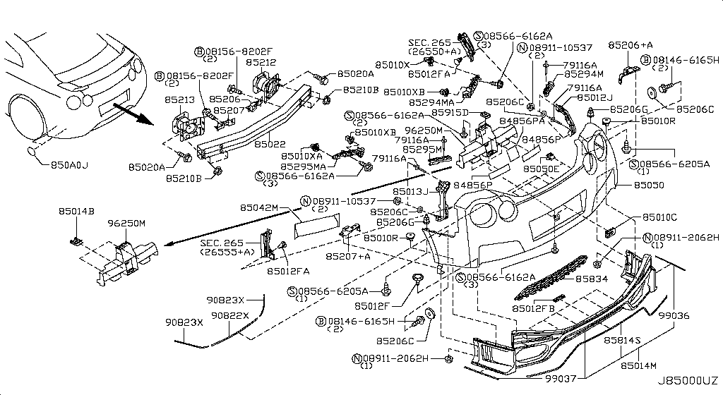
038 – Switch | 8 part(s)
Period: 12.2010 - 11.2013 • 11.2014 - 04.2016
OEM Part Number | Description | Applies / Details | Period | Notes | Qty
25320-JN00A | SWITCH ASSY-STOP LAMP | Applies: C | 12.2010 - 11.2013 |  | 1
25360-AD000 | Sw Assy-Door
25380-JF00B | Sw-Assy Trunk O
25401-JF10A | Sw-Auto Power W
25320-4M405 | CLIP | Applies: C | 12.2010 - 11.2013 |  | 2
25300-3RA0A | SWITCH ASSY-ASCD CANCEL | Applies: C | 11.2014 - 04.2016 |  | 1
25365-4GA0A | Screw
25411-JF00A | Sw Assy-P/Windw

039 – Relay | 4 part(s)
Period: 12.2010 - 11.2013
OEM Part Number | Description | Applies / Details | Period | Notes | Qty
25630-79960 | RELAY-HORN | Applies: C; Specification: B-HORN | 12.2010 - 11.2013 | NEAR ABS | 1
25230-79917 | RELAY-EGI | Applies: C; Specification: FUEL PUMP2 MIYAMOTO | 12.2010 - 11.2013 | FUEL PUMP RELAY BEGIND TRUNK | 1
25230-79944 | RELAY-EGI | Applies: C; Specification: FUEL PUMP2 PANASONIC | 12.2010 - 11.2013 | FUEL PUMP RELAY BEGIND TRUNK | 1
25230-7995A | RELAY-EGI | Applies: C; Specification: AIR PUMP PANASONIC | 12.2010 - 11.2013 |  | 1

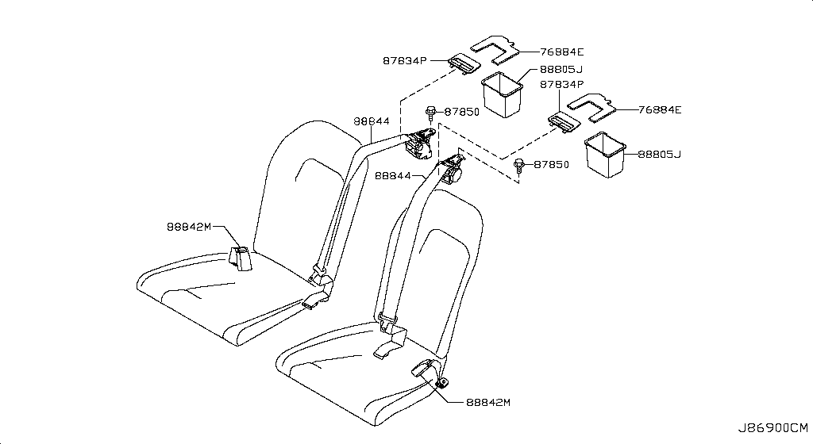
040 – Electrical Unit | 10 part(s)
Period: 12.2010 - 11.2013 • 11.2007 - 11.2010
OEM Part Number | Description | Applies / Details | Period | Notes | Qty
25070-CD00A | ENGINE OIL PRESSURE SENSOR | Applies: C | 12.2010 - 11.2013 | BCM | 1
25610-JF00B | Horn Assy
25620-JF00B | Horn Assy
08146-6122G | Bolt-Hex | C | 11.2007 - 11.2010
08918-3061A | Nut-Flange,Hex | VR38DETT | 11.2007 - 11.2010
25628-3H00A | Bolt
25605-JF20A | Horn Assy
25640-JF87E | Buzaer Assy
28452-JF80A | Bracket-Unit
284B5-JF01A | Bracket-Ipdm

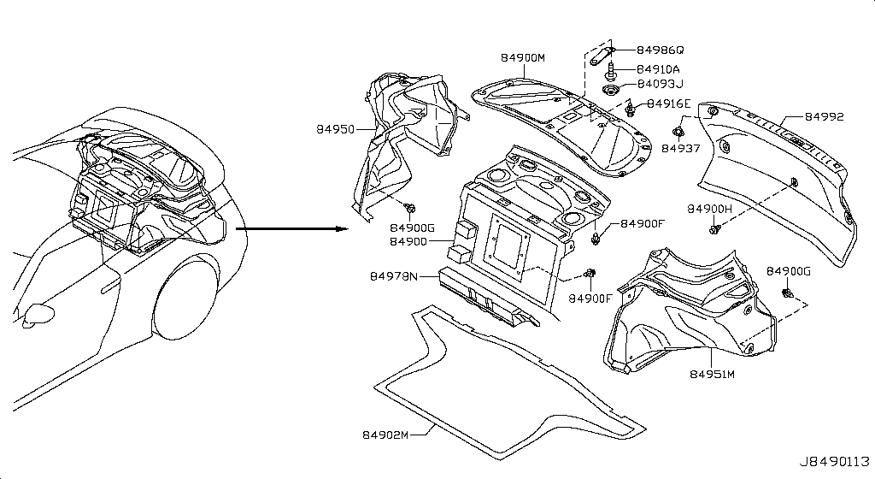
041 – Headlamp | 10 part(s)
Applies: VR38DETT
OEM Part Number | Description | Applies / Details | Period | Notes | Qty
26010-6AV2A | Lamp Assy-Rh
26320-JF00A | Protector-Head
26016-62B1A | Bracket-Mountin
26060-6AV2A | Lamp Assy-Lh
08146-6202H | Bolt-Hex
97197-AD710 | Screw
26272-8991A | Bulb
26325-JF00A | Protector-Head
26038-62B1A | Harness Assy
26397-CY00A | Tube-Air Brthr

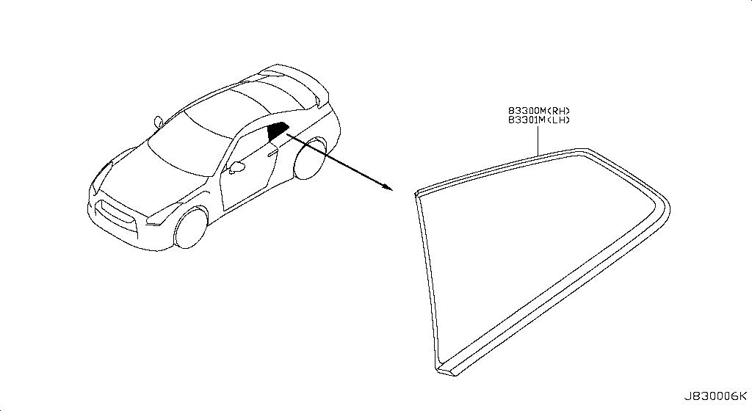
042 – Front Combination Lamp | 9 part(s)
Applies: VR38DETT
OEM Part Number | Description | Applies / Details | Period | Notes | Qty
26600-KB50C | Lamp Assy
26605-KB50C | Lamp Assy
08146-6162H | Bolt-Hex
08911-1062G | Nut-Hex
08913-6365A | Nut-U
24271-N7100 | Protector-Harne
26920-KB50A | Bracket
26920-KB51A | Bracket
26925-KB50A | Bracket

043 – Side Marker Lamp | 5 part(s)
Applies: Applies: C.(TRACK+NISMO)
OEM Part Number | Description | Applies / Details | Period | Notes | Qty
26180-62B0A | SIDE MARKER LAMP ASSY-RH | Applies: C.(TRACK+NISMO) |  | CLEAR NOT GREEN
26185-62B0A | SIDE MARKER LAMP ASSY-LH | Applies: C.(TRACK+NISMO) |  | CLEAR NOT GREEN
26398-JF00C | Clip
26261-04W00 | Bulb
26244-72B00 | Socket Assy

044 – Room Lamp | 5 part(s)
Applies: VR38DETT
OEM Part Number | Description | Applies / Details | Period | Notes | Qty
26428-1VW0A | Back Plate-Map
26430-KB51B | A.spot Lamp
26431-JF00A | Lens-Spot Lamp
26282-KB50A | Bulb
26432-JF00A | Lens-Spot Lamp

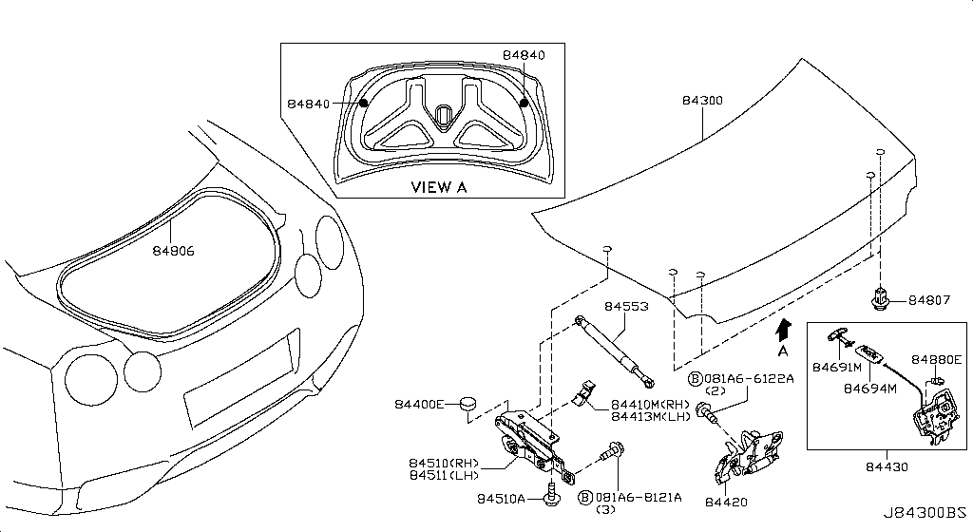
045 – Rear Combination Lamp | 9 part(s)
Applies: VR38DETT
OEM Part Number | Description | Applies / Details | Period | Notes | Qty
26550-62B1A | Lamp Comb Rr,Rh
26555-62B1A | Lamp Comb Rr,Lh
08146-6165H | Bolt-Hex
08911-10537 | Nut-Hex
26550-JF35A | Lamp Comb Rr,Rh
26261-89917 | Bulb-Stop Lamp
26261-89962 | Blub 12V/21W
26553-85L00 | Seat
26555-JF35A | Lamp Comb Rr,Lh

046 – Licence Plate Lamp | 1 part(s)
Applies: VR38DETT
OEM Part Number | Description | Applies / Details | Period | Notes | Qty
26510-CD00B | Lamp Assy-Licen

047 – Lamps (Others) | 2 part(s)
Applies: VR38DETT
OEM Part Number | Description | Applies / Details | Period | Notes | Qty
26470-60U0E | Lamp Trunk Room
...
049 – Heater & Blower Unit | 27 part(s)
27167-JK60A | Lever-Def
27168-JK60A | Lever-Foot
27218-JK00A | Bracket-Harness
27551-JK60A | Spring
27726-AL500 | Aspirator
27731-JN00A | Actuator Assy
27750-JK60B | Bracket
24271-N7100 | Protector-Harne
92580-EG000 | Grommet,Rubber

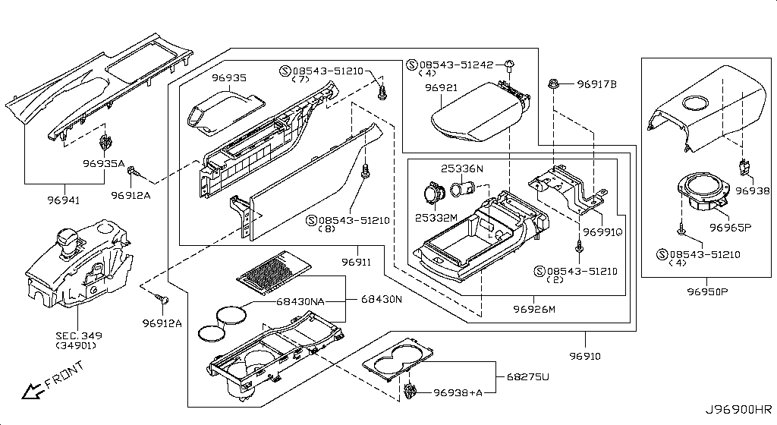
050 – Cooling Unit | 19 part(s)
Applies: VR38DETT
OEM Part Number | Description | Applies / Details | Period | Notes | Qty
27229-4M40A | Bolt-Kit
27289-EG000 | Grommet
27293-8H310 | Brkt-Thermistor
27280-JF10B | Evaporator Assy
92200-1HP0C | Valve-Expansion
92590-JF10A | Hose-Drain
08146-6162G | Bolt-Hex
27281-JF10A | Evap Assy-Fr
27283-JK60A | Pipe Assy
27283-JK61A | Pipe Assy
27287-JK60A | Seal-Cooling
27287-EG10A | Seal-Cooling
27287-EG110 | Seal-Cooling
27288-JK64A | Insulator
27288-JK65A | Insulator
27284-JK60A | Cooling-Case
92477-4GF1A | Seal-O Ring
92477-4GF0A | Seal-O Ring
27723-AG000 | Sensor-Intake

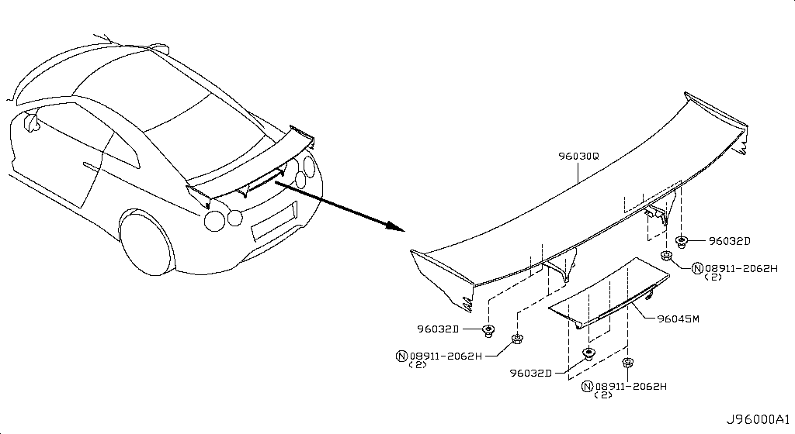
051 – Control Unit | 6 part(s)
Applies: VR38DETT
OEM Part Number | Description | Applies / Details | Period | Notes | Qty
27721-3AA0A | A Sensor Sun
08543-51210 | Screw-Tapping
01451-00581 | Screw
27720-3AA0A | Senser-Incar
27727-JF10A | Duct-Aspirator
27760-JF30C | Amplifier-Contr

052 – Nozzle & Duct | 5 part(s)
Applies: VR38DETT
OEM Part Number | Description | Applies / Details | Period | Notes | Qty
27860-JF10A | Duct-Ventilator
27800-JF00A | Nozzle
27810-JF10A | Nozzle-Defrostr
27811-JF10A | Nozzle-Defrostr
27850-EH10A | Duct-Heatr,Fr
...
053 – Compressor | 1 part(s)
OEM Part Number | Description | Applies / Details | Period | Notes | Qty
92600-JF00C | Compressor-Cool

054 – Compressor Mounting & Fitting | 3 part(s)
Applies: VR38DETT
OEM Part Number | Description | Applies / Details | Period | Notes | Qty
11916-JF00D | Bolt
11925-JK21A | Pulley Assy
11925-JK20D | Pulley Assy


055 – Condenser,Liquid Tank & Piping | 34 part(s)
Period: 11.2007 - 11.2010
OEM Part Number | Description | Applies / Details | Period | Notes | Qty
92131-JF01A | Tank Assy-Liqui
27722-AL500 | Sensor Assy-Amb
92100-JF00A | Cond & Liquid
92440-JF11A | Pipe-Front
92441-JF01A | Pipe-Front
92479-JF01A | Pipe-Cooler
92480-JF11A | Hose-Flexible
92481-JF10A | Hose-Flexible
92490-JF11A | Hose-Flexible
92491-JF10A | Hose-Flexible
08146-6122G | Bolt-Hex | C | 11.2007 - 11.2010
081A6-6122A | Bolt-Flg,Hexgon
08911-1081G | Nut-Hex
27090-C991C | Label
01456-00421 | Bolt Heater
92135-4W000 | Bracket-Liquid
92145-4W000 | Bracket-Liquid
92471-N8210 | O Ring
92472-N8221 | O Ring
92474-N8210 | O Ring
92471-N8221 | O Ring
92472-N8210 | O Ring
92473-N8221 | O Ring
92557-JF01A | Grommet Tube
92136-1FA0A | Sen Assy-Press
92128-JF00A | Screw
92128-JF00B | Screw
92499-89921 | Cap-Valve
92499-89920 | Cap-Valve
46271-EW00A | Clip
92551-JF00A | Clip
92553-JF00A | Clip
92554-JF00A | Clip
92555-JF02A | Clip


056 – Heater Piping | 7 part(s)
Applies: VR38DETT
OEM Part Number | Description | Applies / Details | Period | Notes | Qty
92402-JF00A | Hose Water/Heat
92401-JF00A | Hose Water/Heat
92400-JF00A | Hose
92410-JF00A | Hose
92417-0W811 | Connector
01558-00521 | Clip
92527-7990B | Clip


057 – Audio & Visual | 9 part(s)
Applies: VR38DETT
OEM Part Number | Description | Applies / Details | Period | Notes | Qty
08340-5082A | Screw-Machine
25975-89S0C | Ant Assy-Gps
01436-01841 | Screw
28088-89S1A | Cable-Usb
284H3-89S0A | Jack-Hdmi & Usb
284S0-89S1A | Transmitter Ass
284S1-89S0B | Controller Assy
284S2-89S0A | Bracket-Vehicle
284S3-89S0A | Bracket-Data Lo

058 – Telephone | 4 part(s)
Applies: VR38DETT
OEM Part Number | Description | Applies / Details | Period | Notes | Qty
28275-6FL2B | Box-Telematic
28212-6HS0A | Antenna Assy-Ti
25233-5AA0A | Bracket
28336-5AA0A | Microphone Ut-T


059 – Speaker | 13 part(s)
Period: 11.2007 - 12.2009 • 11.2007 - 11.2010
OEM Part Number | Description | Applies / Details | Period | Notes | Qty
28148-JK10A | Speaker-Unit
28176-JF03A | Grille-Speaker
08168-6121A | Screw | C | 11.2007 - 12.2009
01456-00371 | Bolt Heater
28149-JK10A | Speaker-Unit
28156-JM20A | Speaker-Unit
28153-1JB0A | Speaker-Unit
28163-JF20B | Bracket-Speaker
28153-5CA2A | Speaker-Unit
01456-00631 | Screw
01225-00371 | Nut | C | 11.2007 - 11.2010 |  | 01
28060-KJ10A | Amp Assy
28170-KJ10B | Subwoofer Box


060 – Windshield Wiper | 15 part(s)
Applies: VR38DETT
OEM Part Number | Description | Applies / Details | Period | Notes | Qty
28890-JF30A | Blade-Wiper
28881-JF30A | Arm Assy-Wiper
28889-50J1A | Nut-Support
28800-JF30A | Wiper Assy
28810-JF30A | Motor A-Wiper
28828-65F01 | Seal-Ball Retnr
28841-JF00A | Link-Connecting
28842-JF00A | Link-Connecting
28882-4N000 | Cover-Wiper Arm
28890-39B1A | Blade-Wiper
28895-JF00A | Refill-Wiper
28895-1EA0A | Refill-Wiper
28886-39B0A | Arm Assy-Wiper
28899-AD00A | Screw
28840-JF30A | Link Assy


061 – Windshield Washer | 10 part(s)
Applies: VR38DETT
OEM Part Number | Description | Applies / Details | Period | Notes | Qty
B8940-89910 | Hosh-Washer
28910-JF00A | Tank Assy-Wash
28920-AR000 | Pump-Washer
28911-1E400 | Sen Assy-Wash T
28915-JF00B | Inlet
08146-6162G | Bolt-Hex
01553-09321 | Clip
28945-AQ000 | Clip
28945-AQ010 | Clip
28921-50Y00 | Packing


062 – Manual Transmission, Transaxle & Fitting | 8 part(s)
Applies: VR38DETT
OEM Part Number | Description | Applies / Details | Period | Notes | Qty
08146-6125G | Bolt-Hex
081A8-6201A | Bolt
31069-JF05D | Bracket
320A0-80B0A | Transaxle Assy
32006-6J00A | Comp-Sw Neut
32154-JF00C | Washer-Lock Tra
31098-JF05C | Tube-Breather
32085-89S0B | Cont Unit-Trans


063 – Transmission Case & Clutch Release | 14 part(s)
Applies: VR38DETT
OEM Part Number | Description | Applies / Details | Period | Notes | Qty
31379-01X01 | MAGNET-TRANSMISSION |  |  | MAGNET GR6
32103-4N21A | Plug-Filler
08156-6125M | Bolt-Hex
08156-61228 | Bolt-Hex
31329-KB50A | Tube
31390-KB50A | Pan Assy-Oil
31397-JF00A | GASKET-OIL PAN |  |  | MAGNET GR6
24239-KB50A | Brakt-Clip
11026-4N200 | Gasket-Plug
31377-JF00C | Bolt
31377-JF00E | Bolt
31305-JF00B | Plug
32154-JF00A | Washer
31526-JF00B | O Ring

064 – Transmission Shift Control | 2 part(s)
Applies: VR38DETT
OEM Part Number | Description | Applies / Details | Period | Notes | Qty
32154-JF00B | Washer
32834-JF00A | Pin-Shift,Check

065 – Transfer Assembly & Fitting | 0 part(s)
Applies: VR38DETT
OEM Part Number | Description | Applies / Details | Period | Notes | Qty
...
066 – Transfer Case | 1 part(s)
Applies: VR38DETT
OEM Part Number | Description | Applies / Details | Period | Notes | Qty
38189-JF00A | SEAL-OIL,DRIVE PINION |  |  | AWD SEAL

067 – Transfer Gear | 2 part(s)
Applies: VR38DETT
OEM Part Number | Description | Applies / Details | Period | Notes | Qty
38216-U301A | Nut Diff Side
38210-JF00C | Flg Assy-Compan


068 – Auto Transmission Control Device | 18 part(s)
Period: 11.2007 - 11.2010
OEM Part Number | Description | Applies / Details | Period | Notes | Qty
34901-89S0A | Device Assy-Tra
34910-80B0A | Knob Assy
34922-JF00A | Sprg Return
34929-80B0A | Cover-Control L
34939-JF00A | Braket
08146-6162G | Bolt-Hex
08146-8161G | Bolt-Hex
08915-4385A | Washer-Plain
08918-3081A | Nut-Flange,Hex
01225-00371 | Nut | C | 11.2007 - 11.2010 |  | 01
01532-JF00A | Pin-Snap
34935-JF00A | Cable Assy-Cont
34939-JF00B | Braket
34956-6AV0A | Cover-Rellease,
36406-4M40A | Plate-Lock
96932-JF00A | Cover-Slide
96932-JF00B | Cover-Slide
96940-89S0A | Indicator

069 – Transfer Control Parts | 2 part(s)
Period: 11.2007 - 12.2009
OEM Part Number | Description | Applies / Details | Period | Notes | Qty
41650-KB51A | Cont Assy-Torq
01456-00031 | Screw | C.(GTR+BLACK+PREMIUM) | 11.2007 - 12.2009 |  | 02


070 – Propeller Shaft | 13 part(s)
Applies: Applies: VR38DETT
OEM Part Number | Description | Applies / Details | Period | Notes | Qty
37200-JF02A | PROPELLER SHAFT ASSY-FRONT | Applies: VR38DETT |  | AWD SHAFT
37205-JF00A | Heat Brkt-Prope
37331-JF00A | Tube-Prop Sft,F
C7300-KB50A | Shaft Assy-Rear
081A6-6121A | Bolt-Flange,Hex
37120-JF00A | Bolt-Fix Propel
37120-JD00B | Bolt-Fix Propel
37120-CG10A | Bolt-Fix Propel
37120-JF01A | Bolt-Fix Propel
11298-4M418 | Bolt
01223-00041 | Nut-Hex
37171-7S00A | Nut-Fix Propell
37121-0E605 | Washer-Lock


071 – Rear Final Drive | 10 part(s)
Period: 11.2007 - 11.2010
OEM Part Number | Description | Applies / Details | Period | Notes | Qty
31305-JF00B | Plug
31098-JF00B | Hose-Breather
31098-JF05B | Hose-Breather
16439-N210A | Clamp-Hose | VR38DETT | 11.2007 - 11.2010 |  | 08
24225-C9901 | Clip-Harness
32103-4N21A | Plug-Filler
32103-JF01A | Breather
11026-4N200 | Gasket-Plug
11026-JF00A | Gasket-Plug
38356-JF00A | Brether


072 – Front Final Drive | 36 part(s)
Applies: VR38DETT
OEM Part Number | Description | Applies / Details | Period | Notes | Qty
38500-AR51A | Final Drive Ass
38320-JF00A | Packing Cover
38341-AR000 | Retainer Brg
38342-03V01 | Seal-Oil
38351-JF10A | Cover-Front Fin
38189-AR00A | Seal-Oil Drive
081A0-8201A | Bolt-Flange
081A4-0301A | Bolt-Hex
08360-51214 | Screw-Machine
11026-4N200 | Gasket-Plug
32105-0P000 | Pin-Dowel
38100-AR16A | Gear Set-Final
38102-4N200 | Bolt-Drive Gear
38120-03V0A | Bearing Pinion
38139-61001 | Washer
38151-AR004 | Washer Adj D/P
38154-U1517 | Washer-Adjust
38216-U301A | Nut Diff Side
38210-JF10A | Flange Assy-Com
38225-W1200 | Circlip-Side Ge
38355-AR000 | Defense-G/Oil
38420-AR000 | Case Complete
38421-AR000 | Case Diff
38423-W100A | Gear-Side
38424-W1021 | Washer Thrust S
38425-01M0A | Pinion-Mate
38426-N1908 | Washer-Thrust P
38428-U1500 | Pin-Lock Pinion
38427-AR000 | Shaft-Pinion Ma
38440-AR00A | Brg Taper
38453-AR004 | Shim Adj
38453-AR018 | Shim Adj
38511-AR50A | Housing-Final D
38343-AR000 | Ring O Retainer
32103-4N20C | Breather
32103-4N21D | Plug-Filler


073 – Front Drive Shaft (Ff) | 13 part(s)
Applies: VR38DETT
OEM Part Number | Description | Applies / Details | Period | Notes | Qty
39211-EG000 | Joint Assy-Oute
39711-CG000 | Joint Assy-Inne
39234-CG00A | Circlip
39242-CG000 | Band-Boot
39708-CG000 | Ring-Snap
39742-CG100 | Band-Boot
39752-AR50A | Shield-Dust
39100-JF00A | SHAFT ASSY-FRONT DRIVE,RH |  |  | AXLE RH FRONT AXLE
39241-CG027 | Repair Kit-Dust
39741-CG026 | Repair Kit-Dust
39204-JF00B | Shaft-Fr Drive
39242-CG010 | Band-Boot
39742-CG110 | Band-Boot


074 – Rear Drive Shaft | 16 part(s)
Period: 11.2011 - 11.2013
OEM Part Number | Description | Applies / Details | Period | Notes | Qty
39600-JF00A | SHAFT ASSY-REAR DRIVE | Applies: VR38DETT | 11.2011 - 11.2013 | REAR AXLE RH | 1
39211-JF00A | Joint Assy
39711-JF00A | Joint Assy
39234-EA000 | Seal Oil Brg
39252-AR76D | Seal-Grease
39734-17V20 | Bolt Fix D/S
C9709-AN018 | Grease(Kyodo Us
39606-JF00A | Bolt Box
39735-17V60 | Bolt Fix D/S
39704-JF00A | Shaft-Rear Driv
39241-EG026 | Repair Kit-Dust
39242-2B000 | Band-Boot
39242-EA020 | Band-Boot
39742-EA010 | Band-Boot
39742-8J000 | Band-Boot
39741-EG025 | Repair Kit-Dust


075 – Front Axle | 14 part(s)
Applies: VR38DETT
OEM Part Number | Description | Applies / Details | Period | Notes | Qty
40014-JF00A | Spdl-Knuckle,Rh
40015-JF00A | Spdl-Knu Lh
40173-EG000 | Seat-Lwr Ball J
40206-62B0A | Rotor Disc-Brak
43222-62B0A | Bolt-Hub
081B4-2455M | Bolt-Flg,Hexgon
08921-3252A | Pin-Cotter Spli
40178-EG06C | Bolt
40037-1CA0A | Washer
40202-62B0A | Hub Assy-Road W
40262-1CA0A | Nut Brg Driving
40073-0L700 | K Repair Pin 99
40262-EG01A | Nut-Knu Spdl
40262-EG000 | Nut-Knu Spdl

076 – Front Suspension | 14 part(s)
Period: 11.2012 - 11.2013 • 11.2007 - 11.2010
OEM Part Number | Description | Applies / Details | Period | Notes | Qty
54034-JK00A | Seat-Rubber
54320-JF02A | Insulator-Strut
54500-38B0A | LINK COMPL-TRANSVERSE,RH | Applies: VR38DETT | 11.2012 - 11.2013 |  | 1
54501-38B0A | LINK COMPL-TRANSVERSE,LH | Applies: VR38DETT | 11.2012 - 11.2013 |  | 1
08915-4385A | Washer-Plain
80497-AX01A | Nut | C | 11.2007 - 11.2010 |  | 03
01223-00301 | Nut Self Lock
01225-00072 | Nut W/Washer
54050-JF00B | Bumper Assy-Bou
55338-EG00A | Seal-Shock Abso
E6110-89S0A | Absorber-Shock
E6111-89S0A | Absorber-Shock
56127-EG00B | Bolt-Fr Shock
56204-JF00A | Cap-Shock Abs


077 – Rear Axle | 16 part(s)
Period: 12.2010 - 11.2013
OEM Part Number | Description | Applies / Details | Period | Notes | Qty
40262-1CA0A | Nut Brg Driving
40173-33P00 | Seat-Lwr Ball J
43202-62B0A | Hub Rear Wheel
43206-62B0A | Rotor-Disc Brak
43222-62B1A | Bolt-Hub
081B4-2355M | Bolt-Flg,Hexgon
08921-3202A | Pin-Cotter Spli
43018-JW90B | HOUSING ASSY-REAR AXLE,RH | Applies: VR38DETT | SpecCode: [CLASJ] TRACK PACK A | SpecCode: [CLASR] INT F/BLACK EDITION,F/TRACK PACK W/SUSP | 12.2010 - 11.2013 | REAR BUSHING | 1
43019-JW90B | Hsg-Rr Axle,Lh
55152-JK00A | Bush
55157-JF00A | Bush
55148-JW90B | Bush
40037-1CA0A | Washer
01225-00941 | Nut Brg Driving
40073-0L700 | K Repair Pin 99
41098-8J000 | Plug-Insp Hole


078 – Rear Suspension | 30 part(s)
Period: 12.2010 - 11.2013 • 11.2013 - 11.2014
OEM Part Number | Description | Applies / Details | Period | Notes | Qty
55227-8J00A | Disc-Eccentric
55269-AG00E | Nut-Special
55400-KB50A | Member Compl
55475-JF00A | Stopper Diff
55501-KB50A | ARM ASSY-REAR SUSPENSION,RH | Applies: VR38DETT | 12.2010 - 11.2013 |  | 1
55502-JF00A | ARM ASSY-REAR SUSPENSION,LH | Applies: VR38DETT | 12.2010 - 11.2013 |  | 1
56230-6AV0B | Bar-Torsion
54613-62B0B | Bush-Stabilizer
08918-3401A | Nut-Flange,Hex | VR38DETT | 11.2013 - 11.2014
40039-JF00A | Cap-Bolt
41182-JX91A | Guide-Air Brake
41183-JX91A | Guide-Air Brake
54614-4N000 | Clamp
54650-JF00B | Brkt-Rr Stabi
54651-JF00B | Brkt-Conect Rod
55269-2Y00A | Nut Self Lock
01221-00361 | Nut
55479-4P00A | Bolt
54459-0M00C | Bolt Special
54459-8J00A | Bolt
55080-AG00C | Bolt-Fix,Link
55080-AL50A | Bolt-Fix,Link
55110-JW90B | Rod Compl
551A0-JF00A | Link Compl-Rr S
551B0-JF00D | Link Compl-Rr
55226-AQ50A | Bolt
55226-JA01C | Bolt
55475-JF00B | Stopper Diff
56280-JF00A | Pin-Shock Abs M
54618-JF00D | Rod-Conect,Stab

079 – Road Wheel & Tire | 7 part(s)
Applies: VR38DETT
OEM Part Number | Description | Applies / Details | Period | Notes | Qty
40224-62B0A | Nut-Road Wheel
40312-89S1A | Tire
40342-JF50A | Ornament-Road
40321-EG33A | Weight-Wheel Ba
40321-JF23A | Weight-Wheel Ba
D0C00-89S0A | Wheel-Road Al
D0C00-89S1A | Wheel-Road Al


080 – Front Brake | 18 part(s)
Applies: VR38DETT
OEM Part Number | Description | Applies / Details | Period | Notes | Qty
41001-KJ10A | Caliper Assy
41011-KJ10A | Caliper Assy
41090-JF20B | Spring Return F
41217-JF20A | Pin
08915-4385A | Washer-Plain
41005-KB50A | Bolt Caliper
41005-KB51A | Bolt Caliper
41005-KB50B | Bolt Caliper
54622-1BA0A | Washer-Special
D1060-JF20D | Pad Kit-Disc
D1120-JF20A | Seal Kit-Disc
41121-JF20A | Piston-Cylinder
41121-JF20B | Piston-Cylinder
41121-JF20C | Piston-Cylinder
41129-12U26 | Cap & Screw Set
D1136-JF20A | Screw Set
41151-JF00A | Plate-Baffle
41161-JF00A | Plate-Baffle


081 – Rear Brake | 15 part(s)
Applies: VR38DETT
OEM Part Number | Description | Applies / Details | Period | Notes | Qty
44020-JF00A | Plate Assy-Back
44030-JF00A | Plate Assy-Back
44050-8J01A | Lever-Togle,Lh
44081-8J01A | Pin-Anti Shoe
44083-8J010 | Spring-Anti
44084-8J01A | Retainer Spring
44090-AG010 | Spring-Return
44091-8J010 | Spring-Return R
44078-AR00A | Block-Anchor
44200-9Y00A | Adjuster Assy
54588-AR00A | Nut Fix Strg
44000-JF05A | Brake A-Park,Rr
44010-JF05A | Brake A-Park,Rr
D4060-CA01A | Shoe Set-Pkb
44079-AR00A | Block-Anchor

082 – Parking Brake Control | 12 part(s)
Applies: VR38DETT
OEM Part Number | Description | Applies / Details | Period | Notes | Qty
36010-89S0A | Control Assy
36011-4P00A | Switch Assy-Par
36402-JF00A | Cable Assy-Park
08146-6125G | Bolt-Hex
08147-0162G | Bolt-Hex
08911-1082G | Nut-Hex
08911-1081G | Nut-Hex
01225-00901 | Nut
01454-00431 | Screw
44042-0P00A | Pin Clevice
36530-JF00A | Cable Assy-Rh
36531-JF00A | Cable Assy-Lh


083 – Brake Master Cylinder | 9 part(s)
Applies: VR38DETT
OEM Part Number | Description | Applies / Details | Period | Notes | Qty
D6010-JF10B | Cylinder Assy
46020-64J03 | Cap Assy-Oil
46045-AD000 | Seal-Reservoir
46048-64J01 | Indicator Assy-
46091-JF10B | Tank-Oil Reserv
46093-64J05 | Strainer-Oil
08911-1082G | Nut-Hex
D6096-JF00A | Seal Kit-O Ring
46037-AD000 | Pin-Spring

084 – Brake Piping & Control | 32 part(s)
Applies: VR38DETT
OEM Part Number | Description | Applies / Details | Period | Notes | Qty
46240-JF11A | Tube Assy-Bra99
46242-JF11A | Tube Assy-Brake
46245-JF50A | Tube Assy-Front
46246-JF50A | Tube Assy-Front
46250-JF12A | Tube Assy-Brake
46282-JF15B | Tube Assy-Brake
...
46271-V5400 | Clip
46271-JG00A | Clamp Tube Upp
46272-1P100 | Union Flare 99
46272-3S200 | Insulator
46285-JF00A | Tube Assy-Brake
46283-JF15B | Tube Assy
46366-JF01A | Grommet
54314-JF00A | Bracket
54315-JF00A | Bracket


085 – Brake & Clutch Pedal | 6 part(s)
Applies: VR38DETT
OEM Part Number | Description | Applies / Details | Period | Notes | Qty
46501-64B0A | Pedal Assy
46531-JF00A | Cover Pedal Pad
00923-1081A | Pin-Snap
08911-1081G | Nut-Hex
01225-00521 | Nut
46123-03W1A | Pin-Clevis

086 – Brake Servo & Servo Control | 9 part(s)
Applies: VR38DETT
OEM Part Number | Description | Applies / Details | Period | Notes | Qty
D7210-JF00A | Booster Assy
47211-JF00A | Spacer-Masterva
47212-AL500 | Pack
46366-EG010 | Grommet
08911-1081G | Nut-Hex
46314-JF00A | Protector
...
091 – Steering Column | 20 part(s)
48935-4P00A | Bolt
48935-JF00B | Bolt
01225-00371 | Nut | C | 11.2007 - 11.2010 |  | 01
01225-00661 | Nut Flange
48070-1BA1B | Joint Assy-Strg
48950-JF10A | Cover-Hole
48964-JF00A | Plate-Coating
48988-JF00B | Bracket
48988-JF00C | Bracket


092 – Power Steering Pump | 17 part(s)
Applies: VR38DETT
OEM Part Number | Description | Applies / Details | Period | Notes | Qty
49110-63B0A | Pump Assy-Power
D9132-JF00A | Pulley-Pump
49116-7P900 | Housing
49121-JF00A | Bracket Assy
49140-CB100 | Roter&Cumring S
49144-WL000 | Plate-Side
49148-6C900 | Pin-Cumring
49149-1AA0A | Bolt-Bracket
08120-8201E | Bolt-Hex
08120-8501E | Bolt-Hex
49591-6C925 | Seal Kit-Power
49144-WL001 | Plate-Side
49164-1AA0A | Bolt
49165-WL70A | Valve Assy
49167-7P900 | Spring
49162-6C900 | Seal-Inlet Conn
49161-JF00A | Connector Assy


093 – Power Steering Gear | 21 part(s)
Applies: VR38DETT
OEM Part Number | Description | Applies / Details | Period | Notes | Qty
49001-63B0B | Gear & Linkage
49200-63B0B | Gear A-P/Strg
49210-63B0B | Gear Sub Assy
49359-AA000 | Seal-O Ring
49862-04E00 | Seal-O Ring
49369-CX000 | Cap-Rear Cover
49541-JF10A | Tube Assy-Cylin
49542-JF10A | Tube Assy-Cylin
08921-3252A | Pin-Cotter Spli
48514-JF00A | Nut
48634-JA00A | Nut Lock
D8203-JF00A | Boot Kit
49738-1BA0A | Bolt
49738-JF00A | Bolt
48055-D4100 | Clamp Dust Seae
48054-AA00A | Calmp-Dustcover
49366-AA00A | Bolt-Housing
D8520-JF00B | Socket-Kit
D8640-JF00B | Socket-Kit
D8521-JF00A | Socket Kit-Rod
48636-1CA0B | Spacer

094 – Power Steering Pump Mounting | 5 part(s)
Applies: VR38DETT
OEM Part Number | Description | Applies / Details | Period | Notes | Qty
11926-JF01A | Bracket
11940-JF00A | Bracket
11916-JF00B | Bolt-Hex M8X1.2
11916-JF00C | Bolt-Hex M8X1.2
11916-JF00E | Bolt-Hex M8X1.2


095 – Power Steering Piping | 40 part(s)
Applies: VR38DETT
OEM Part Number | Description | Applies / Details | Period | Notes | Qty
49192-VE000 | Tank Assy-Reser
49181-15U00 | Cap Assy-Pump
49726-Y0100 | Gasket-Conn
49728-55S0A | Collar-Insulato
49729-2J00B | Clamp
49733-01J00 | Insul-Tube,P/S
49763-6N20A | Sensor Assy-Pre
49790-JF00A | Oil Cooler Assy
08146-6125H | Bolt-Hex
08146-6165H | Bolt-Hex
08146-6255H | Bolt-Hex
08146-6255G | Bolt-Hex
08363-6125B | Screw-Machine
08363-6305B | Screw-Machine
18316-S3260 | Insul-Tube,P/S
49738-4W00A | Bolt
49732-JF00A | Clip
49732-JF02A | Clip
49190-JF00A | Brkt Assy-R/Tan
49191-JF00A | Brkt Assy-R/Tan
49345-6N200 | Seal-O Ring
49328-03E00 | O Ring-End Cove
49710-JF10B | Hose&Tube-P/Stg
49717-JF00A | Hose Assy-Suct,
49720-JF11B | Hose & Tube Ass
49721-JF11A | Hose & Tube Ass
49721-JF00A | Hose & Tube Ass
49725-JF01A | Hose-Return,P/S
49726-50W00 | Washer-Lock
49729-2J01B | Clamp
49730-01J60 | Clip
49730-JF01A | Bracket-Tube
49732-79915 | Clamp-Hose
49732-CL70A | Clamp
49733-6L000 | Insulator
49733-4P015 | Insulator
49733-21U22 | Insulator
49733-01J60 | Insulator
49733-55M00 | Insul-Tube,P/S
49791-WA000 | Clip

096 – Front Bumper | 30 part(s)
Applies: VR38DETT
OEM Part Number | Description | Applies / Details | Period | Notes | Qty
FBM22-89S0H | Face-Fr Bumper
62058-KB51B | Stiffener
62059-KB51B | Stiffener
62090-KB60A | Energy Absorber
622A0-89S0A | Cover-Bumper
62044-KB51B | Brkt-Fr Bumper
...
01281-00111 | Grommet-Screw
01281-01321 | Grommet-Screw
01281-01081 | Grommet-Screw
62066-JF01A | Protector-Rh
62067-JF01A | Protector-Lh
62256-KB50A | Grille-Fr Bmpr
62256-KB50B | Grille-Fr Bmpr
62222-6AW0A | Brkt-Bpr Side,R
62223-6AW0A | Brkt-Bpr Side,L


097 – Front Apron & Radiator Core Support | 38 part(s)
Period: 12.2010 - 11.2013
OEM Part Number | Description | Applies / Details | Period | Notes | Qty
625E2-JF00A | Brkt-Hood Supt
08146-6165H | Bolt-Hex
08146-6205H | Bolt-Hex
21468-KB50C | Duct-Air Rh
21468-KB50B | Duct-Air Intake
21468-KB50A | AIR DUCT-INTAKE | Applies: C | 12.2010 - 11.2013 | front brackets where filter and bumper | 1
21474-JF00A | Flap-Shroud
21474-JF00B | Flap-Shroud
21474-JF00C | Flap-Shroud
21474-JF00D | Flap-Shroud
21474-JF00E | Flap-Shroud
01515-00113 | Rivet Gespa
01241-00113 | Nut
62501-KB50A | Supt-Rad Core C
625E3-JF00A | Brkt-Hood Supt
62528-JF00A | Bracket-Radiato
62529-JF00A | Bracket-Radiato
62598-JF00A | Clip
01553-05323 | Clip
01553-10501 | Clip
21496-KB50A | Seal-Radiator C
21496-KB51A | Seal-Radiator C
21496-KB53A | Seal-Radiator C
21496-KB54A | Seal-Radiator C
21496-KB55A | Seal-Radiator C
62297-JF01B | Bolt
62297-JF00A | Bolt
62297-KB51A | Bolt
62297-JF00C | Bolt
62578-JF00A | Pipe-Rad Core,L
62591-JF00A | Brkt-Rad Mtg,Lw
62576-JF00A | Bracket
62577-JF00A | Bracket
625D2-JF00A | Bracket
625D3-JF00A | Bracket
21559-KB50A | Guide-Lh
65281-JF00A | COVER-RADIATOR |  |  | radiator top cover
01553-09321 | Clip


098 – Front Fender & Fitting | 21 part(s)
Period: 07.2016 - ...
OEM Part Number | Description | Applies / Details | Period | Notes | Qty
FCA00-6AVAA | Fender-Front Rh
FCA01-6AVAA | Fender-Front Lh
63842-62B0B | PROTECTOR-FRONT FENDER,RH | Applies: C.(TRACK+NISMO) | 07.2016 - ... | front fender cover LH | 1
63843-62B0B | PROTECTOR-FRONT FENDER,LH | Applies: C.(TRACK+NISMO) | 07.2016 - ... |  | 1
63844-6HT2B | Protector Assy-
63845-6HT2B | Protector Assy-
08146-6165H | Bolt-Hex
08146-6162G | Bolt-Hex
08913-6365A | Nut-U
64892-W5000 | Plug
01125-03491 | Bolt
01451-00841 | Screw
63848-35F00 | Clip
01281-00831 | Grommet-Screw
01553-09321 | Clip
01553-10541 | Clip
63870-62B0A | Finisher-Rh
63871-62B0A | Finisher-Lh
63826-AA400 | Protector Fr
63824-KB50A | Duct-Fr Fdr,Rh
63825-KB50A | Duct-Fr Fdr,Lh


099 – Hood Ledge & Fitting | 6 part(s)
Applies: VR38DETT
OEM Part Number | Description | Applies / Details | Period | Notes | Qty
74849-4P000 | Cover-Hole
66919-JL00A | Clip
64891-W5000 | Plug-Sill Body
01658-02143 | Plug
74816-AL500 | Plug
24253-AL500 | Plug-Rr Wh Inr


100 – Hood Panel,Hinge & Fitting | 18 part(s)
Period: 12.2010 - 11.2013
OEM Part Number | Description | Applies / Details | Period | Notes | Qty
65829-39B0A | Bmpr Hood Fr
FEA0M-6AVMA | Hood
65400-JF00B | Hinge Hood
65401-JF00B | Hood Hinge Assy
65773-AX000 | Grom Hood Rod
65771-JF00A | Rod-Hood Supt
65840-JF00A | Insulator-Hood
64891-W5000 | Plug-Sill Body
08146-8161G | Bolt-Hex
08911-1052G | Nut-Hex
08911-1081G | Nut-Hex
65722-JN20A | Clamp-Rod Hood
65846-40F00 | Clip-Hood Insul
65822-JF02A | Seal-Hood,Fr Rh
65823-JF02A | Seal-Hood,Fr Lh
65820-JF00A | SEAL-HOOD FRONT | Applies: C | 12.2010 - 11.2013 |  | 1
65850-JF00A | Air Intake-Hood
658A0-JF00A | Air Intake-Hood


101 – Hood Lock Control | 16 part(s)
Period: 11.2007 - 12.2009
OEM Part Number | Description | Applies / Details | Period | Notes | Qty
65620-JF11A | Cable Assy-Hood
65625-AL500 | Clamp-Hood Lock
65622-4P00A | Handle Assy-Hoo
65626-JK00A | Protector-Contr
08146-6125H | Bolt-Hex
08168-6161A | Screw | C | 11.2007 - 12.2009
65601-JL60A | Lock Assy-Hood
65601-JF10B | Lock Assy-Hood
65602-JK00A | Cover Hood Lock
01121-03181 | Bolt-Hex,W/Spr
65617-1BA1C | Striker-Hood
65621-JF00A | Cable Assy-Hood
01553-10501 | Clip
28945-AQ010 | Clip
28945-AQ000 | Clip
65670-39B0A | Secd-Hood Lock


102 – Cowl Top & Fitting | 22 part(s)
Period: 11.2007 - 11.2010
OEM Part Number | Description | Applies / Details | Period | Notes | Qty
66852-JK600 | Cover-Air
66862-JF30A | Cover-Cowl Top
66863-JF30B | Cover-Cowl Top
081A6-6125M | Bolt-Flg,Hexgon
08918-3062A | Nut-Flange,Hex | C | 11.2007 - 11.2010
28935-JF31B | Tube Assy-Winds
28937-AQ000 | Connector-Tube
64844-JF00A | Lid-Hoodledge C
64894-JF10A | Cover-Hoodledge
64895-JF10A | Cover-Hoodledge
65275-JF10A | Cover-Bat Conn
65278-JF10A | Cover-Bat Conn
01553-09321 | Clip
663E0-KB51A | Stay-Cowl Top
01553-05323 | Clip
63848-5L300 | Clip
68445-KB51A | Tape-Cowl Top
66834-JF00A | Seal Assy Rh
64198-JF00A | Nut Hex
64198-JF00B | Nut Hex
64198-JF00C | Nut Hex
66870-JF10A | Seal-Cowl Top


103 – Dash Panel & Fitting | 8 part(s)
Applies: VR38DETT
OEM Part Number | Description | Applies / Details | Period | Notes | Qty
F7000-6AVMB | A Cowl Lower
F7300-62BMB | Panel Assy Dash
67400-JF10A | Member-Dash Low
66300-39B0B | Cowl Top Assy-F
66362-JF00A | Reinforce
673N9-40U00 | Flange Nut M8
75310-KB50A | Member Assy-Sid
75314-KB50B | Reinforce-Cente


104 – Dash Trimming & Fitting | 8 part(s)
Applies: VR38DETT
OEM Part Number | Description | Applies / Details | Period | Notes | Qty
66900-JF10A | Trim-Dash Side
66901-JF10A | Finish-Dash
67902-JK00B | Insul Dash Assy
66922-JF00A | Lid Assy
01553-05131 | Clip-Blower Ins
63848-5L300 | Clip
01554-00181 | Clip-Finisher
27288-AG000 | Insulator


105 – Instrument Panel,Pad & Cluster Lid | 33 part(s)
Applies: VR38DETT
OEM Part Number | Description | Applies / Details | Period | Notes | Qty
26479-AA000 | Housing Assy
68134-JF10A | Panel-Side,Rh
68135-JF10A | Panel-Side,Lh
68200-JF10A | Panel & Pad
68210-89S1A | A Pad Inst Cent
68212-89S0B | Pad Assy-Inst L
68235-JF00A | Cover Meter
68259-89S1A | Finisher
68297-JF00A | Fin-Power Socke
68310-KB51A | Garnish-Instrum
68311-KB51A | Garnish-Instrum
68312-KB51A | Mask-Tweeter
68240-89S0A | A Cover Meter
68500-JF60A | Assy Box Glove
68920-JF10A | Cover
081A6-8121A | Bolt-Flange
08543-41610 | Screw-Tapping
24860-2J001 | Socket & Bulb
28198-1CA0B | Grille
01451-00581 | Screw
68112-JF10A | Panel
68108-JF10A | Panel-Lower
01125-00931 | Bolt
01125-03421 | Bolt
68211-KB51A | A Pad Inst Cent
68262-89S1A | Lid Assy
66916-VC300 | Clip
68261-KB51A | Lid-Claster,Upr
68420-JF00A | Finisher
68421-JF00A | Finisher-Lh
68513-JF10A | Damper Assy
96938-4U01A | Clip
96938-ED000 | Clip

106 – Ventilator | 4 part(s)
Applies: VR38DETT
OEM Part Number | Description | Applies / Details | Period | Notes | Qty
68742-KB50A | Grille
68743-KB50A | Grille
68760-6AV1A | Vantilator Assy
68750-6AV0A | Vent Assy,Rh


107 – Front Windshield | 7 part(s)
Applies: VR38DETT
OEM Part Number | Description | Applies / Details | Period | Notes | Qty
G2700-KB51B | Glass-Fr Wind
G2716-89900 | Rubber-Dum
72714-EG000 | Spacer Glass A
72717-JF30A | Insulator
72715-EG000 | Spacer Glass A
72715-1KE0A | Spacer Glass A
72752-JF01A | Mldg-Ws Upr

108 – Roof Panel & Fitting | 2 part(s)
Applies: VR38DETT
OEM Part Number | Description | Applies / Details | Period | Notes | Qty
G3112-JF3MA | Roof
731D0-JW90B | Roof-Inner

109 – Roof Trimming | 5 part(s)
Applies: VR38DETT
OEM Part Number | Description | Applies / Details | Period | Notes | Qty
73996-JF00A | Fastener-Trim
73998-AL600 | Clip
73998-AA000 | Clip
73998-AM800 | Clip
73910-6HR0A | Headlining Assy


110 – Floor Panel | 14 part(s)
Applies: VR38DETT
OEM Part Number | Description | Applies / Details | Period | Notes | Qty
76450-JF00A | Sill-Inner Rh
76451-JF00A | Sill-Inner Lh
G4320-JF0MA | Floor-Front,Rh
G4321-JF0MA | Floor-Front,Lh
G4310-JF0MA | Floor-Fr Center
743E4-JF00A | Guss-Fr Floor R
743E5-JF00A | Guss-Fr Floor R
74515-JF00A | Ext-Rr Floor,Fr
74985-JF00A | Bracket-Carpet,
G4512-JF0MA | Floor Rr Front
G4514-JF0MA | Floor Rear
74574-JF00A | Reinforce
745A0-JF00A | Brkt Assy-Sen M
74528-JF00A | Plate-Bolt


112 – Floor Fitting | 22 part(s)
Applies: VR38DETT
OEM Part Number | Description | Applies / Details | Period | Notes | Qty
74848-AL530 | Cover Assy Bat
75890-62B0A | Cover-Engine Lo
75895-89S0A | Protector
74890-JF00A | Rubber-Jack Mtg
08146-6165H | Bolt-Hex
08146-6205H | Bolt-Hex
08146-8202G | Bolt-Hex
081B6-8205M | Bolt
08913-6065A | Nut-U
01553-09321 | Clip
01241-01151 | Nut-Spring
62318-4M400 | Clip
74847-AL500 | Seal-Hole Cover
75830-89S1A | Cover-Engine Lo
01658-02143 | Plug
75882-89S0A | Guard A-Fr Udr
75895-89S0B | Protector
75895-89S1B | Protector
75895-89S2B | Protector
75881-JF02B | Cover-Fr,Under
74881-KB50C | Insulator
74881-KJ10A | Insulator

114 – Floor Trimming | 11 part(s)
Applies: VR38DETT
OEM Part Number | Description | Applies / Details | Period | Notes | Qty
74902-JF10A | Carpet A-Floor
74957-JF00B | Spacer-Floor Sd
74978-JF00A | Spacer-Fr Floor
74979-JF00A | Spacer-Fr Floor
74999-AL500 | Clip-Trim
74956-JF00B | Spacer-Floor Sd
74956-JF10A | Spacer-Floor Sd
74957-62B0A | Spacer-Floor Sd
74985-40U00 | Brkt-Carpet,Fr
74994-JF10A | Plate-Step,Fron
749B1-KB50A | Lid Assy-Fr,Lh


115 – Member & Fitting | 26 part(s)
Applies: VR38DETT
OEM Part Number | Description | Applies / Details | Period | Notes | Qty
75508-JF00B | Member-Side Rr
75509-JF00B | Member Assy-Sid
74540-JF00A | Mbr-Cross Rr Se
G5100-63BMB | Hsg Mbr Fr Rh
G5101-63BMB | Hsg Mbr Fr Lh
G5130-JF00A | Plate-Closing
G5131-JF00A | Plate-Closing
75650-JF01A | Member Assy
08156-8202F | Bolt-Hex,Pp W/W
081A6-8162A | Bolt-Flange
544A2-KB50A | Bar Assy-Tower,
544A6-KB50A | Bracket Assy-To
544A7-KB50A | Bracket Assy-To
62214-JF00A | Brkt-Fr Bmpr
62215-JF00A | Brkt-Fr Bmpr
01121-N6141 | Bolt
74530-JF00A | Floor Side-Rr,R
74531-JF00A | Floor Side-Rr,L
01125-03631 | Screw
G5110-63B0A | Member
G5111-63B0A | Member
G5520-JF00A | Extension-Membe
G5521-JF00A | Extension-Membe
75650-JF00A | Member-Cross,Rr
673N8-JF00A | Bolt
75186-KB50A | Connector-Front


116 – Body Side Panel | 14 part(s)
Applies: VR38DETT
OEM Part Number | Description | Applies / Details | Period | Notes | Qty
G6020-JF0MA | Body Assy-Rh
G6021-JF0MA | Body Assy-Lh
76260-JF00A | Brace-Fr Pillar
76261-JF00A | Brace-Fr Pillar
76304-JF00A | Rail-Side,Rh
76305-KJ10A | Rail-Side,Lh
76424-JF00A | Reinf-B/Side Ot
76425-JF00A | Reinf Body Side
01121-02381 | Bolt Specal
76514-JF00A | Reinforce Assy-
76515-JF00A | Reinforce Assy-
76530-JF00A | Side Panel Inr
76531-JF00A | Pillar Lock
73998-CD000 | Clip


117 – Body Side Moulding | 11 part(s)
Applies: VR38DETT
OEM Part Number | Description | Applies / Details | Period | Notes | Qty
76860-JF00E | Weatherstrip Rh
76861-JF00E | Weatherstrip Lh
76870-JF00A | Retainer W/S Rh
76871-JF00A | Retainer W/S Lh
08543-51242 | Screw-Tapping
01553-01A50 | Clip
73854-KB70A | Moul-Roof Drip
73855-KB70A | Moul-Roof Drip
73856-AM800 | Clip C
76872-JF00A | Retainer W/S Rh
76873-JF00A | Retainer W/S Lh

118 – Body Side Fitting | 6 part(s)
Applies: VR38DETT
OEM Part Number | Description | Applies / Details | Period | Notes | Qty
76884-8H502 | Insulator
64891-W5000 | Plug-Sill Body
64890-U7400 | Grommet
78852-JF00A | Guard Assy
77008-00QAA | Air Extractor
78853-JF00A | Guard Assy


119 – Body Side Trimming | 30 part(s)
Period: 11.2007 - 12.2009
OEM Part Number | Description | Applies / Details | Period | Notes | Qty
76900-62B0A | Finish-Rear Sid
76901-62B0A | Finish-Rear
76921-38B0A | A Welt Body
76922-38B0A | Welt Body Side
76934-62B0A | Finish-Rear Pil
76935-62B0A | Finish-Rear Pil
769B4-JF00A | Plate Kicking
769B5-JF00A | Plate-Kicking L
081A6-6121A | Bolt-Flange,Hex
08543-51642 | Screw-Tapping
73948-JF00B | Hanger-Coat,Rh
76848-35F10 | Rubber Grommet
76882-AR002 | Clip
01651-00343 | Grommet Screw
01553-09131 | Clip
01553-10631 | Clip
01553-30001 | Clip
01553-05153 | Clip-Trim
01553-10541 | Clip
76911-6HP0A | Garnish Assy
76912-6HP0A | Garnish Assy
76988-AM800 | Clip
76959-AM800 | Clip-Trim
769B0-JF00A | Plate Kicking
769B1-JF00A | Plate-Kicking F
01456-00411 | Screw-Tap,With | C.(GTR+BLACK+PREMIUM) | 11.2007 - 12.2009 |  | 05
76988-JF00A | Clip
K85P0-6HR0A | Module Curta Rh
K85P1-6HR0A | Module Curta Lh
985P8-JF00A | Noise Shield

120 – Rear Fender & Fitting | 11 part(s)
Applies: VR38DETT
OEM Part Number | Description | Applies / Details | Period | Notes | Qty
GHA00-JF0MA | Fender-Rear Rh
GHA01-JF0MA | Fender-Rear Lh
78114-JF00A | Drip-Roof Rr Rh
78115-JF00A | Drip-Roof Rr Lh
78116-JF00A | Extension-Rear
78117-JF00A | Ext-Fender Rr U
78830-KB70A | Lid-Gas Filler
78836-AM800 | Spr-Fuel Filler
01431-00501 | Screw Tapp
78837-AG000 | Bumper
78848-JL00A | Cover-Fuel Fill


121 – Rear,Back Panel & Fitting | 6 part(s)
Applies: VR38DETT
OEM Part Number | Description | Applies / Details | Period | Notes | Qty
G9110-JF3MA | Panel-Rear Uppe
79400-JF00A | Pshelf Assy
081A6-8121A | Bolt-Flange
79424-JF00A | Reinforce
85044-AL500 | Bracket-Rear Bu
85045-AL500 | Bracket-Rear Bu

122 – Rear Window | 3 part(s)
Applies: VR38DETT
OEM Part Number | Description | Applies / Details | Period | Notes | Qty
G2716-89900 | Rubber-Dum
72714-EG000 | Spacer Glass A
G9700-KB50B | Glass-Back Wind


123 – Rear & Back Panel Trimming | 7 part(s)
Applies: VR38DETT
OEM Part Number | Description | Applies / Details | Period | Notes | Qty
28176-JF74A | Grille-Rear
79910-62B5A | Finish-Rear
79980-9Y200 | Cover-Child Anc
08146-6162G | Bolt-Hex
63878-01E10 | Clip
809A9-JF70C | Screw
79922-JF24A | Fin-Seat Back


124 – Front Door Panel & Fitting | 33 part(s)
Applies: VR38DETT
OEM Part Number | Description | Applies / Details | Period | Notes | Qty
HMA0M-JF0MA | Door-Front Rh
HMA0A-JF0MA | Door-Front Lh
80400-JF00A | A Hinge Fr Door
80401-JF00A | A Hinge Rr Lwr
80430-KB50A | Check Link Assy
80431-KB50A | Check Link Assy
80440-AG000 | Covr-Check Link
80441-AG000 | Covr-Check Link
80820-JF00A | Mldg Assy-Fr Do
80821-JF00A | Moulding-Door
80830-JF00A | Wstrip Assy-Fr
80831-JF00A | Wstrip Assy-Fr
64891-W5000 | Plug-Sill Body
08146-6122H | Bolt-Hex
08911-1062G | Nut-Hex
08918-1081A | Nut-Hex
01217-00251 | Nut
80864-JF00A | Insulator
80142-JF00B | Reinfoce
80143-JF00B | Reinfoce
80230-JF00A | Corner Piece-Fr
80231-JF00A | Corner Piece-Fr
85099-JF30A | Grommet
01121-01601 | Bolt W/Spr
80498-40U0B | Bolt Hex
80774-JF00A | Base-Fr Doorrh
80775-JF00A | Base-Fr Doorlh
80838-JF00A | Seal
80839-JF00A | Seal
80860-JF00B | Screen-Sealing
80861-JF00B | Screen-Sealing
80956-JF00A | Brkt-Fr Door Gr
80957-JF00A | Brkt-Fr Door Gr


125 – Front Door Window & Regulator | 8 part(s)
Applies: VR38DETT
OEM Part Number | Description | Applies / Details | Period | Notes | Qty
80300-JF00A | Glass-Fr Door,R
80301-JF00A | Glass-Fr Door,L
80720-JF00A | Regulator-Door
80721-JF00A | Regulator-Door
80750-JF00A | Motor Assy-Reg
80751-JF00A | Motor Assy-Reg
14069-CA01A | Bolt
80252-S060A | Nut Special


126 – Front Door Lock & Handle | 36 part(s)
Period: 11.2007 - 11.2010
OEM Part Number | Description | Applies / Details | Period | Notes | Qty
80500-JF10A | Lock & Remote C
80501-JF10A | Lock & Remote C
80515-JF00A | Rod-Key Lock,Fr
80520-JF00A | Male-Dovetail,R
80521-JF00B | Male-Dovetail,L
80524-JF00A | Female-Rh
80595-KB50A | Knob-Door Lock
80606-JF00F | Handle Assy-Doo
80607-JF00F | Handle Assy-Doo
80609-JF00A | Rod Assy-Door O
80670-KB50A | Handle Door
80671-KB50A | Handle Door I/S
08146-6122H | Bolt-Hex
08313-41625 | Screw
08918-3062A | Nut-Flange,Hex | C | 11.2007 - 11.2010
08918-3081A | Nut-Flange,Hex
80599-JF00A | Screw Tapp
80532-AA100 | Holder-Rod
80532-85E00 | Clip Door Lock
80533-AA100 | Holder-Rod
80520-JF00B | Male-Dovetail,R
80526-JF00A | Cover-Dovetail
80498-CE40A | Bolt
80498-JK10A | Screw Tapp
80552-AL510 | Actuater
80553-AL510 | Actuater
80570-AH300 | Striker Assy
80572-AA300 | Cover-Striker
80576-JF00A | Stfnr-Door Lock
80577-JF00A | Stfnr-Door Lock
80596-KB50A | Knob-Door Lock
80608-JF00A | Rod Assy-Outsid
806A9-JF00B | Cap-Outside
806A8-JF00B | Cap-Outside
80644-KB50B | Escut-Outside H
80645-KB50B | Escut-Outside H


127 – Front Door Trimming | 26 part(s)
Period: 11.2007 - 11.2010
OEM Part Number | Description | Applies / Details | Period | Notes | Qty
26420-6P100 | Lamp Assy-Step
80900-89S8D | Finisher-Door
80901-89S8D | Finisher-Door
28176-KB55B | Grille-Speaker
80940-89S0A | Armrest-Fr,Rh
80941-89S0A | Arm Rest Assy-D
80968-6HP0A | Handle-Pull Rh
80969-6HP0A | Handle-Pull Lh
80960-KB52A | Finisr-P/Wdw Sw
80961-KB52A | Finisr-P/Wdw Sw
80988-JF00A | Brkt-Door,Low
80999-JF20C | Clip-Trim
08146-6122H | Bolt-Hex
08146-6165G | Bolt-Hex | C | 11.2007 - 11.2010
08566-6255A | Screw-Tapping
26261-89902 | Bulb(12V-2.7W)
26424-4P100 | Housing-Door St
01553-10731 | Clip-Trim
80999-JF10C | Clip-Finisher
80999-JF00C | Clip-Finisher
01125-03421 | Bolt
28177-KB55B | Grille-Speaker
80944-KB50A | Cap-Door Grip,R
80945-KB50A | Escutcheon
80986-JF00A | Bracket-Armrest
80987-JF00A | Bracket-Armrest

128 – Side Window | 2 part(s)
Applies: VR38DETT
OEM Part Number | Description | Applies / Details | Period | Notes | Qty
83306-KB50B | Glass Assy
83307-KB50B | Glass Assy


129 – Trunk Lid & Fitting | 18 part(s)
Applies: VR38DETT
OEM Part Number | Description | Applies / Details | Period | Notes | Qty
HDC00-89S6A | Lid Trunk
84620-JF00A | Striker-Trunk L
84631-62B0A | Lock Assy-Trunk
84400-JF00A | Hinge Trunk Lid
84401-JF00A | Hinge Assy-Trun
84430-62B1A | Stay Assy-Trunk
84830-62B0A | Wstrip-Trunk Li
84840-EJ70A | Bumper-Trunk
64891-W5000 | Plug-Sill Body
081A6-6122A | Bolt-Flg,Hexgon
081A6-8121A | Bolt-Flange
84410-AL520 | Cap
84410-AM800 | Stopper-Lid,Rh
84413-AM800 | Stopper-Lid,Lh
63198-1EA0A | Bolt-Spacial M1
84691-EH100 | Inside Handle-T
84694-EH100 | Holder-Inside H
01552-00912 | Clip Trunk Lid


130 – Trunk Opener | 6 part(s)
Applies: VR38DETT
OEM Part Number | Description | Applies / Details | Period | Notes | Qty
78826-EG01C | Lock Assy-Fuel
84652-JF01B | Cable-Opener
84460-JF10A | Bracket
78850-AM81E | Actuator Assy
24271-N7100 | Protector-Harne
84656-AM800 | Nut


131 – Trunk & Luggage Room Trimming | 9 part(s)
Applies: VR38DETT
OEM Part Number | Description | Applies / Details | Period | Notes | Qty
84910-KB50A | Finish-Trunk
84937-6P100 | Hook-Trunk Net
84950-KB50A | Cover Rr W/Hous
84992-JF00A | Plate-Trunk,Rr
01553-10501 | Clip
84902-KB50A | Carpet-Trunk Fl
84951-KB50A | Finisher
84980-JF00A | Spacer-Trunk Fl
90940-62B0A | Handle-Pull

132 – Rear Bumper | 46 part(s)
Applies: VR38DETT
OEM Part Number | Description | Applies / Details | Period | Notes | Qty
85030-KB50A | Reinf-Bumper Rr
HEM22-89S0H | Face-Rr Bumper
85040-KB50A | Bracket-Bumper
85041-KB50A | Brkt-Bmpr Rr,Lh
85210-JF50A | Stay-Rr Bumper
85211-JF50A | Stay-Rr Bumper
...
01221-00391 | Nut
85244-JF00A | Retainer-Bumper
85246-JF00A | Retainer-Bumper
85245-JF00A | Retainer-Bumper
85247-JF00A | Retainer-Bumper
99035-89S0A | Stripe S-Accent
90822-KB50A | Seal-Back Door,
90823-JW90A | Seal-Back Door,
96252-JF10A | Brkt-Rr Lic Lam


133 – Front Seat Belt | 8 part(s)
Period: 11.2007 - 12.2009
OEM Part Number | Description | Applies / Details | Period | Notes | Qty
86842-JF00A | Belt Assy-Front
86868-JL00A | Bracket Assy
86869-JL00A | Bracket Assy
86884-6HR0D | Belt Assy-Fr Rh
86885-6HR0D | Belt Assy-Lh
87836-CN001 | Cover-Belt Anch
08168-6121A | Screw | C | 11.2007 - 12.2009
87850-7990B | Bolt-Seat Belt


134 – Rear Seat Belt | 6 part(s)
Applies: VR38DETT
OEM Part Number | Description | Applies / Details | Period | Notes | Qty
87850-7990B | Bolt-Seat Belt
88844-KC35A | Belt Assy
76884-JK60A | Insul-Plr
87834-6P002 | Finisher
87840-AL500 | Cover Retractor
88842-KC10A | Belt Assy


135 – Front Seat | 34 part(s)
Applies: VR38DETT
OEM Part Number | Description | Applies / Details | Period | Notes | Qty
87606-KC10A | Ornam Seat Back
87012-JF10A | Knob-Switch,Rh
87330-KC32A | Finisher Assy
87400-JF10A | Adjuster Assy
87406-JF01A | Cover
87505-JK010 | Cover
87836-56C00 | Cap-Belt Anchor
081A7-0201A | Bolt-Hex
08918-60610 | Nut
87606-KC10B | Ornam Seat Back
876N9-EV25A | Bracket-Belt St
11298-4M417 | Bolt
88695-JL00A | Scr-Mach Torx-E
87016-JF10A | Switch Assy
87016-KC12A | Switch Assy
87019-KC33A | Harness
87300-64B9E | Cushion Assy
87325-JF00A | Finisher Assy
87325-JF10A | Finisher Assy
87331-JF00A | Finisher Assy
87324-JF00A | Finisher Assy
87324-JF10A | Finisher Assy
87339-KC32A | Finisher Assy
87405-JL00A | Cover
87456-JL01A | Cover
87406-JF00A | Cover
01121-07251 | Bolt
87555-JK010 | Cover
87558-JK000 | Cover
87601-64B9E | Frame Assy
87615-KC10A | Escutcheon
87618-KC10A | Knob-Walk In,Rh
87640-JF05A | Board Assy
K8EH0-62B0A | Module Side,Rh


136 – Rear Seat | 12 part(s)
Period: 11.2013 - 11.2014
OEM Part Number | Description | Applies / Details | Period | Notes | Qty
88650-63B0A | Back-Rr Seat
081A6-8162A | Bolt-Flange
08918-3401A | Nut-Flange,Hex | VR38DETT | 11.2013 - 11.2014
88300-63B0A | Cushion-Rr Seat
88304-50Y00 | Hook-Cushion
88342-JK000 | Brace-Rear Seat
88342-JF00A | Bracket Assy Be
88350-63B0A | Cushion-Rr Seat
88392-JK000 | Bracket
88392-JF00A | Brkt
88600-63B0A | Back A-Rr Seat
88894-9Y000 | Plate-Tether An

137 – Air Spoiler | 4 part(s)
Applies: VR38DETT
OEM Part Number | Description | Applies / Details | Period | Notes | Qty
08911-2062H | Nut-Hex
96030-89S0A | Air Spoiler
01217-00251 | Nut
96045-89S0A | Cover-Air


138 – Rear View Mirror | 12 part(s)
Applies: VR38DETT
OEM Part Number | Description | Applies / Details | Period | Notes | Qty
80292-JF00A | Cover-Corner
80293-JF00A | Cover-Corner
96321-3WV0A | Mirror Assy-Ins
96329-CF00A | Cover
08146-6125G | Bolt-Hex
01553-09611 | Clip
K6301-JF30A | Mirror Assy-Out
K6302-JF30A | Mirror Assy-Out
96365-JF30A | Mirror-Glass,Rh
96366-JF30A | Mirror-Glass,Lh
99044-89S0A | Stripe-Accent,O
99045-89S0A | Stripe-Accent,O


139 – Sunvisor | 7 part(s)
Applies: VR38DETT
OEM Part Number | Description | Applies / Details | Period | Notes | Qty
96400-KB53B | Sunvisor Assy
96401-KB53B | Sunvisor Assy
96409-JF00B | Holder-Sunvisor
96420-JF00B | Cover-Sunvisor
08543-51642 | Screw-Tapping
26447-KB50A | Bulb-Mirror
26442-CD660 | Lens-Mirror


140 – Console Box | 20 part(s)
Period: 11.2011 - 11.2013 • 11.2007 - 11.2010
OEM Part Number | Description | Applies / Details | Period | Notes | Qty
96910-89S1A | Console Box
96911-89S1A | Body-Console,Rr
96920-89S0A | Lid Assy-Floor
96935-89S0A | Boot Console
96938-4U01A | Clip
96941-KB51A | Finisher
08543-51242 | Screw-Tapping
08543-51210 | Screw-Tapping
253A2-EL00A | Knob-Socket
25331-1NF0B | POWER SOCKET ASSY | Applies: C | 11.2011 - 11.2013 | SOCKET LIGHTER | 1
68961-KB50A | Pocket-Coin
68430-KB50A | Holder Assy-Cup
68431-JF00A | Holder Assy-Cup
01451-00581 | Screw
01225-00371 | Nut | C | 11.2007 - 11.2010 |  | 01
96926-89S1A | Box Assy-Inr
96938-ED000 | Clip
96950-62B0A | Console Assembly
96965-KB50A | Holder Assy Rr
96991-JF00A | Brkt-Console,Rr


141 – Emblem & Name Label | 8 part(s)
Period: 12.2010 - 11.2013 • 11.2014 - 04.2016
OEM Part Number | Description | Applies / Details | Period | Notes | Qty
62890-89S0A | Emblem Rad Gril
62892-JF60A | ORNAMENT-FRONT | Applies: C | 12.2010 - 11.2013 | FRONT EMBLEM | 1
08540-3105A | Screw-Tapping
62892-JF01A | ORNAMENT-FRONT | Applies: C | 12.2010 - 11.2013 | BRACKET FRONT EMBLEM | 1
76838-JF00A | Screw
84894-JF60B | EMBLEM-TRUNK LID | Applies: C | 11.2014 - 04.2016 | GTR R35 EMBLEM | 1
84890-KB50A | Emblem
84895-3YW0A | Emblem


142 – Caution Plate & Label | 9 part(s)
Applies: VR38DETT
OEM Part Number | Description | Applies / Details | Period | Notes | Qty
14805-80B0A | Label
14806-JF30A | Label-Unleaded
60170-8990E | Label-Caution,P
99053-KJ10B | Label-Oil Cauti
99090-62B1A | Placard Tire
14806-JW90A | Label-Unleaded
98590-79920 | Label-Caution
99090-JF99A | Placard Tire
990A2-CD00A | Label-Parts

143 – Tool Kit & Maintenance Manual | 2 part(s)
Applies: VR38DETT
OEM Part Number | Description | Applies / Details | Period | Notes | Qty
99545-JF00B | Wrench Wheelnut
51112-1KA0A | Hook


144 – Key Set & Blank Key | 9 part(s)
Applies: VR38DETT
OEM Part Number | Description | Applies / Details | Period | Notes | Qty
48700-1NC3A | Lock Assy-Steer
H0601-JF10A | Cyl Lock,Lh
H4660-JF00A | Cylinder-Lock
80498-CE40A | Bolt
48703-06F0A | Screw-Steering
F8632-JF00A | Cylinder Set
80646-JF00A | Cap Cylinder
80564-JF01A | Key-Blank,Mastr
99810-JF11A | Key Set


Vacuum piping & canister | 34 part(s)
Period: 11.2007 - 11.2010 • 11.2013 - 11.2014 • 11.2013 - 05.2014
OEM Part Number | Description | Applies / Details | Period | Notes | Qty
22365-JF00A | Sensor | VR38DETT | 11.2007 - 11.2010 |  | 01
22365-JF00C | Evap control system pressure sensor | VR38DETT | 11.2013 - 11.2014 |  | 01
16439-N210A | Clamp-Hose | VR38DETT | 11.2007 - 11.2010 |  | 08
14912-JF01D | Hose Evapo | VR38DETT | 11.2007 - 11.2010 |  | 01
14912-JF04A | Tube-Evapo Cont | VR38DETT | 11.2007 - 11.2010 |  | 01
14958-JK00A | Tank, vacuum | VR38DETT | 11.2013 - 11.2014 |  | 01
14912-JF00B | Hose Assy | VR38DETT | 11.2007 - 11.2010 |  | 01
01558-00411 | Clamp | VR38DETT | 11.2007 - 11.2010 |  | 01
24220-4P220 | Tube Assy-Injec | VR38DETT | 11.2007 - 11.2010 |  | 01
14912-JF02A | Hose Evapo | VR38DETT | 11.2007 - 11.2010 |  | 01
14912-JF00A | Hose Assy | VR38DETT | 11.2007 - 11.2010 |  | 01
14930-JA10A | Valve assembly, control | VR38DETT | 11.2013 - 05.2014 |  | 01
14930-JA10B | Valve assembly-control | VR38DETT | 11.2007 - 11.2010
22320-JF02A | Hose-Vacuum | VR38DETT | 11.2007 - 11.2010 |  | 01
14912-JF01A | Hose Evapo | VR38DETT | 11.2007 - 11.2010 |  | 01
14912-JF00C | Hose Assy | VR38DETT | 11.2007 - 11.2010 |  | 01
14912-JF04B | Tube-Evapo Cont | VR38DETT | 11.2007 - 11.2010 |  | 01
14912-JF01E | Hose Evapo | VR38DETT | 11.2007 - 11.2010 |  | 01
14950-6N209 | Evaporative emission canister | VR38DETT | 11.2013 - 11.2014 |  | 01
01558-00401 | Clamp | VR38DETT | 11.2013 - 11.2014 |  | 04
22320-JF02B | Hose, vacuum control b; Hose-vacuum control | VR38DETT | 11.2013 - 11.2014 |  | 02
16439-JF02A | Clamp, hose b | VR38DETT | 11.2013 - 11.2014 |  | 02
22320-JF00A | Hose, vacuum control b; Hose-vacuum control | VR38DETT | 11.2013 - 11.2014 |  | 01
24220-AQ800 | Clamp-hose,b | VR38DETT | 11.2013 - 11.2014 |  | 02
22320-JF01B | Hose, vacuum control b; Hose-vacuum control | VR38DETT | 11.2013 - 11.2014 | right side | 01
14960-JF00A | Connector a | VR38DETT | 11.2013 - 11.2014 |  | 01
16439-N210D | Clamp | VR38DETT | 11.2013 - 11.2014 |  | 06
22320-JF00B | Hose, vacuum control b; Hose-vacuum control | VR38DETT | 11.2013 - 11.2014 |  | 01
22320-JF00C | Hose, vacuum control b; Hose-vacuum control | VR38DETT | 11.2013 - 11.2014 |  | 01
22320-JF00D | Hose, vacuum control b; Hose-vacuum control | VR38DETT | 11.2013 - 11.2014 | left | 01
16122-JF00A | Bolt | VR38DETT | 11.2013 - 11.2014 |  | 02
14956-JF00A | Solenoid valve assembly | VR38DETT | 11.2013 - 11.2014 |  | 01
14957-JF00A | Bracket, solenoid valve | VR38DETT | 11.2013 - 11.2014 |  | 01
22320-JF00E | Hose, vacuum control b; Hose-vacuum control | VR38DETT | 11.2013 - 11.2014 |  | 01

UNASSIGNED PARTS | 323 part(s) not matched to any diagram
These parts exist in catalog-data.json but are not hotspotted to any diagram.
OEM Part Number | Description | Applies / Details | Period | Notes | Qty
11110-38B0A | but need 2024 CRANKCASE | VR38DETT | 08.2017 - ... |  | 01
11145-JF00A | oil level sensor | VR38DETT | 08.2017 - ... |  | 01
11220-6AV0A | front mount left and right x2
11320-JF00B | insulator mount trans front x2
...

